MHCV >3,5t (trucks)
 |  | P R E S S R E L E A S E

 |  | PRESS EMBARGO FOR ALL DATA :
 |  | 8.00 AM (6.00 AM GMT), 29 April 2021

 |  | PROVISIONAL
 |  | EU+EFTA+UK NEW REGISTRATION FIGURES BY COUNTRY
 |  | NEW MEDIUM AND HEAVY COMMERCIAL VEHICLES (MHCV) OVER 3.5T1

 |  | March | March | % change | Jan-Mar | Jan-Mar | % change
 |  | 2021 | 2020 | 21/20 | 2021 | 2020 | 21/20
 | AUSTRIA | 819 | 474 | 72.8% | 1,764 | 1,462 | 20.7%
 | BELGIUM | 809 | 561 | 44.2% | 2,263 | 2,202 | 2.8%
 | BULGARIA | 239 | 130 | 83.8% | 752 | 647 | 16.2%
 | CROATIA | 132 | 62 | 112.9% | 300 | 237 | 26.6%
 | CYPRUS | 3 | 4 | -25.0% | 26 | 33 | -21.2%
 | CZECH REPUBLIC | 867 | 596 | 45.5% | 1,972 | 1,813 | 8.8%
 | DENMARK | 524 | 360 | 45.6% | 1,226 | 1,121 | 9.4%
 | ESTONIA | 85 | 39 | 117.9% | 224 | 190 | 17.9%
 | FINLAND | 362 | 314 | 15.3% | 961 | 990 | -2.9%
 | FRANCE | 4,637 | 2,679 | 73.1% | 11,987 | 10,536 | 13.8%
 | GERMANY | 8,851 | 6,759 | 31.0% | 21,027 | 19,635 | 7.1%
 | GREECE | 64 | 69 | -7.2% | 131 | 171 | -23.4%
 | HUNGARY | 397 | 219 | 81.3% | 1,055 | 856 | 23.2%
 | IRELAND | 276 | 270 | 2.2% | 777 | 851 | -8.7%
 | ITALY2 | 2,362 | 1,379 | 71.3% | 6,748 | 5,380 | 25.4%
 | LATVIA | 138 | 55 | 150.9% | 373 | 177 | 110.7%
 | LITHUANIA3 | 570 | 355 | 60.6% | 1,925 | 1,305 | 47.5%
 | LUXEMBOURG | 124 | 75 | 65.3% | 285 | 248 | 14.9%
 | NETHERLANDS | 1,230 | 1,200 | 2.5% | 3,621 | 3,781 | -4.2%
 | POLAND | 3,213 | 1,504 | 113.6% | 7,468 | 4,710 | 58.6%
 | PORTUGAL | 435 | 210 | 107.1% | 1,068 | 827 | 29.1%
 | ROMANIA | 521 | 307 | 69.7% | 1,347 | 1,078 | 25.0%
 | SLOVAKIA | 284 | 149 | 90.6% | 751 | 560 | 34.1%
 | SLOVENIA | 171 | 65 | 163.1% | 524 | 454 | 15.4%
 | SPAIN | 2,078 | 1,219 | 70.5% | 5,806 | 5,107 | 13.7%
 | SWEDEN | 588 | 557 | 5.6% | 1,502 | 1,465 | 2.5%
 | EUROPEAN UNION | 29,779 | 19,611 | 51.8% | 75,883 | 65,836 | 15.3%
 | EU14 | 23,159 | 16,126 | 43.6% | 59,166 | 53,776 | 10.0%
 | EU12 | 6,620 | 3,485 | 90.0% | 16,717 | 12,060 | 38.6%
 | ICELAND | 18 | 9 | 100.0% | 65 | 45 | 44.4%
 | NORWAY | 523 | 472 | 10.8% | 1,465 | 1,444 | 1.5%
 | SWITZERLAND | 386 | 340 | 13.5% | 901 | 976 | -7.7%
 | EFTA | 927 | 821 | 12.9% | 2,431 | 2,465 | -1.4%
 | UNITED KINGDOM3 | 5,514 | 5,448 | 1.2% | 11,083 | 11,555 | -4.1%
 | TOTAL (EU + EFTA + UK) | 36,220 | 25,880 | 40.0% | 89,397 | 79,856 | 11.9%
 | WESTERN EUROPE (EU14 + EFTA + UK) | 29,600 | 22,395 | 32.2% | 72,680 | 67,796 | 7.2%
 | SOURCE: NATIONAL AUTOMOBILE MANUFACTURERS' ASSOCIATIONS |  |  |  |  |  | 1Excluding buses and coaches over 3.5t
 |  |  |  |  | 2ANFIA estimates based on vehicle registration certificates issued by the Italian Ministry of Transport
 |  |  |  |  |  |  | 3Estimates
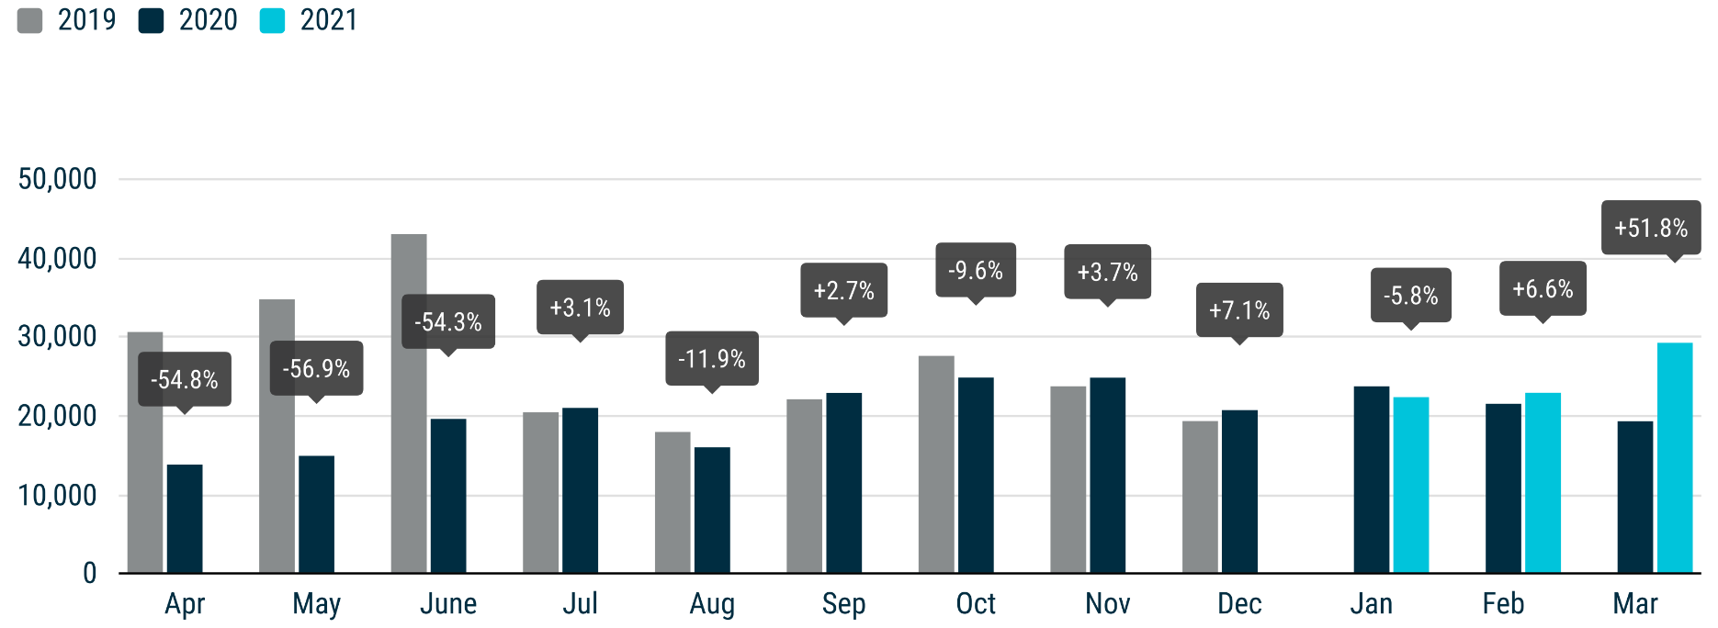

For further information, please contact: Francesca Piazza - Statistics Manager - E-mail: fp@acea.be
This information is available on the ACEA website: http://www.acea.be
 |  |  |  |  |  |  |  | Page 5 of 7

MHBC >3,5t
 |  | P R E S S R E L E A S E

 |  | PRESS EMBARGO FOR ALL DATA :
 |  | 8.00 AM (6.00 AM GMT), 29 April 2021

 |  | PROVISIONAL
 |  | EU+EFTA+UK NEW REGISTRATION FIGURES BY COUNTRY
 |  | NEW MEDIUM AND HEAVY BUSES & COACHES (MHBC) OVER 3.5T

 |  | March | March | % change | Jan-Mar | Jan-Mar | % change
 |  | 2021 | 2020 | 21/20 | 2021 | 2020 | 21/20
 | AUSTRIA | 86 | 73 | 17.8% | 267 | 224 | 19.2%
 | BELGIUM | 116 | 37 | 213.5% | 241 | 226 | 6.6%
 | BULGARIA | 1 | 19 | -94.7% | 4 | 55 | -92.7%
 | CROATIA | 15 | 4 | 275.0% | 30 | 26 | 15.4%
 | CYPRUS | 1 | 4 | -75.0% | 3 | 8 | -62.5%
 | CZECH REPUBLIC | 55 | 63 | -12.7% | 392 | 226 | 73.5%
 | DENMARK | 19 | 33 | -42.4% | 109 | 108 | 0.9%
 | ESTONIA | 11 | 27 | -59.3% | 43 | 72 | -40.3%
 | FINLAND | 9 | 10 | -10.0% | 31 | 61 | -49.2%
 | FRANCE | 405 | 255 | 58.8% | 1,444 | 1,391 | 3.8%
 | GERMANY | 422 | 485 | -13.0% | 1,273 | 1,608 | -20.8%
 | GREECE | 19 | 19 | 0.0% | 59 | 113 | -47.8%
 | HUNGARY | 22 | 26 | -15.4% | 78 | 222 | -64.9%
 | IRELAND | 60 | 16 | 275.0% | 121 | 57 | 112.3%
 | ITALY1 | 333 | 314 | 6.1% | 977 | 1,134 | -13.8%
 | LATVIA | 9 | 1 | 800.0% | 27 | 20 | 35.0%
 | LITHUANIA2 | 21 | 9 | 133.3% | 53 | 73 | -27.4%
 | LUXEMBOURG | 4 | 15 | -73.3% | 72 | 100 | -28.0%
 | NETHERLANDS | 34 | 62 | -45.2% | 103 | 228 | -54.8%
 | POLAND | 100 | 116 | -13.8% | 307 | 392 | -21.7%
 | PORTUGAL | 42 | 36 | 16.7% | 141 | 196 | -28.1%
 | ROMANIA | 55 | 60 | -8.3% | 173 | 186 | -7.0%
 | SLOVAKIA | 18 | 9 | 100.0% | 49 | 65 | -24.6%
 | SLOVENIA | 1 | 4 | -75.0% | 39 | 19 | 105.3%
 | SPAIN | 96 | 97 | -1.0% | 362 | 592 | -38.9%
 | SWEDEN | 25 | 44 | -43.2% | 162 | 108 | 50.0%
 | EUROPEAN UNION | 1,979 | 1,838 | 7.7% | 6,560 | 7,510 | -12.6%
 | EU14 | 1,670 | 1,496 | 11.6% | 5,362 | 6,146 | -12.8%
 | EU12 | 309 | 342 | -9.6% | 1,198 | 1,364 | -12.2%
 | ICELAND | 0 | 1 | -100.0% | 5 | 8 | -37.5%
 | NORWAY | 42 | 48 | -12.5% | 112 | 167 | -32.9%
 | SWITZERLAND | 34 | 26 | 30.8% | 114 | 115 | -0.9%
 | EFTA | 76 | 75 | 1.3% | 231 | 290 | -20.3%
 | UNITED KINGDOM2 | 276 | 898 | -69.3% | 672 | 1,743 | -61.4%
 | TOTAL (EU + EFTA + UK) | 2,331 | 2,811 | -17.1% | 7,463 | 9,543 | -21.8%
 | WESTERN EUROPE (EU14 + EFTA + UK) | 2,022 | 2,469 | -18.1% | 6,265 | 8,179 | -23.4%
 | SOURCE: NATIONAL AUTOMOBILE MANUFACTURERS' ASSOCIATIONS |  |  |  | 1ANFIA estimates based on vehicle registration certificates issued by the Italian Ministry of Transport
 |  |  |  |  |  |  | 2Estimates
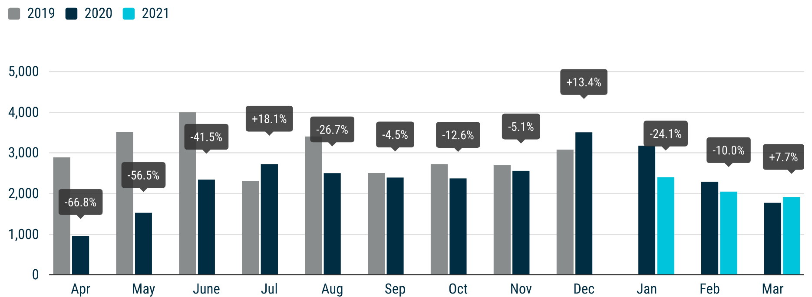

For further information, please contact: Francesca Piazza - Statistics Manager - E-mail: fp@acea.be
This information is available on the ACEA website: http://www.acea.be
 |  |  |  |  |  |  |  | Page 6 of 7

TOTAL
 |  | P R E S S R E L E A S E

 |  | PRESS EMBARGO FOR ALL DATA :
 |  | 8.00 AM (6.00 AM GMT), 29 April 2021

 |  | PROVISIONAL
 |  | EU+EFTA+UK NEW REGISTRATION FIGURES BY COUNTRY
 |  | TOTAL NEW COMMERCIAL VEHICLES

 |  | March | March | % change | Jan-Mar | Jan-Mar | % change
 |  | 2021 | 2020 | 21/20 | 2021 | 2020 | 21/20
 | AUSTRIA | 6,314 | 2,433 | 159.5% | 13,814 | 9,758 | 41.6%
 | BELGIUM | 9,113 | 4,984 | 82.8% | 24,863 | 21,676 | 14.7%
 | BULGARIA | 825 | 514 | 60.5% | 2,209 | 2,060 | 7.2%
 | CROATIA | 956 | 605 | 58.0% | 2,526 | 2,178 | 16.0%
 | CYPRUS | 183 | 82 | 123.2% | 488 | 460 | 6.1%
 | CZECH REPUBLIC | 2,746 | 1,738 | 58.0% | 6,668 | 5,689 | 17.2%
 | DENMARK | 4,326 | 3,136 | 37.9% | 9,829 | 9,264 | 6.1%
 | ESTONIA | 549 | 354 | 55.1% | 1,468 | 1,288 | 14.0%
 | FINLAND | 1,816 | 1,545 | 17.5% | 4,730 | 4,564 | 3.6%
 | FRANCE | 52,630 | 19,733 | 166.7% | 132,893 | 100,186 | 32.6%
 | GERMANY | 37,743 | 28,120 | 34.2% | 89,311 | 85,146 | 4.9%
 | GREECE | 1,138 | 432 | 163.4% | 2,631 | 1,861 | 41.4%
 | HUNGARY | 2,507 | 2,326 | 7.8% | 6,954 | 6,725 | 3.4%
 | IRELAND | 3,338 | 1,717 | 94.4% | 12,237 | 10,177 | 20.2%
 | ITALY | 20,895 | 6,626 | 215.3% | 53,925 | 39,069 | 38.0%
 | LATVIA | 412 | 201 | 105.0% | 991 | 686 | 44.5%
 | LITHUANIA | 984 | 692 | 42.2% | 2,926 | 2,303 | 27.1%
 | LUXEMBOURG | 663 | 336 | 97.3% | 1,742 | 1,467 | 18.7%
 | NETHERLANDS | 8,828 | 7,547 | 17.0% | 24,386 | 22,984 | 6.1%
 | POLAND | 10,997 | 5,948 | 84.9% | 25,857 | 18,491 | 39.8%
 | PORTUGAL | 3,400 | 1,803 | 88.6% | 8,271 | 7,659 | 8.0%
 | ROMANIA | 1,722 | 1,351 | 27.5% | 4,872 | 4,615 | 5.6%
 | SLOVAKIA | 1,194 | 611 | 95.4% | 2,637 | 2,246 | 17.4%
 | SLOVENIA | 1,275 | 465 | 174.2% | 3,465 | 2,649 | 30.8%
 | SPAIN | 20,199 | 8,025 | 151.7% | 46,703 | 42,023 | 11.1%
 | SWEDEN | 9,293 | 3,156 | 194.5% | 15,307 | 7,224 | 111.9%
 | EUROPEAN UNION | 204,046 | 104,480 | 95.3% | 501,703 | 412,448 | 21.6%
 | EU14 | 179,696 | 89,593 | 100.6% | 440,642 | 363,058 | 21.4%
 | EU12 | 24,350 | 14,887 | 63.6% | 61,061 | 49,390 | 23.6%
 | ICELAND | 128 | 97 | 32.0% | 331 | 356 | -7.0%
 | NORWAY | 3,946 | 3,273 | 20.6% | 10,043 | 9,807 | 2.4%
 | SWITZERLAND | 3,568 | 2,648 | 34.7% | 8,810 | 8,052 | 9.4%
 | EFTA | 7,642 | 6,018 | 27.0% | 19,184 | 18,215 | 5.3%
 | UNITED KINGDOM | 61,912 | 36,593 | 69.2% | 109,111 | 81,205 | 34.4%
 | TOTAL (EU + EFTA + UK) | 273,600 | 147,091 | 86.0% | 629,998 | 511,868 | 23.1%
 | WESTERN EUROPE (EU14 + EFTA + UK) | 249,250 | 132,204 | 88.5% | 568,937 | 462,478 | 23.0%
 | SOURCE: NATIONAL AUTOMOBILE MANUFACTURERS' ASSOCIATIONS

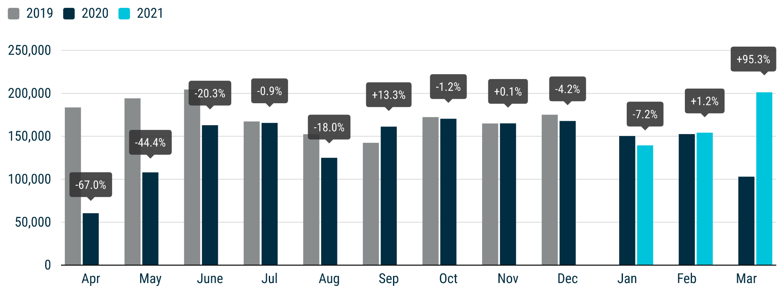

For further information, please contact: Francesca Piazza - Statistics Manager - E-mail: fp@acea.be
This information is available on the ACEA website: http://www.acea.be
 |  |  |  |  |  |  |  | Page 7 of 7

