MHCV >3,5t (trucks)
 |  | P R E S S R E L E A S E

 |  | PRESS EMBARGO FOR ALL DATA :
 |  | 8.00 AM (7.00 AM GMT), 24 March 2021

 |  | PROVISIONAL
 |  | EU+EFTA NEW REGISTRATION FIGURES BY COUNTRY
 |  | NEW MEDIUM AND HEAVY COMMERCIAL VEHICLES (MHCV) OVER 3.5T1

 |  | February | February | % change | Jan-Feb | Jan-Feb | % change
 |  | 2021 | 2020 | 21/20 | 2021 | 2020 | 21/20
 | AUSTRIA | 490 | 506 | -3.2% | 945 | 979 | -3.5%
 | BELGIUM | 679 | 717 | -5.3% | 1,454 | 1,641 | -11.4%
 | BULGARIA | 212 | 198 | 7.1% | 513 | 517 | -0.8%
 | CROATIA | 97 | 74 | 31.1% | 168 | 175 | -4.0%
 | CYPRUS | 8 | 10 | -20.0% | 23 | 29 | -20.7%
 | CZECH REPUBLIC | 610 | 614 | -0.7% | 1,105 | 1,217 | -9.2%
 | DENMARK | 343 | 341 | 0.6% | 702 | 761 | -7.8%
 | ESTONIA | 47 | 53 | -11.3% | 139 | 151 | -7.9%
 | FINLAND | 254 | 311 | -18.3% | 599 | 676 | -11.4%
 | FRANCE | 3,528 | 3,835 | -8.0% | 7,350 | 7,857 | -6.5%
 | GERMANY | 6,209 | 6,134 | 1.2% | 12,176 | 12,876 | -5.4%
 | GREECE | 28 | 42 | -33.3% | 67 | 102 | -34.3%
 | HUNGARY | 345 | 383 | -9.9% | 658 | 637 | 3.3%
 | IRELAND | 191 | 247 | -22.7% | 501 | 581 | -13.8%
 | ITALY2 | 2,155 | 1,919 | 12.3% | 4,399 | 4,001 | 9.9%
 | LATVIA | 117 | 60 | 95.0% | 235 | 122 | 92.6%
 | LITHUANIA3 | 763 | 463 | 64.8% | 1,318 | 915 | 44.0%
 | LUXEMBOURG | 76 | 72 | 5.6% | 161 | 173 | -6.9%
 | NETHERLANDS | 1,054 | 1,090 | -3.3% | 2,409 | 2,629 | -8.4%
 | POLAND | 2,770 | 1,824 | 51.9% | 4,255 | 3,206 | 32.7%
 | PORTUGAL | 290 | 232 | 25.0% | 633 | 617 | 2.6%
 | ROMANIA | 471 | 390 | 20.8% | 826 | 771 | 7.1%
 | SLOVAKIA | 271 | 173 | 56.6% | 467 | 411 | 13.6%
 | SLOVENIA | 131 | 148 | -11.5% | 353 | 389 | -9.3%
 | SPAIN | 1,860 | 1,748 | 6.4% | 3,727 | 3,888 | -4.1%
 | SWEDEN | 492 | 451 | 9.1% | 914 | 908 | 0.7%
 | EUROPEAN UNION | 23,491 | 22,035 | 6.6% | 46,097 | 46,229 | -0.3%
 | EU14 | 17,649 | 17,645 | 0.02% | 36,037 | 37,689 | -4.4%
 | EU12 | 5,842 | 4,390 | 33.1% | 10,060 | 8,540 | 17.8%
 | ICELAND | 24 | 13 | 84.6% | 47 | 36 | 30.6%
 | NORWAY | 434 | 401 | 8.2% | 942 | 972 | -3.1%
 | SWITZERLAND | 256 | 286 | -10.5% | 515 | 636 | -19.0%
 | EFTA | 714 | 700 | 2.0% | 1,504 | 1,644 | -8.5%
 | UNITED KINGDOM3 | 2,494 | 2,562 | -2.7% | 5,458 | 6,107 | -10.6%
 | TOTAL (EU + EFTA + UK) | 26,699 | 25,297 | 5.5% | 53,059 | 53,980 | -1.7%
 | WESTERN EUROPE (EU14 + EFTA + UK) | 20,857 | 20,907 | -0.2% | 42,999 | 45,440 | -5.4%
 | SOURCE: NATIONAL AUTOMOBILE MANUFACTURERS' ASSOCIATIONS
 | 1Excluding buses and coaches over 3.5t
 | 2ANFIA estimates based on vehicle registration certificates issued by the Italian Ministry of Transport
 | 3Estimates
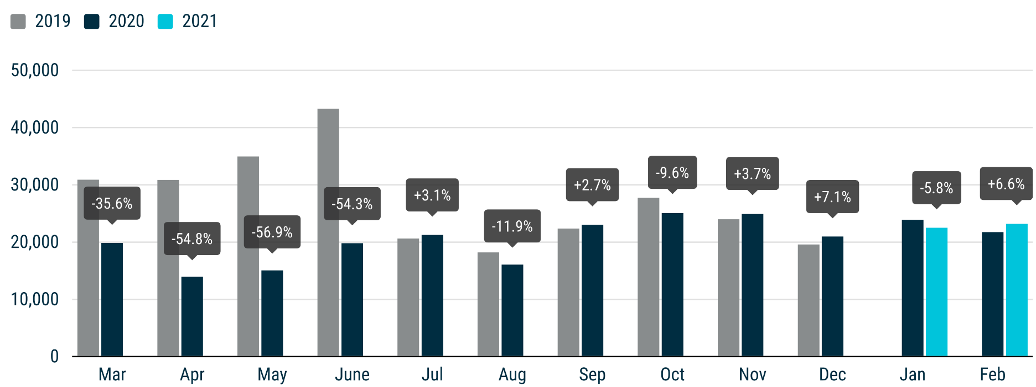

For further information, please contact: Francesca Piazza - Statistics Manager - E-mail: fp@acea.be
This information is available on the ACEA website: http://www.acea.be
 |  |  |  |  |  |  |  | Page 5 of 7

MHBC >3,5t
 |  | P R E S S R E L E A S E

 |  | PRESS EMBARGO FOR ALL DATA :
 |  | 8.00 AM (7.00 AM GMT), 24 March 2021

 |  | PROVISIONAL
 |  | EU+EFTA NEW REGISTRATION FIGURES BY COUNTRY
 |  | NEW MEDIUM AND HEAVY BUSES & COACHES (MHBC) OVER 3.5T

 |  | February | February | % change | Jan-Feb | Jan-Feb | % change
 |  | 2021 | 2020 | 21/20 | 2021 | 2020 | 21/20
 | AUSTRIA | 86 | 95 | -9.5% | 181 | 151 | 19.9%
 | BELGIUM | 60 | 74 | -18.9% | 125 | 189 | -33.9%
 | BULGARIA | 2 | 6 | -66.7% | 3 | 36 | -91.7%
 | CROATIA | 15 | 10 | 50.0% | 15 | 22 | -31.8%
 | CYPRUS | 0 | 2 | -100.0% | 2 | 4 | -50.0%
 | CZECH REPUBLIC | 199 | 72 | 176.4% | 337 | 163 | 106.7%
 | DENMARK | 90 | 34 | 164.7% | 90 | 75 | 20.0%
 | ESTONIA | 0 | 2 | -100.0% | 32 | 45 | -28.9%
 | FINLAND | 10 | 17 | -41.2% | 22 | 51 | -56.9%
 | FRANCE | 484 | 498 | -2.8% | 1,039 | 1,136 | -8.5%
 | GERMANY | 393 | 493 | -20.3% | 851 | 1,123 | -24.2%
 | GREECE | 14 | 44 | -68.2% | 40 | 94 | -57.4%
 | HUNGARY | 17 | 36 | -52.8% | 56 | 196 | -71.4%
 | IRELAND | 32 | 19 | 68.4% | 61 | 41 | 48.8%
 | ITALY1 | 226 | 369 | -38.8% | 649 | 820 | -20.9%
 | LATVIA | 4 | 6 | -33.3% | 18 | 19 | -5.3%
 | LITHUANIA2 | 21 | 33 | -36.4% | 34 | 61 | -44.3%
 | LUXEMBOURG | 26 | 8 | 225.0% | 68 | 85 | -20.0%
 | NETHERLANDS | 38 | 77 | -50.6% | 66 | 118 | -44.1%
 | POLAND | 114 | 119 | -4.2% | 207 | 276 | -25.0%
 | PORTUGAL | 57 | 59 | -3.4% | 99 | 160 | -38.1%
 | ROMANIA | 58 | 70 | -17.1% | 118 | 126 | -6.3%
 | SLOVAKIA | 5 | 11 | -54.5% | 31 | 56 | -44.6%
 | SLOVENIA | 3 | 5 | -40.0% | 38 | 15 | 153.3%
 | SPAIN | 139 | 180 | -22.8% | 265 | 495 | -46.5%
 | SWEDEN | 35 | 26 | 34.6% | 137 | 64 | 114.1%
 | EUROPEAN UNION | 2,128 | 2,365 | -10.0% | 4,584 | 5,621 | -18.4%
 | EU14 | 1,690 | 1,993 | -15.2% | 3,693 | 4,602 | -19.8%
 | EU12 | 438 | 372 | 17.7% | 891 | 1,019 | -12.6%
 | ICELAND | 4 | 3 | 33.3% | 5 | 7 | -28.6%
 | NORWAY | 25 | 22 | 13.6% | 70 | 119 | -41.2%
 | SWITZERLAND | 22 | 32 | -31.3% | 80 | 89 | -10.1%
 | EFTA | 51 | 57 | -10.5% | 155 | 215 | -27.9%
 | UNITED KINGDOM2 | 184 | 391 | -52.9% | 378 | 845 | -55.3%
 | TOTAL (EU + EFTA + UK) | 2,363 | 2,813 | -16.0% | 5,117 | 6,681 | -23.4%
 | WESTERN EUROPE (EU14 + EFTA + UK) | 1,925 | 2,441 | -21.1% | 4,226 | 5,662 | -25.4%
 | SOURCE: NATIONAL AUTOMOBILE MANUFACTURERS' ASSOCIATIONS
 | 1ANFIA estimates based on vehicle registration certificates issued by the Italian Ministry of Transport
 | 2Estimates
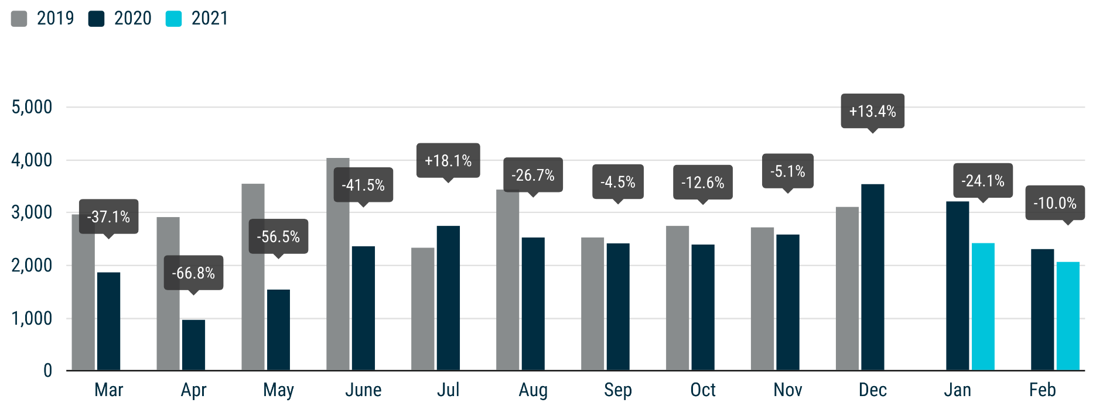

For further information, please contact: Francesca Piazza - Statistics Manager - E-mail: fp@acea.be
This information is available on the ACEA website: http://www.acea.be
 |  |  |  |  |  |  |  | Page 6 of 7

TOTAL
 |  | P R E S S R E L E A S E

 |  | PRESS EMBARGO FOR ALL DATA :
 |  | 8.00 AM (7.00 AM GMT), 24 March 2021

 |  | PROVISIONAL
 |  | EU+EFTA NEW REGISTRATION FIGURES BY COUNTRY
 |  | TOTAL NEW COMMERCIAL VEHICLES

 |  | February | February | % change | Jan-Feb | Jan-Feb | % change
 |  | 2021 | 2020 | 21/20 | 2021 | 2020 | 21/20
 | AUSTRIA | 4,370 | 3,906 | 11.9% | 7,500 | 7,316 | 2.5%
 | BELGIUM | 7,728 | 7,839 | -1.4% | 15,750 | 16,692 | -5.6%
 | BULGARIA | 644 | 757 | -14.9% | 1,384 | 1,546 | -10.5%
 | CROATIA | 972 | 816 | 19.1% | 1,570 | 1,573 | -0.2%
 | CYPRUS | 147 | 178 | -17.4% | 305 | 378 | -19.3%
 | CZECH REPUBLIC | 2,121 | 2,002 | 5.9% | 3,922 | 3,951 | -0.7%
 | DENMARK | 3,078 | 2,870 | 7.2% | 5,503 | 6,128 | -10.2%
 | ESTONIA | 405 | 367 | 10.4% | 919 | 934 | -1.6%
 | FINLAND | 1,254 | 1,346 | -6.8% | 2,914 | 3,019 | -3.5%
 | FRANCE | 41,197 | 43,493 | -5.3% | 80,263 | 80,453 | -0.2%
 | GERMANY | 27,593 | 28,115 | -1.9% | 51,568 | 57,026 | -9.6%
 | GREECE | 728 | 689 | 5.7% | 1,493 | 1,429 | 4.5%
 | HUNGARY | 2,323 | 2,207 | 5.3% | 4,447 | 4,399 | 1.1%
 | IRELAND | 3,530 | 2,457 | 43.7% | 8,892 | 8,460 | 5.1%
 | ITALY | 18,381 | 16,700 | 10.1% | 33,048 | 32,442 | 1.9%
 | LATVIA | 303 | 238 | 27.3% | 553 | 485 | 14.0%
 | LITHUANIA | 1,112 | 731 | 52.1% | 1,907 | 1,573 | 21.2%
 | LUXEMBOURG | 551 | 498 | 10.6% | 1,079 | 1,131 | -4.6%
 | NETHERLANDS | 7,232 | 6,712 | 7.7% | 15,603 | 15,437 | 1.1%
 | POLAND | 8,656 | 6,587 | 31.4% | 14,860 | 12,543 | 18.5%
 | PORTUGAL | 2,388 | 2,775 | -13.9% | 4,871 | 5,856 | -16.8%
 | ROMANIA | 1,607 | 1,601 | 0.4% | 3,150 | 3,264 | -3.5%
 | SLOVAKIA | 842 | 812 | 3.7% | 1,443 | 1,635 | -11.7%
 | SLOVENIA | 979 | 870 | 12.5% | 2,190 | 2,184 | 0.3%
 | SPAIN | 14,962 | 17,675 | -15.3% | 26,503 | 33,998 | -22.0%
 | SWEDEN | 3,341 | 2,400 | 39.2% | 6,014 | 4,068 | 47.8%
 | EUROPEAN UNION | 156,444 | 154,641 | 1.2% | 297,651 | 307,920 | -3.3%
 | EU14 | 136,333 | 137,475 | -0.8% | 261,001 | 273,455 | -4.6%
 | EU12 | 20,111 | 17,166 | 17.2% | 36,650 | 34,465 | 6.3%
 | ICELAND | 92 | 103 | -10.7% | 203 | 259 | -21.6%
 | NORWAY | 3,200 | 3,150 | 1.6% | 6,097 | 6,534 | -6.7%
 | SWITZERLAND | 2,638 | 2,679 | -1.5% | 5,242 | 5,404 | -3.0%
 | EFTA | 5,930 | 5,932 | -0.03% | 11,542 | 12,197 | -5.4%
 | UNITED KINGDOM | 19,883 | 17,056 | 16.6% | 47,070 | 44,612 | 5.5%
 | TOTAL (EU + EFTA + UK) | 182,257 | 177,629 | 2.6% | 356,263 | 364,729 | -2.3%
 | WESTERN EUROPE (EU14 + EFTA + UK) | 162,146 | 160,463 | 1.0% | 319,613 | 330,264 | -3.2%
 | SOURCE: NATIONAL AUTOMOBILE MANUFACTURERS' ASSOCIATIONS

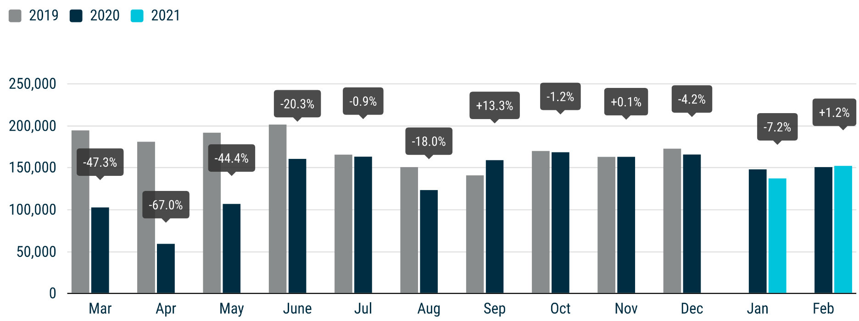

For further information, please contact: Francesca Piazza - Statistics Manager - E-mail: fp@acea.be
This information is available on the ACEA website: http://www.acea.be
 |  |  |  |  |  |  |  | Page 7 of 7

