By Market
 | P R E S S R E L E A S E

 | PRESS EMBARGO FOR ALL DATA:
 | 8.00 AM (6.00 AM GMT), 16 October 2020

 | PROVISIONAL
 | NEW PASSENGER CAR REGISTRATIONS BY MARKET
 | EUROPEAN UNION1 + EFTA + UK

 |  |  |  |  |  | 2020-10-16
 | September | September | %Change | Jan-Sep | Jan-Sep | %Change
 | 2020 | 2019 | 20/19 | 2020 | 2019 | 20/19
AUSTRIA | 22,162 | 21,047 | +5.3 | 180,639 | 258,272 | -30.1
BELGIUM | 36,083 | 35,720 | +1.0 | 333,607 | 439,254 | -24.1
BULGARIA | 1,823 | 2,522 | -27.7 | 17,029 | 26,894 | -36.7
CROATIA | 3,097 | 3,550 | -12.8 | 28,246 | 51,375 | -45.0
CYPRUS | 908 | 993 | -8.6 | 7,607 | 9,502 | -19.9
CZECH REPUBLIC | 16,909 | 15,770 | +7.2 | 148,319 | 191,110 | -22.4
DENMARK | 17,197 | 15,988 | +7.6 | 142,164 | 173,613 | -18.1
ESTONIA | 1,643 | 1,725 | -4.8 | 14,246 | 20,618 | -30.9
FINLAND | 8,424 | 8,439 | -0.2 | 73,403 | 87,933 | -16.5
FRANCE | 168,289 | 173,443 | -3.0 | 1,166,698 | 1,641,367 | -28.9
GERMANY | 265,227 | 244,622 | +8.4 | 2,041,831 | 2,740,158 | -25.5
GREECE | 7,107 | 5,899 | +20.5 | 60,046 | 92,772 | -35.3
HUNGARY | 11,449 | 9,655 | +18.6 | 90,091 | 115,098 | -21.7
IRELAND | 5,669 | 3,418 | +65.9 | 84,519 | 113,945 | -25.8
ITALY | 156,132 | 142,532 | +9.5 | 966,017 | 1,468,237 | -34.2
LATVIA | 1,229 | 1,283 | -4.2 | 10,410 | 14,110 | -26.2
LITHUANIA | 4,682 | 3,973 | +17.8 | 28,260 | 34,537 | -18.2
LUXEMBOURG | 4,073 | 3,308 | +23.1 | 34,046 | 43,038 | -20.9
NETHERLANDS | 29,434 | 37,706 | -21.9 | 248,632 | 330,749 | -24.8
POLAND | 38,147 | 35,325 | +8.0 | 295,101 | 410,829 | -28.2
PORTUGAL | 13,186 | 14,558 | -9.4 | 105,660 | 174,024 | -39.3
ROMANIA | 10,878 | 6,046 | +79.9 | 84,601 | 124,049 | -31.8
SLOVAKIA | 6,350 | 4,849 | +31.0 | 55,607 | 76,418 | -27.2
SLOVENIA | 4,441 | 5,322 | -16.6 | 43,232 | 57,408 | -24.7
SPAIN | 70,729 | 81,746 | -13.5 | 595,435 | 965,286 | -38.3
SWEDEN | 28,719 | 26,758 | +7.3 | 202,644 | 247,774 | -18.2
EUROPEAN UNION (EU) | 933,987 | 906,197 | +3.1 | 7,058,090 | 9,908,370 | -28.8
EU142 | 832,431 | 815,184 | +2.1 | 6,235,341 | 8,776,422 | -29.0
EU123 | 101,556 | 91,013 | +11.6 | 822,749 | 1,131,948 | -27.3
ICELAND | 1,014 | 717 | +41.4 | 7,268 | 9,833 | -26.1
NORWAY | 15,552 | 11,157 | +39.4 | 95,350 | 110,617 | -13.8
SWITZERLAND | 21,454 | 24,219 | -11.4 | 163,556 | 226,310 | -27.7
EFTA | 38,020 | 36,093 | +5.3 | 266,174 | 346,760 | -23.2
UNITED KINGDOM | 328,041 | 343,255 | -4.4 | 1,243,656 | 1,862,271 | -33.2
TOTAL (EU + EFTA + UK) | 1,300,048 | 1,285,545 | +1.1 | 8,567,920 | 12,117,401 | -29.3
WESTERN EUROPE (EU14 + EFTA + UK) | 1,198,492 | 1,194,532 | +0.3 | 7,745,171 | 10,985,453 | -29.5
SOURCE: NATIONAL AUTOMOBILE MANUFACTURERS' ASSOCIATIONS
1Data for Malta n.a. |  |  | 3Member States having joined the EU since 2004
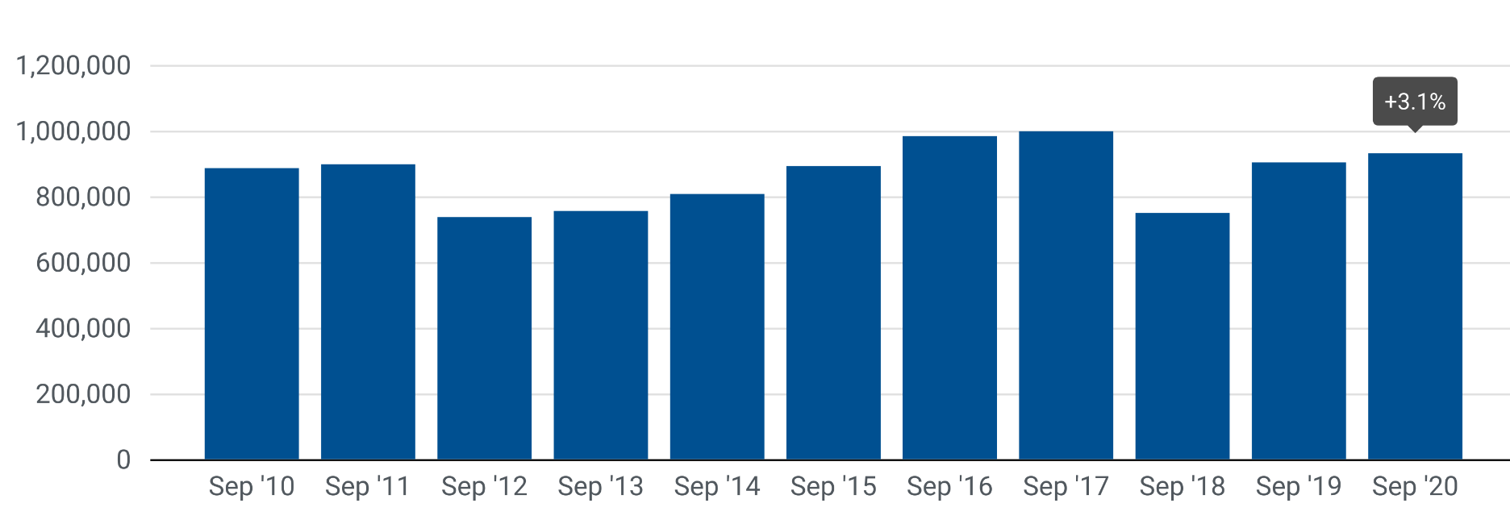
2Member States before the 2004 enlargement

Next press release: Wednesday 18 November 2020
This information is available on the ACEA website: http://www.acea.be
 |  |  |  |  |  | Page 2 of 5

