By Market
 | P R E S S R E L E A S E

 | PRESS EMBARGO FOR ALL DATA:
 | 8.00 AM (7.00 AM GMT), 17 December 2020

 | PROVISIONAL
 | NEW PASSENGER CAR REGISTRATIONS BY MARKET
 | EUROPEAN UNION1 + EFTA + UK

 |  |  |  |  |  | 2020-12-17
 | November | November | %Change | Jan-Nov | Jan-Nov | %Change
 | 2020 | 2019 | 20/19 | 2020 | 2019 | 20/19
AUSTRIA | 20,055 | 23,271 | -13.8 | 224,968 | 306,681 | -26.6
BELGIUM | 29,103 | 34,574 | -15.8 | 401,413 | 516,536 | -22.3
BULGARIA | 1,544 | 2,819 | -45.2 | 20,661 | 32,511 | -36.4
CROATIA | 2,646 | 3,458 | -23.5 | 33,953 | 58,914 | -42.4
CYPRUS | 1,021 | 921 | +10.9 | 9,402 | 11,382 | -17.4
CZECH REPUBLIC | 17,484 | 20,163 | -13.3 | 182,638 | 231,208 | -21.0
DENMARK | 18,168 | 18,109 | +0.3 | 175,394 | 210,088 | -16.5
ESTONIA | 1,504 | 2,028 | -25.8 | 17,285 | 24,703 | -30.0
FINLAND | 7,374 | 8,683 | -15.1 | 88,280 | 105,988 | -16.7
FRANCE | 126,047 | 172,731 | -27.0 | 1,463,795 | 2,003,085 | -26.9
GERMANY | 290,150 | 299,127 | -3.0 | 2,606,284 | 3,323,878 | -21.6
GREECE | 7,641 | 7,464 | +2.4 | 74,463 | 107,512 | -30.7
HUNGARY | 13,265 | 14,214 | -6.7 | 115,307 | 141,761 | -18.7
IRELAND | 913 | 761 | +20.0 | 87,723 | 116,885 | -24.9
ITALY | 138,405 | 151,001 | -8.3 | 1,261,802 | 1,776,501 | -29.0
LATVIA | 1,234 | 1,489 | -17.1 | 12,754 | 17,169 | -25.7
LITHUANIA | 4,306 | 4,320 | -0.3 | 35,987 | 42,932 | -16.2
LUXEMBOURG | 3,808 | 3,952 | -3.6 | 41,834 | 51,881 | -19.4
NETHERLANDS | 33,499 | 39,092 | -14.3 | 315,501 | 403,613 | -21.8
POLAND | 41,675 | 45,375 | -8.2 | 376,840 | 503,099 | -25.1
PORTUGAL | 11,826 | 16,400 | -27.9 | 131,165 | 206,073 | -36.4
ROMANIA | 13,253 | 13,091 | +1.2 | 110,377 | 147,789 | -25.3
SLOVAKIA | 6,927 | 8,000 | -13.4 | 69,228 | 93,854 | -26.2
SLOVENIA | 3,565 | 5,323 | -33.0 | 51,346 | 68,714 | -25.3
SPAIN | 75,708 | 93,155 | -18.7 | 745,369 | 1,152,395 | -35.3
SWEDEN | 26,571 | 30,502 | -12.9 | 257,362 | 307,907 | -16.4
EUROPEAN UNION (EU) | 897,692 | 1,020,023 | -12.0 | 8,911,131 | 11,963,059 | -25.5
EU142 | 789,268 | 898,822 | -12.2 | 7,875,353 | 10,589,023 | -25.6
EU123 | 108,424 | 121,201 | -10.5 | 1,035,778 | 1,374,036 | -24.6
ICELAND | 557 | 642 | -13.2 | 8,565 | 11,136 | -23.1
NORWAY | 12,533 | 10,031 | +24.9 | 120,838 | 131,127 | -7.8
SWITZERLAND | 22,846 | 24,228 | -5.7 | 207,377 | 276,641 | -25.0
EFTA | 35,936 | 34,901 | +3.0 | 336,780 | 418,904 | -19.6
UNITED KINGDOM | 113,781 | 156,621 | -27.4 | 1,498,382 | 2,162,143 | -30.7
TOTAL (EU + EFTA + UK) | 1,047,409 | 1,211,545 | -13.5 | 10,746,293 | 14,544,106 | -26.1
WESTERN EUROPE (EU14 + EFTA + UK) | 938,985 | 1,090,344 | -13.9 | 9,710,515 | 13,170,070 | -26.3
SOURCE: NATIONAL AUTOMOBILE MANUFACTURERS' ASSOCIATIONS
1Data for Malta n.a. |  |  | 3Member States having joined the EU since 2004
2Member States before the 2004 enlargement
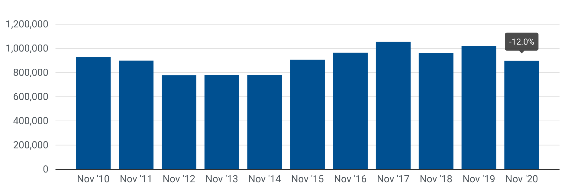

Next press release: Tuesday 19 January 2021
This information is available on the ACEA website: http://www.acea.be
 |  |  |  |  |  | Page 2 of 5

