LCV ≤3,5t (vans)
 |  | P R E S S R E L E A S E

 |  | PRESS EMBARGO FOR ALL DATA :
 |  | 8.00 AM (6.00 AM GMT), 23 July 2020

 |  | PROVISIONAL
 |  | EU+EFTA1 NEW REGISTRATION FIGURES BY COUNTRY
 |  | NEW LIGHT COMMERCIAL VEHICLES (LCV) UP TO 3.5T2

 |  | June | June | % change | Jan-Jun | Jan-Jun | % change
 |  | 2020 | 2019 | 20/19 | 2020 | 2019 | 20/19
 | AUSTRIA | 3,638 | 3,952 | -7.9% | 16,818 | 23,178 | -27.4%
 | BELGIUM | 7,769 | 7,164 | 8.4% | 34,136 | 43,721 | -21.9%
 | BULGARIA | 361 | 658 | -45.1% | 2,289 | 2,891 | -20.8%
 | CROATIA | 548 | 858 | -36.1% | 3,202 | 5,005 | -36.0%
 | CYPRUS | 143 | 154 | -7.1% | 791 | 981 | -19.4%
 | CZECH REPUBLIC | 1,486 | 1,753 | -15.2% | 7,402 | 10,221 | -27.6%
 | DENMARK | 2,333 | 2,830 | -17.6% | 13,994 | 17,211 | -18.7%
 | ESTONIA | 214 | 359 | -40.4% | 1,656 | 2,431 | -31.9%
 | FINLAND | 871 | 1,344 | -35.2% | 6,266 | 7,969 | -21.4%
 | FRANCE | 51,849 | 48,109 | 7.8% | 174,628 | 253,901 | -31.2%
 | GERMANY | 21,036 | 25,569 | -17.7% | 114,418 | 152,825 | -25.1%
 | GREECE | 740 | 747 | -0.9% | 3,164 | 3,962 | -20.1%
 | HUNGARY | 1,805 | 2,226 | -18.9% | 10,139 | 12,904 | -21.4%
 | IRELAND3 | 568 | 748 | -24.1% | 10,571 | 15,319 | -31.0%
 | ITALY4 | 16,000 | 16,893 | -5.3% | 61,562 | 96,024 | -35.9%
 | LATVIA | 152 | 229 | -33.6% | 968 | 1,345 | -28.0%
 | LITHUANIA | 281 | 400 | -29.8% | 1,560 | 2,601 | -40.0%
 | LUXEMBOURG | 459 | 445 | 3.1% | 2,009 | 2,722 | -26.2%
 | NETHERLANDS | 4,115 | 7,643 | -46.2% | 30,392 | 44,136 | -31.1%
 | POLAND | 5,127 | 5,967 | -14.1% | 24,622 | 35,060 | -29.8%
 | PORTUGAL | 2,347 | 3,666 | -36.0% | 11,622 | 19,015 | -38.9%
 | ROMANIA | 1,267 | 1,191 | 6.4% | 6,383 | 8,128 | -21.5%
 | SLOVAKIA | 516 | 794 | -35.0% | 2,893 | 4,228 | -31.6%
 | SLOVENIA | 666 | 831 | -19.9% | 3,736 | 5,936 | -37.1%
 | SPAIN | 16,268 | 20,276 | -19.8% | 62,989 | 115,924 | -45.7%
 | SWEDEN | 2,240 | 4,530 | -50.6% | 12,479 | 22,960 | -45.6%
 | EUROPEAN UNION | 142,799 | 159,336 | -10.4% | 620,689 | 910,598 | -31.8%
 | EU145 | 130,233 | 143,916 | -9.5% | 555,048 | 818,867 | -32.2%
 | EU126 | 12,566 | 15,420 | -18.5% | 65,641 | 91,731 | -28.4%
 | ICELAND | 81 | 100 | -19.0% | 535 | 769 | -30.4%
 | NORWAY | 2,557 | 3,505 | -27.0% | 15,082 | 19,547 | -22.8%
 | SWITZERLAND | 2,329 | 2,870 | -18.9% | 12,984 | 17,122 | -24.2%
 | EFTA | 4,967 | 6,475 | -23.3% | 28,601 | 37,438 | -23.6%
 | UNITED KINGDOM | 30,041 | 39,929 | -24.8% | 108,876 | 196,418 | -44.6%
 | TOTAL (EU + EFTA + UK) | 177,807 | 205,740 | -13.6% | 758,166 | 1,144,454 | -33.8%
 | WESTERN EUROPE (EU14 + EFTA + UK) | 165,241 | 190,320 | -13.2% | 692,525 | 1,052,723 | -34.2%
 | SOURCE: NATIONAL AUTOMOBILE MANUFACTURERS' ASSOCIATIONS
 | 1Malta not available | 3LCV ≤6t |  | 5Member states before the 2004 enlargement
 | 2Including light buses and coaches | 4ANFIA estimates |  | 6Member states having joined the EU since 2004
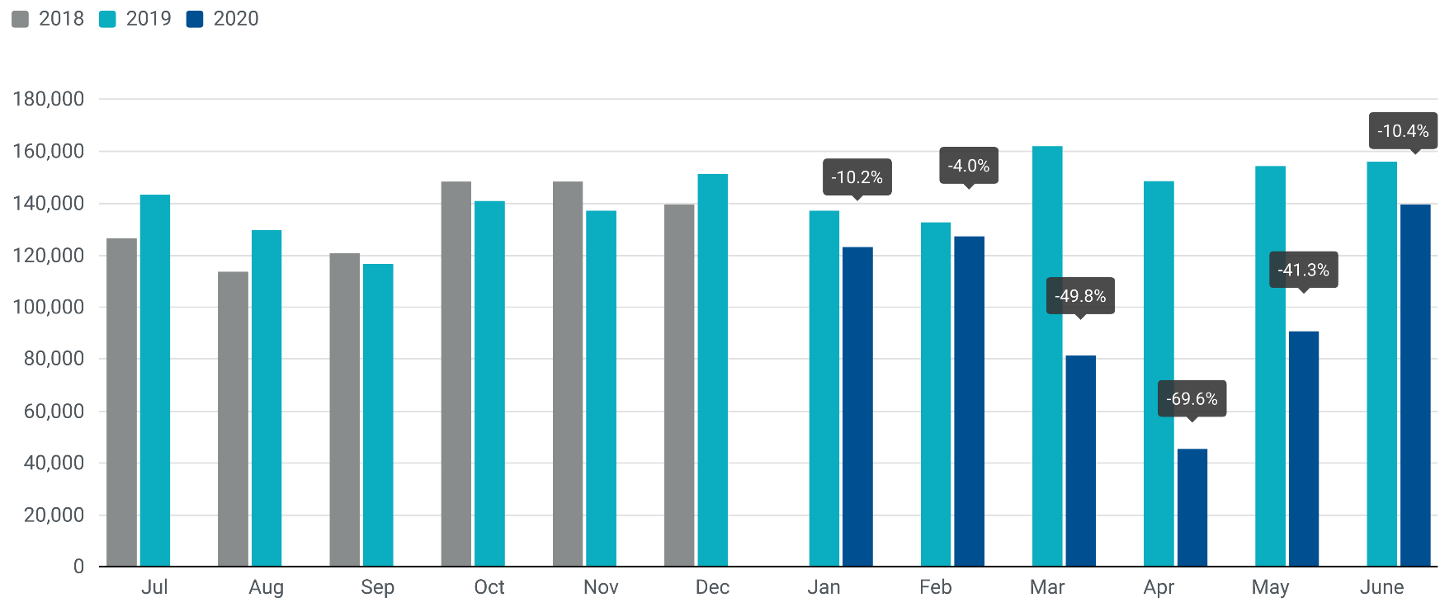

For further information, please contact: Francesca Piazza - Statistics Manager - E-mail: fp@acea.be
This information is available on the ACEA website: http://www.acea.be
Next press release on commercial vehicles to be issued on Thursday 24 September 2020
 |  |  |  |  |  |  | Page 3 of 7

HCV ≥16t (heavy trucks)
 |  | P R E S S R E L E A S E

 |  | PRESS EMBARGO FOR ALL DATA :
 |  | 8.00 AM (6.00 AM GMT), 23 July 2020

 |  | PROVISIONAL
 |  | EU+EFTA NEW REGISTRATION FIGURES BY COUNTRY
 |  | NEW HEAVY COMMERCIAL VEHICLES (HCV) OF 16T AND OVER1

 |  | June | June | % change | Jan-Jun | Jan-Jun | % change
 |  | 2020 | 2019 | 20/19 | 2020 | 2019 | 20/19
 | AUSTRIA | 443 | 1,415 | -68.7% | 2,784 | 5,230 | -46.8%
 | BELGIUM | 536 | 1,446 | -62.9% | 3,138 | 6,251 | -49.8%
 | BULGARIA | 161 | 327 | -50.8% | 918 | 2,071 | -55.7%
 | CROATIA | 54 | 175 | -69.1% | 335 | 696 | -51.9%
 | CYPRUS | 4 | 3 | 33.3% | 26 | 26 | 0.0%
 | CZECH REPUBLIC | 404 | 1,229 | -67.1% | 2,490 | 5,007 | -50.3%
 | DENMARK | 219 | 725 | -69.8% | 1,766 | 2,784 | -36.6%
 | ESTONIA | 28 | 146 | -80.8% | 253 | 685 | -63.1%
 | FINLAND | 148 | 526 | -71.9% | 1,224 | 1,803 | -32.1%
 | FRANCE | 4,119 | 6,426 | -35.9% | 17,325 | 29,165 | -40.6%
 | GERMANY | 3,793 | 8,913 | -57.4% | 23,948 | 40,819 | -41.3%
 | GREECE | 31 | 50 | -38.0% | 216 | 184 | 17.4%
 | HUNGARY | 202 | 663 | -69.5% | 1,231 | 3,135 | -60.7%
 | IRELAND2 | 52 | 231 | -77.5% | 922 | 1,232 | -25.2%
 | ITALY3 | 1,229 | 2,552 | -51.8% | 7,507 | 11,407 | -34.2%
 | LATVIA | 28 | 140 | -80.0% | 239 | 633 | -62.2%
 | LITHUANIA4 | 253 | 778 | -67.5% | 1,780 | 4,937 | -63.9%
 | LUXEMBOURG4 | 92 | 178 | -48.3% | 360 | 698 | -48.4%
 | NETHERLANDS | 587 | 1,818 | -67.7% | 5,113 | 9,213 | -44.5%
 | POLAND | 1,384 | 2,968 | -53.4% | 7,212 | 15,422 | -53.2%
 | PORTUGAL | 183 | 601 | -69.6% | 1,070 | 2,210 | -51.6%
 | ROMANIA | 363 | 600 | -39.5% | 1,770 | 3,762 | -53.0%
 | SLOVAKIA | 140 | 497 | -71.8% | 811 | 2,174 | -62.7%
 | SLOVENIA4 | 207 | 229 | -9.6% | 776 | 1,348 | -42.4%
 | SPAIN | 1,014 | 2,288 | -55.7% | 6,519 | 10,395 | -37.3%
 | SWEDEN | 368 | 1,169 | -68.5% | 2,545 | 4,045 | -37.1%
 | EUROPEAN UNION | 16,042 | 36,093 | -55.6% | 92,278 | 165,332 | -44.2%
 | EU14 | 12,814 | 28,338 | -54.8% | 74,437 | 125,436 | -40.7%
 | EU12 | 3,228 | 7,755 | -58.4% | 17,841 | 39,896 | -55.3%
 | ICELAND | 10 | 14 | -28.6% | 57 | 90 | -36.7%
 | NORWAY | 356 | 460 | -22.6% | 2,294 | 2,669 | -14.1%
 | SWITZERLAND | 242 | 613 | -60.5% | 1,557 | 2,240 | -30.5%
 | EFTA | 608 | 1,087 | -44.1% | 3,908 | 4,999 | -21.8%
 | UNITED KINGDOM4 | 1,486 | 6,247 | -76.2% | 11,396 | 24,317 | -53.1%
 | TOTAL (EU + EFTA + UK) | 18,136 | 43,427 | -58.2% | 107,582 | 194,648 | -44.7%
 | WESTERN EUROPE (EU14 + EFTA + UK) | 14,908 | 35,672 | -58.2% | 89,741 | 154,752 | -42.0%
 | SOURCE: NATIONAL AUTOMOBILE MANUFACTURERS' ASSOCIATIONS
 | 1Excluding heavy buses and coaches |  | 3ANFIA estimates based on vehicle registration certificates issued by the Italian Ministry of Transport
 | 2HCV ≥17t |  | 4Estimates
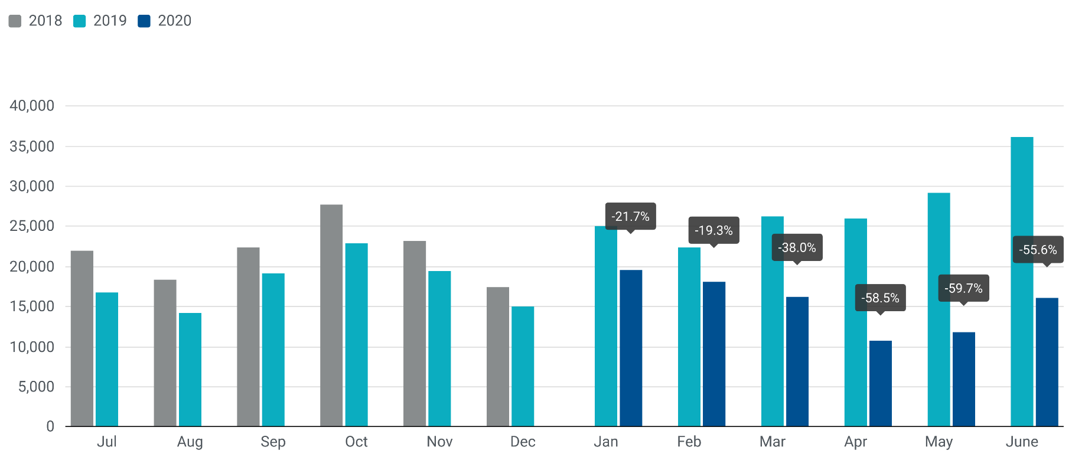

For further information, please contact: Francesca Piazza - Statistics Manager - E-mail: fp@acea.be
This information is available on the ACEA website: http://www.acea.be
 |  |  |  |  |  |  |  | Page 4 of 7

MHCV >3,5t (trucks)
 |  | P R E S S R E L E A S E

 |  | PRESS EMBARGO FOR ALL DATA :
 |  | 8.00 AM (6.00 AM GMT), 23 July 2020

 |  | PROVISIONAL
 |  | EU+EFTA NEW REGISTRATION FIGURES BY COUNTRY
 |  | NEW MEDIUM AND HEAVY COMMERCIAL VEHICLES (MHCV) OVER 3.5T1

 |  | June | June | % change | Jan-Jun | Jan-Jun | % change
 |  | 2020 | 2019 | 20/19 | 2020 | 2019 | 20/19
 | AUSTRIA | 462 | 1,511 | -69.4% | 2,876 | 5,503 | -47.7%
 | BELGIUM | 668 | 1,707 | -60.9% | 3,839 | 7,302 | -47.4%
 | BULGARIA | 168 | 347 | -51.6% | 960 | 2,130 | -54.9%
 | CROATIA | 64 | 239 | -73.2% | 436 | 904 | -51.8%
 | CYPRUS | 8 | 9 | -11.1% | 63 | 201 | -68.7%
 | CZECH REPUBLIC | 526 | 1,517 | -65.3% | 3,188 | 6,054 | -47.3%
 | DENMARK | 259 | 788 | -67.1% | 1,979 | 3,023 | -34.5%
 | ESTONIA | 30 | 158 | -81.0% | 283 | 724 | -60.9%
 | FINLAND | 239 | 642 | -62.8% | 1,771 | 2,414 | -26.6%
 | FRANCE | 4,799 | 7,246 | -33.8% | 20,090 | 33,170 | -39.4%
 | GERMANY | 5,527 | 12,663 | -56.4% | 35,197 | 57,228 | -38.5%
 | GREECE | 46 | 67 | -31.3% | 336 | 277 | 21.3%
 | HUNGARY | 222 | 791 | -71.9% | 1,393 | 3,454 | -59.7%
 | IRELAND | 66 | 264 | -75.0% | 1,106 | 1,472 | -24.9%
 | ITALY2 | 1,619 | 3,133 | -48.3% | 9,250 | 13,949 | -33.7%
 | LATVIA | 31 | 152 | -79.6% | 268 | 664 | -59.6%
 | LITHUANIA3 | 256 | 787 | -67.5% | 1,830 | 5,015 | -63.5%
 | LUXEMBOURG | 112 | 194 | -42.3% | 462 | 778 | -40.6%
 | NETHERLANDS | 684 | 2,079 | -67.1% | 5,863 | 10,151 | -42.2%
 | POLAND | 1,548 | 3,311 | -53.2% | 8,137 | 16,786 | -51.5%
 | PORTUGAL | 227 | 673 | -66.3% | 1,279 | 2,646 | -51.7%
 | ROMANIA | 386 | 626 | -38.3% | 1,880 | 3,911 | -51.9%
 | SLOVAKIA | 176 | 559 | -68.5% | 936 | 2,358 | -60.3%
 | SLOVENIA3 | 225 | 245 | -8.2% | 841 | 1,433 | -41.3%
 | SPAIN | 1,299 | 2,867 | -54.7% | 8,178 | 12,814 | -36.2%
 | SWEDEN | 417 | 1,301 | -67.9% | 2,783 | 4,442 | -37.3%
 | EUROPEAN UNION | 20,064 | 43,876 | -54.3% | 115,224 | 198,803 | -42.0%
 | EU14 | 16,424 | 35,135 | -53.3% | 95,009 | 155,169 | -38.8%
 | EU12 | 3,640 | 8,741 | -58.4% | 20,215 | 43,634 | -53.7%
 | ICELAND | 13 | 24 | -45.8% | 105 | 157 | -33.1%
 | NORWAY | 635 | 708 | -10.3% | 3,286 | 3,822 | -14.0%
 | SWITZERLAND | 303 | 718 | -57.8% | 1,869 | 2,636 | -29.1%
 | EFTA | 951 | 1,450 | -34.4% | 5,260 | 6,615 | -20.5%
 | UNITED KINGDOM3 | 2,117 | 8,522 | -75.2% | 16,077 | 33,145 | -51.5%
 | TOTAL (EU + EFTA + UK) | 23,132 | 53,848 | -57.0% | 136,561 | 238,563 | -42.8%
 | WESTERN EUROPE (EU14 + EFTA + UK) | 19,492 | 45,107 | -56.8% | 116,346 | 194,929 | -40.3%
 | SOURCE: NATIONAL AUTOMOBILE MANUFACTURERS' ASSOCIATIONS
 | 1Excluding buses and coaches over 3.5t
 | 2ANFIA estimates based on vehicle registration certificates issued by the Italian Ministry of Transport
 | 3Estimates
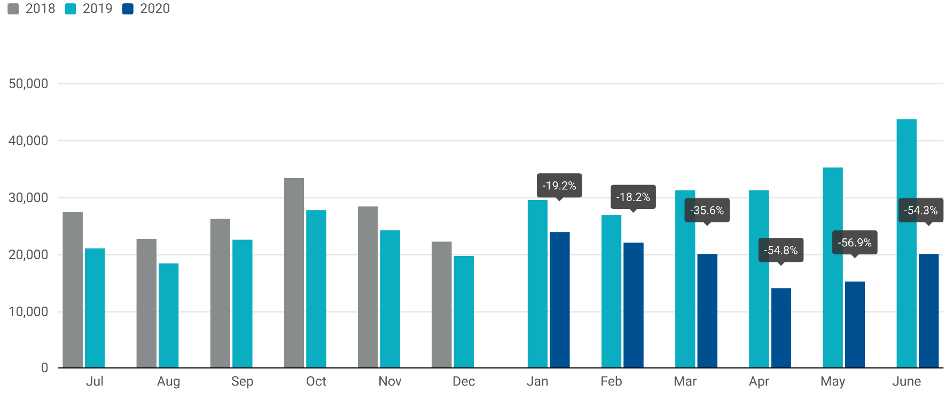

For further information, please contact: Francesca Piazza - Statistics Manager - E-mail: fp@acea.be
This information is available on the ACEA website: http://www.acea.be
 |  |  |  |  |  |  |  | Page 5 of 7

MHBC >3,5t
 |  | P R E S S R E L E A S E

 |  | PRESS EMBARGO FOR ALL DATA :
 |  | 8.00 AM (6.00 AM GMT), 23 July 2020

 |  | PROVISIONAL
 |  | EU+EFTA NEW REGISTRATION FIGURES BY COUNTRY
 |  | NEW MEDIUM AND HEAVY BUSES & COACHES (MHBC) OVER 3.5T

 |  | June | June | % change | Jan-Jun | Jan-Jun | % change
 |  | 2020 | 2019 | 20/19 | 2020 | 2019 | 20/19
 | AUSTRIA | 69 | 128 | -46.1% | 350 | 562 | -37.7%
 | BELGIUM | 107 | 202 | -47.0% | 414 | 763 | -45.7%
 | BULGARIA | 11 | 44 | -75.0% | 86 | 204 | -57.8%
 | CROATIA | 0 | 30 | -100.0% | 26 | 175 | -85.1%
 | CYPRUS | 96 | 3 | 3100.0% | 106 | 16 | 562.5%
 | CZECH REPUBLIC | 122 | 159 | -23.3% | 686 | 651 | 5.4%
 | DENMARK | 14 | 85 | -83.5% | 144 | 340 | -57.6%
 | ESTONIA | 0 | 79 | -100.0% | 76 | 155 | -51.0%
 | FINLAND | 13 | 61 | -78.7% | 114 | 184 | -38.0%
 | FRANCE | 602 | 672 | -10.4% | 2,324 | 2,865 | -18.9%
 | GERMANY | 455 | 636 | -28.5% | 2,627 | 3,253 | -19.2%
 | GREECE | 19 | 46 | -58.7% | 144 | 267 | -46.1%
 | HUNGARY | 25 | 29 | -13.8% | 307 | 340 | -9.7%
 | IRELAND | 35 | 51 | -31.4% | 98 | 329 | -70.2%
 | ITALY1 | 170 | 363 | -53.2% | 1,565 | 1,988 | -21.3%
 | LATVIA | 6 | 11 | -45.5% | 34 | 53 | -35.8%
 | LITHUANIA2 | 1 | 37 | -97.3% | 85 | 245 | -65.3%
 | LUXEMBOURG | 13 | 10 | 30.0% | 129 | 162 | -20.4%
 | NETHERLANDS | 19 | 98 | -80.6% | 281 | 401 | -29.9%
 | POLAND | 139 | 396 | -64.9% | 692 | 1,538 | -55.0%
 | PORTUGAL | 28 | 99 | -71.7% | 252 | 432 | -41.7%
 | ROMANIA | 62 | 197 | -68.5% | 294 | 1,470 | -80.0%
 | SLOVAKIA | 33 | 16 | 106.3% | 123 | 146 | -15.8%
 | SLOVENIA2 | 7 | 11 | -36.4% | 30 | 80 | -62.5%
 | SPAIN | 138 | 222 | -37.8% | 871 | 1,825 | -52.3%
 | SWEDEN | 236 | 449 | -47.4% | 650 | 836 | -22.2%
 | EUROPEAN UNION | 2,420 | 4,134 | -41.5% | 12,508 | 19,280 | -35.1%
 | EU14 | 1,918 | 3,122 | -38.6% | 9,963 | 14,207 | -29.9%
 | EU12 | 502 | 1,012 | -50.4% | 2,545 | 5,073 | -49.8%
 | ICELAND | 0 | 3 | -100.0% | 7 | 38 | -81.6%
 | NORWAY | 383 | 695 | -44.9% | 729 | 1,121 | -35.0%
 | SWITZERLAND | 42 | 62 | -32.3% | 200 | 280 | -28.6%
 | EFTA | 425 | 760 | -44.1% | 936 | 1,439 | -35.0%
 | UNITED KINGDOM2 | 175 | 606 | -71.1% | 2,078 | 3,167 | -34.4%
 | TOTAL (EU + EFTA + UK) | 3,020 | 5,500 | -45.1% | 15,522 | 23,886 | -35.0%
 | WESTERN EUROPE (EU14 + EFTA + UK) | 2,518 | 4,488 | -43.9% | 12,977 | 18,813 | -31.0%
 | SOURCE: NATIONAL AUTOMOBILE MANUFACTURERS' ASSOCIATIONS
 | 1ANFIA estimates based on vehicle registration certificates issued by the Italian Ministry of Transport
 | 2Estimates
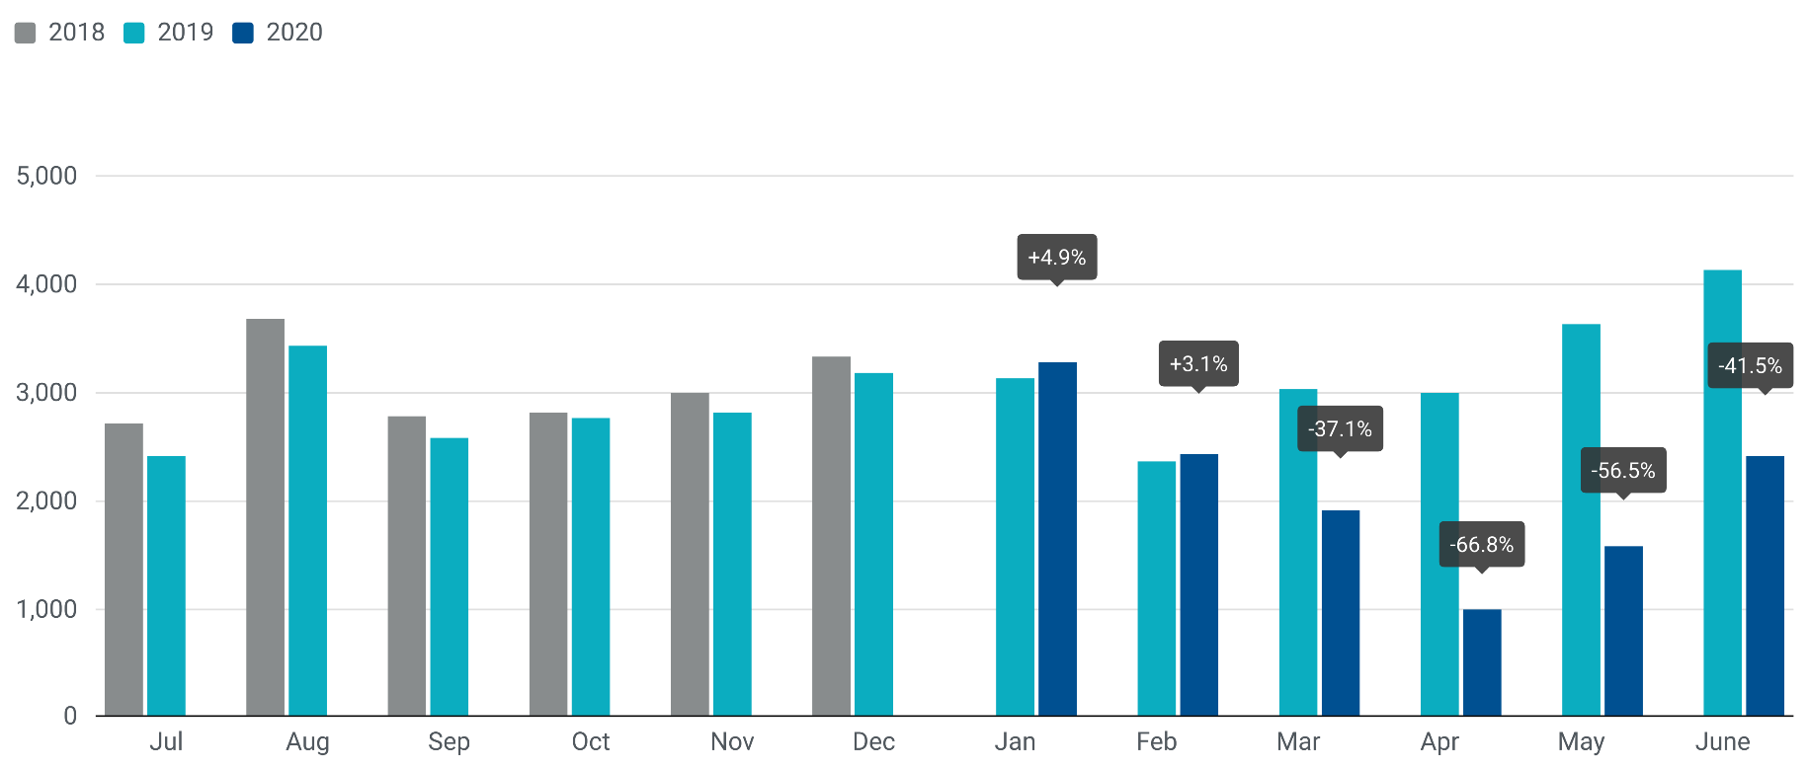

For further information, please contact: Francesca Piazza - Statistics Manager - E-mail: fp@acea.be
This information is available on the ACEA website: http://www.acea.be
 |  |  |  |  |  |  |  | Page 6 of 7

TOTAL
 |  | P R E S S R E L E A S E

 |  | PRESS EMBARGO FOR ALL DATA :
 |  | 8.00 AM (6.00 AM GMT), 23 July 2020

 |  | PROVISIONAL
 |  | EU+EFTA NEW REGISTRATION FIGURES BY COUNTRY
 |  | TOTAL NEW COMMERCIAL VEHICLES

 |  | June | June | % change | Jan-Jun | Jan-Jun | % change
 |  | 2020 | 2019 | 20/19 | 2020 | 2019 | 20/19
 | AUSTRIA | 4,169 | 5,591 | -25.4% | 20,044 | 29,243 | -31.5%
 | BELGIUM | 8,544 | 9,073 | -5.8% | 38,389 | 51,786 | -25.9%
 | BULGARIA | 540 | 1,049 | -48.5% | 3,335 | 5,225 | -36.2%
 | CROATIA | 612 | 1,127 | -45.7% | 3,664 | 6,084 | -39.8%
 | CYPRUS | 247 | 166 | 48.8% | 960 | 1,198 | -19.9%
 | CZECH REPUBLIC | 2,134 | 3,429 | -37.8% | 11,276 | 16,926 | -33.4%
 | DENMARK | 2,606 | 3,703 | -29.6% | 16,117 | 20,574 | -21.7%
 | ESTONIA | 244 | 596 | -59.1% | 2,015 | 3,310 | -39.1%
 | FINLAND | 1,123 | 2,047 | -45.1% | 8,151 | 10,567 | -22.9%
 | FRANCE | 57,250 | 56,027 | 2.2% | 197,042 | 289,936 | -32.0%
 | GERMANY | 27,018 | 38,868 | -30.5% | 152,242 | 213,306 | -28.6%
 | GREECE | 805 | 860 | -6.4% | 3,644 | 4,506 | -19.1%
 | HUNGARY | 2,052 | 3,046 | -32.6% | 11,839 | 16,698 | -29.1%
 | IRELAND | 669 | 1,063 | -37.1% | 11,775 | 17,120 | -31.2%
 | ITALY | 17,789 | 20,389 | -12.8% | 72,377 | 111,961 | -35.4%
 | LATVIA | 189 | 392 | -51.8% | 1,270 | 2,062 | -38.4%
 | LITHUANIA | 538 | 1,224 | -56.0% | 3,475 | 7,861 | -55.8%
 | LUXEMBOURG | 584 | 649 | -10.0% | 2,600 | 3,662 | -29.0%
 | NETHERLANDS | 4,818 | 9,820 | -50.9% | 36,536 | 54,688 | -33.2%
 | POLAND | 6,814 | 9,674 | -29.6% | 33,451 | 53,384 | -37.3%
 | PORTUGAL | 2,602 | 4,438 | -41.4% | 13,153 | 22,093 | -40.5%
 | ROMANIA | 1,715 | 2,014 | -14.8% | 8,557 | 13,509 | -36.7%
 | SLOVAKIA | 725 | 1,369 | -47.0% | 3,952 | 6,732 | -41.3%
 | SLOVENIA | 898 | 1,087 | -17.4% | 4,607 | 7,449 | -38.2%
 | SPAIN | 17,705 | 23,365 | -24.2% | 72,038 | 130,563 | -44.8%
 | SWEDEN | 2,893 | 6,280 | -53.9% | 15,912 | 28,238 | -43.7%
 | EUROPEAN UNION | 165,283 | 207,346 | -20.3% | 748,421 | 1,128,681 | -33.7%
 | EU14 | 148,575 | 182,173 | -18.4% | 660,020 | 988,243 | -33.2%
 | EU12 | 16,708 | 25,173 | -33.6% | 88,401 | 140,438 | -37.1%
 | ICELAND | 94 | 127 | -26.0% | 647 | 964 | -32.9%
 | NORWAY | 3,575 | 4,908 | -27.2% | 19,097 | 24,490 | -22.0%
 | SWITZERLAND | 2,674 | 3,650 | -26.7% | 15,053 | 20,038 | -24.9%
 | EFTA | 6,343 | 8,685 | -27.0% | 34,797 | 45,492 | -23.5%
 | UNITED KINGDOM | 32,333 | 49,057 | -34.1% | 127,031 | 232,730 | -45.4%
 | TOTAL (EU + EFTA + UK) | 203,959 | 265,088 | -23.1% | 910,249 | 1,406,903 | -35.3%
 | WESTERN EUROPE (EU14 + EFTA + UK) | 187,251 | 239,915 | -22.0% | 821,848 | 1,266,465 | -35.1%
 | SOURCE: NATIONAL AUTOMOBILE MANUFACTURERS' ASSOCIATIONS
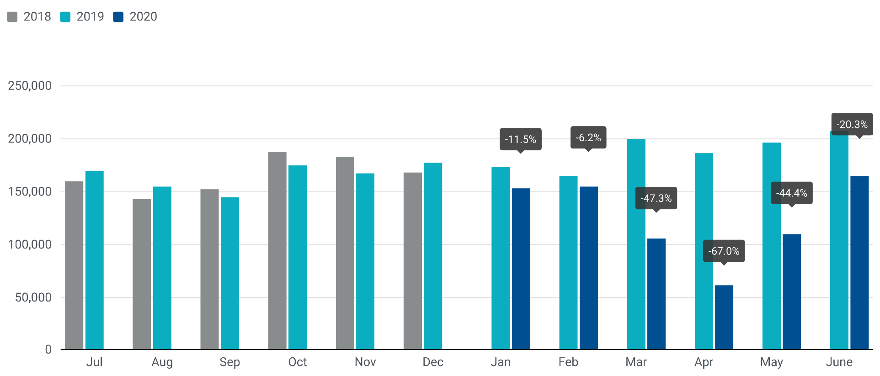

For further information, please contact: Francesca Piazza - Statistics Manager - E-mail: fp@acea.be
This information is available on the ACEA website: http://www.acea.be
 |  |  |  |  |  |  |  | Page 7 of 7

