Market
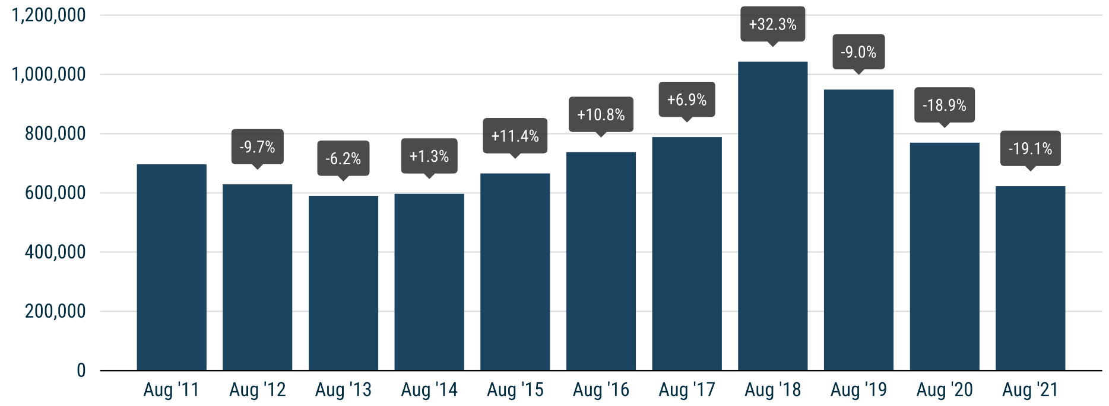
 | PRESS RELEASE

 | PRESS EMBARGO FOR ALL DATA
 | 8.00am CEST (6.00am GMT), 16 September 2021

 | NEW PASSENGER CAR REGISTRATIONS, BY MARKET
 | EUROPEAN UNION1 + EFTA + UK

 | AUGUST |  |  | JANUARY-AUGUST
 | Units |  | % change | Units |  | % change
 | 2021 | 2020 | 21/20 | 2021 | 2020 | 21/20
Austria | 17,719 | 20,906 | -15.2 | 172,017 | 158,477 | +8.5
Belgium | 27,026 | 36,387 | -25.7 | 287,013 | 297,524 | -3.5
Bulgaria | 1,905 | 1,918 | -0.7 | 17,594 | 15,206 | +15.7
Croatia | 2,815 | 2,600 | +8.3 | 34,387 | 25,149 | +36.7
Cyprus | 587 | 729 | -19.5 | 7,571 | 6,699 | +13.0
Czech Republic | 16,449 | 16,611 | -1.0 | 147,659 | 131,410 | +12.4
Denmark | 15,844 | 17,603 | -10.0 | 125,743 | 124,947 | +0.6
Estonia | 1,505 | 1,461 | +3.0 | 16,756 | 12,603 | +33.0
Finland | 7,904 | 8,488 | -6.9 | 72,124 | 64,984 | +11.0
France | 88,065 | 103,631 | -15.0 | 1,126,543 | 998,409 | +12.8
Germany | 193,307 | 251,044 | -23.0 | 1,820,589 | 1,776,604 | +2.5
Greece | 6,198 | 6,853 | -9.6 | 75,146 | 52,939 | +41.9
Hungary | 9,644 | 10,924 | -11.7 | 85,005 | 78,643 | +8.1
Ireland | 6,007 | 4,808 | +24.9 | 96,296 | 78,864 | +22.1
Italy | 64,689 | 88,973 | -27.3 | 1,060,182 | 809,978 | +30.9
Latvia | 1,272 | 1,113 | +14.3 | 10,516 | 9,181 | +14.5
Lithuania | 2,371 | 3,397 | -30.2 | 24,257 | 23,578 | +2.9
Luxembourg | 2,792 | 3,671 | -23.9 | 32,063 | 29,973 | +7.0
Netherlands | 21,877 | 26,461 | -17.3 | 211,569 | 219,068 | -3.4
Poland | 33,218 | 34,707 | -4.3 | 314,190 | 256,954 | +22.3
Portugal | 7,971 | 12,417 | -35.8 | 101,739 | 92,474 | +10.0
Romania | 16,129 | 11,157 | +44.6 | 78,791 | 73,722 | +6.9
Slovakia | 6,778 | 6,980 | -2.9 | 52,922 | 49,257 | +7.4
Slovenia | 3,529 | 4,355 | -19.0 | 38,971 | 38,779 | +0.5
Spain | 47,584 | 66,923 | -28.9 | 588,314 | 524,708 | +12.1
Sweden | 19,808 | 25,522 | -22.4 | 209,749 | 173,925 | +20.6
EUROPEAN UNION | 622,993 | 769,639 | -19.1 | 6,807,706 | 6,124,055 | +11.2
EU142 | 526,791 | 673,687 | -21.8 | 5,979,087 | 5,402,874 | +10.7
EU123 | 96,202 | 95,952 | +0.3 | 828,619 | 721,181 | +14.9
Iceland | 801 | 598 | +33.9 | 8,589 | 6,276 | +36.9
Norway | 16,427 | 10,802 | +52.1 | 110,864 | 79,798 | +38.9
Switzerland | 16,456 | 16,260 | +1.2 | 160,425 | 142,102 | +12.9
EFTA | 33,684 | 27,660 | +21.8 | 279,878 | 228,176 | +22.7
United Kingdom | 68,033 | 87,226 | -22.0 | 1,101,302 | 915,615 | +20.3
EU + EFTA + UK | 724,710 | 884,525 | -18.1 | 8,188,886 | 7,267,846 | +12.7
EU14 + EFTA + UK | 628,508 | 788,573 | -20.3 | 7,360,267 | 6,546,665 | +12.4
SOURCE: NATIONAL AUTOMOBILE MANUFACTURERS' ASSOCIATIONS |  |  |  |  |  | 1 Data for Malta na
 |  |  |  |  |  | 2 Member states before the 2004 enlargement
 |  |  |  |  |  | 3 Member states having joined the EU since 2004

