By Market
 |  | P R E S S R E L E A S E

 |  | PRESS EMBARGO FOR ALL DATA:
 |  | 8.00 AM (6.00 AM GMT), 16 April 2021

 |  | PROVISIONAL
 |  | NEW PASSENGER CAR REGISTRATIONS BY MARKET
 |  | EUROPEAN UNION1 + EFTA + UK

 |  |  |  |  |  |  | 2021-04-16
 |  | March | March | %Change | Jan-Mar | Jan-Mar | %Change
 |  | 2021 | 2020 | 21/20 | 2021 | 2020 | 21/20
 | AUSTRIA | 29,526 | 10,654 | +177.1 | 63,522 | 54,680 | +16.2
 | BELGIUM | 44,966 | 28,801 | +56.1 | 119,237 | 127,416 | -6.4
 | BULGARIA | 2,155 | 1,609 | +33.9 | 5,584 | 5,927 | -5.8
 | CROATIA | 4,149 | 2,716 | +52.8 | 10,468 | 10,001 | +4.7
 | CYPRUS | 964 | 742 | +29.9 | 2,699 | 2,941 | -8.2
 | CZECH REPUBLIC | 20,053 | 13,685 | +46.5 | 49,534 | 50,194 | -1.3
 | DENMARK | 23,736 | 15,178 | +56.4 | 43,900 | 48,847 | -10.1
 | ESTONIA | 2,116 | 1,685 | +25.6 | 5,728 | 5,647 | +1.4
 | FINLAND | 10,428 | 9,200 | +13.3 | 27,978 | 28,272 | -1.0
 | FRANCE | 182,774 | 62,668 | +191.7 | 441,791 | 364,679 | +21.1
 | GERMANY | 292,349 | 215,119 | +35.9 | 656,452 | 701,362 | -6.4
 | GREECE | 8,984 | 3,743 | +140.0 | 23,439 | 21,390 | +9.6
 | HUNGARY | 12,434 | 11,479 | +8.3 | 32,194 | 32,671 | -1.5
 | IRELAND | 9,230 | 6,007 | +53.7 | 48,139 | 49,795 | -3.3
 | ITALY | 169,684 | 28,415 | +497.2 | 446,978 | 347,406 | +28.7
 | LATVIA | 1,375 | 1,067 | +28.9 | 3,442 | 3,870 | -11.1
 | LITHUANIA | 3,073 | 2,236 | +37.4 | 7,614 | 10,728 | -29.0
 | LUXEMBOURG | 4,967 | 2,798 | +77.5 | 12,456 | 11,912 | +4.6
 | NETHERLANDS | 24,186 | 29,496 | -18.0 | 80,885 | 103,203 | -21.6
 | POLAND | 47,849 | 29,657 | +61.3 | 117,865 | 107,636 | +9.5
 | PORTUGAL | 12,699 | 10,596 | +19.8 | 31,039 | 45,282 | -31.5
 | ROMANIA | 7,861 | 6,654 | +18.1 | 20,762 | 27,979 | -25.8
 | SLOVAKIA | 6,542 | 5,013 | +30.5 | 15,402 | 18,996 | -18.9
 | SLOVENIA | 7,067 | 2,743 | +157.6 | 16,291 | 14,508 | +12.3
 | SPAIN | 85,819 | 37,643 | +128.0 | 186,061 | 218,703 | -14.9
 | SWEDEN | 47,460 | 27,649 | +71.7 | 90,870 | 66,141 | +37.4
 | EUROPEAN UNION (EU) | 1,062,446 | 567,253 | +87.3 | 2,560,330 | 2,480,186 | +3.2
 | EU142 | 946,808 | 487,967 | +94.0 | 2,272,747 | 2,189,088 | +3.8
 | EU123 | 115,638 | 79,286 | +45.8 | 287,583 | 291,098 | -1.2
 | ICELAND | 957 | 1,078 | -11.2 | 2,090 | 2,482 | -15.8
 | NORWAY | 15,321 | 12,451 | +23.1 | 36,309 | 32,358 | +12.2
 | SWITZERLAND | 25,236 | 17,556 | +43.7 | 56,497 | 55,452 | +1.9
 | EFTA | 41,514 | 31,085 | +33.5 | 94,896 | 90,292 | +5.1
 | UNITED KINGDOM | 283,964 | 254,684 | +11.5 | 425,525 | 483,557 | -12.0
 | TOTAL (EU + EFTA + UK) | 1,387,924 | 853,022 | +62.7 | 3,080,751 | 3,054,035 | +0.9
 | WESTERN EUROPE (EU14 + EFTA + UK) | 1,272,286 | 773,736 | +64.4 | 2,793,168 | 2,762,937 | +1.1
 | SOURCE: NATIONAL AUTOMOBILE MANUFACTURERS' ASSOCIATIONS |  |  |  |  |  | 1Data for Malta n.a.
 |  |  |  |  |  |  | 2Member States before the 2004 enlargement
 |  |  |  |  |  |  | 3Member States having joined the EU since 2004
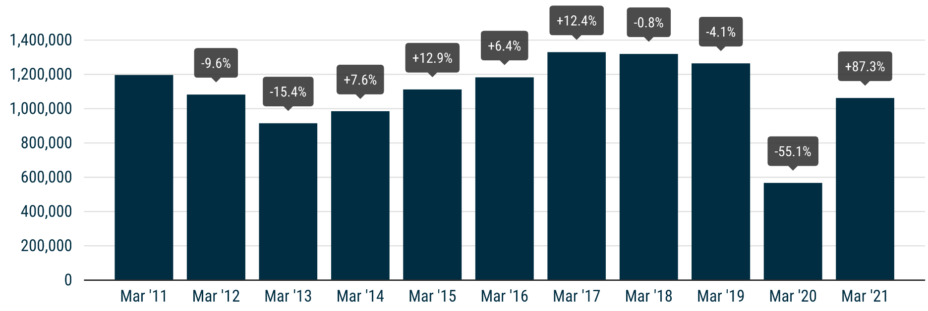

For further information, please contact: Francesca Piazza - Statistics Manager - E-mail: fp@acea.be
This information is available on the ACEA website: http://www.acea.be
 |  | Next press release: Wednesday 19 May 2021 |  |  |  |  | Page 2 of 5

