By Market
 | P R E S S R E L E A S E

 | PRESS EMBARGO FOR ALL DATA:
 | 8.00 AM (7.00 AM GMT), 17 February 2021

 | PROVISIONAL
 | NEW PASSENGER CAR REGISTRATIONS BY MARKET
 | EUROPEAN UNION1 + EFTA + UK

 |  |  |  |  |  | 2021-02-17
 | January | January | %Change | Jan-Jan | Jan-Jan | %Change
 | 2021 | 2020 | 21/20 | 2021 | 2020 | 21/20
AUSTRIA | 14,133 | 22,959 | -38.4 | 14,133 | 22,959 | -38.4
BELGIUM | 37,735 | 51,840 | -27.2 | 37,735 | 51,840 | -27.2
BULGARIA | 1,769 | 2,330 | -24.1 | 1,769 | 2,330 | -24.1
CROATIA | 2,898 | 3,709 | -21.9 | 2,898 | 3,709 | -21.9
CYPRUS | 841 | 1,166 | -27.9 | 841 | 1,166 | -27.9
CZECH REPUBLIC | 14,794 | 19,132 | -22.7 | 14,794 | 19,132 | -22.7
DENMARK | 10,256 | 18,666 | -45.1 | 10,256 | 18,666 | -45.1
ESTONIA | 1,982 | 2,271 | -12.7 | 1,982 | 2,271 | -12.7
FINLAND | 9,373 | 10,801 | -13.2 | 9,373 | 10,801 | -13.2
FRANCE | 126,380 | 134,229 | -5.8 | 126,380 | 134,229 | -5.8
GERMANY | 169,754 | 246,300 | -31.1 | 169,754 | 246,300 | -31.1
GREECE | 7,766 | 9,785 | -20.6 | 7,766 | 9,785 | -20.6
HUNGARY | 8,867 | 10,114 | -12.3 | 8,867 | 10,114 | -12.3
IRELAND | 25,157 | 30,650 | -17.9 | 25,157 | 30,650 | -17.9
ITALY | 134,001 | 155,867 | -14.0 | 134,001 | 155,867 | -14.0
LATVIA | 989 | 1,484 | -33.4 | 989 | 1,484 | -33.4
LITHUANIA | 2,306 | 4,238 | -45.6 | 2,306 | 4,238 | -45.6
LUXEMBOURG | 3,747 | 4,319 | -13.2 | 3,747 | 4,319 | -13.2
NETHERLANDS | 35,193 | 44,016 | -20.0 | 35,193 | 44,016 | -20.0
POLAND | 32,262 | 39,471 | -18.3 | 32,262 | 39,471 | -18.3
PORTUGAL | 10,029 | 14,423 | -30.5 | 10,029 | 14,423 | -30.5
ROMANIA | 6,004 | 12,489 | -51.9 | 6,004 | 12,489 | -51.9
SLOVAKIA | 3,325 | 6,733 | -50.6 | 3,325 | 6,733 | -50.6
SLOVENIA | 4,391 | 6,215 | -29.3 | 4,391 | 6,215 | -29.3
SPAIN | 41,966 | 86,442 | -51.5 | 41,966 | 86,442 | -51.5
SWEDEN | 20,573 | 16,798 | +22.5 | 20,573 | 16,798 | +22.5
EUROPEAN UNION (EU) | 726,491 | 956,447 | -24.0 | 726,491 | 956,447 | -24.0
EU142 | 646,063 | 847,095 | -23.7 | 646,063 | 847,095 | -23.7
EU123 | 80,428 | 109,352 | -26.5 | 80,428 | 109,352 | -26.5
ICELAND | 664 | 823 | -19.3 | 664 | 823 | -19.3
NORWAY | 10,301 | 9,561 | +7.7 | 10,301 | 9,561 | +7.7
SWITZERLAND | 15,130 | 18,788 | -19.5 | 15,130 | 18,788 | -19.5
EFTA | 26,095 | 29,172 | -10.5 | 26,095 | 29,172 | -10.5
UNITED KINGDOM | 90,249 | 149,279 | -39.5 | 90,249 | 149,279 | -39.5
TOTAL (EU + EFTA + UK) | 842,835 | 1,134,898 | -25.7 | 842,835 | 1,134,898 | -25.7
WESTERN EUROPE (EU14 + EFTA + UK) | 762,407 | 1,025,546 | -25.7 | 762,407 | 1,025,546 | -25.7
SOURCE: NATIONAL AUTOMOBILE MANUFACTURERS' ASSOCIATIONS
1Data for Malta n.a. |  |  | 3Member States having joined the EU since 2004
2Member States before the 2004 enlargement
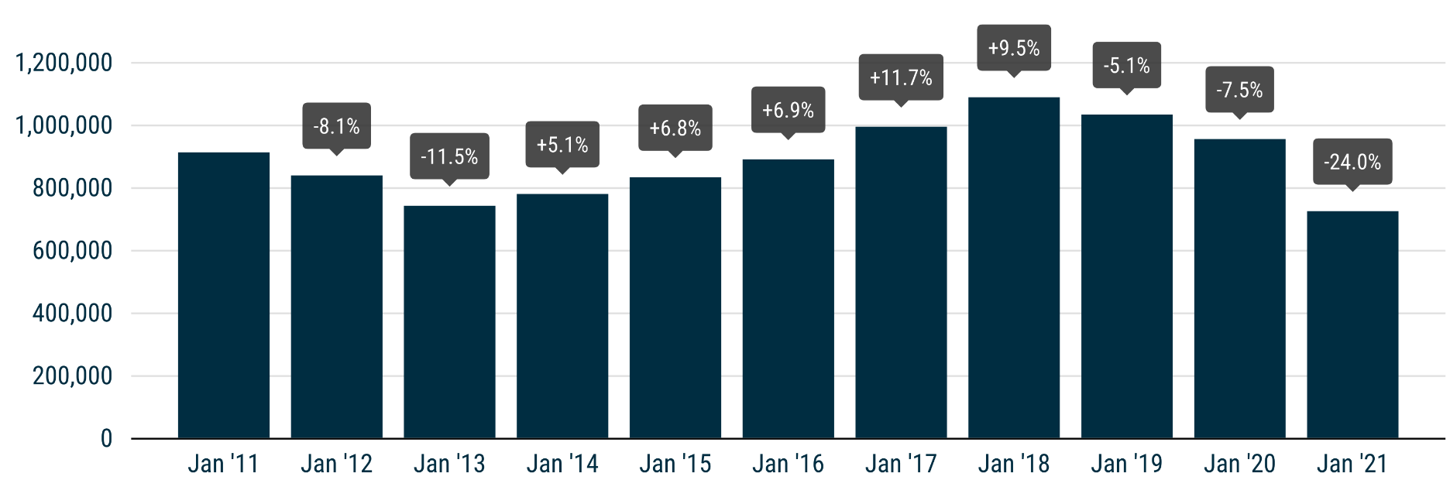

Next press release: Wednesday 17 March 2021
This information is available on the ACEA website: http://www.acea.be
 |  |  |  |  |  | Page 2 of 5

