By Market
 | P R E S S R E L E A S E

 | PRESS EMBARGO FOR ALL DATA:
 | 8.00 AM (7.00 AM GMT), 19 January 2021

 | PROVISIONAL
 | NEW PASSENGER CAR REGISTRATIONS BY MARKET
 | EUROPEAN UNION1 + EFTA + UK

 |  |  |  |  |  | 2021-01-19
 | December | December | %Change | Jan-Dec | Jan-Dec | %Change
 | 2020 | 2019 | 20/19 | 2020 | 2019 | 20/19
AUSTRIA | 23,772 | 22,682 | +4.8 | 248,740 | 329,363 | -24.5
BELGIUM | 30,078 | 33,467 | -10.1 | 431,491 | 550,003 | -21.5
BULGARIA | 1,707 | 2,860 | -40.3 | 22,368 | 35,371 | -36.8
CROATIA | 2,051 | 4,061 | -49.5 | 36,005 | 62,975 | -42.8
CYPRUS | 659 | 838 | -21.4 | 10,061 | 12,220 | -17.7
CZECH REPUBLIC | 20,333 | 18,707 | +8.7 | 202,971 | 249,915 | -18.8
DENMARK | 22,739 | 15,493 | +46.8 | 198,130 | 225,581 | -12.2
ESTONIA | 1,465 | 1,886 | -22.3 | 18,750 | 26,589 | -29.5
FINLAND | 8,132 | 8,215 | -1.0 | 96,415 | 114,203 | -15.6
FRANCE | 186,323 | 211,194 | -11.8 | 1,650,118 | 2,214,279 | -25.5
GERMANY | 311,394 | 283,380 | +9.9 | 2,917,678 | 3,607,258 | -19.1
GREECE | 6,443 | 6,597 | -2.3 | 80,977 | 114,109 | -29.0
HUNGARY | 12,713 | 16,139 | -21.2 | 128,021 | 157,900 | -18.9
IRELAND | 601 | 224 | +168.3 | 88,324 | 117,109 | -24.6
ITALY | 119,454 | 140,448 | -14.9 | 1,381,496 | 1,916,949 | -27.9
LATVIA | 1,110 | 1,523 | -27.1 | 13,864 | 18,692 | -25.8
LITHUANIA | 4,245 | 3,268 | +29.9 | 40,232 | 46,200 | -12.9
LUXEMBOURG | 3,355 | 3,127 | +7.3 | 45,189 | 55,008 | -17.9
NETHERLANDS | 42,829 | 41,604 | +2.9 | 358,330 | 445,217 | -19.5
POLAND | 51,507 | 52,499 | -1.9 | 428,347 | 555,598 | -22.9
PORTUGAL | 14,252 | 17,726 | -19.6 | 145,417 | 223,799 | -35.0
ROMANIA | 15,974 | 13,773 | +16.0 | 126,351 | 161,562 | -21.8
SLOVAKIA | 7,083 | 7,714 | -8.2 | 76,305 | 101,568 | -24.9
SLOVENIA | 2,348 | 4,479 | -47.6 | 53,694 | 73,193 | -26.6
SPAIN | 105,841 | 105,854 | -0.01 | 851,211 | 1,258,251 | -32.3
SWEDEN | 34,662 | 48,129 | -28.0 | 292,024 | 356,036 | -18.0
EUROPEAN UNION (EU) | 1,031,070 | 1,065,887 | -3.3 | 9,942,509 | 13,028,948 | -23.7
EU142 | 909,875 | 938,140 | -3.0 | 8,785,540 | 11,527,165 | -23.8
EU123 | 121,195 | 127,747 | -5.1 | 1,156,969 | 1,501,783 | -23.0
ICELAND | 804 | 587 | +37.0 | 9,369 | 11,723 | -20.1
NORWAY | 20,574 | 11,254 | +82.8 | 141,412 | 142,381 | -0.7
SWITZERLAND | 29,451 | 34,825 | -15.4 | 236,828 | 311,466 | -24.0
EFTA | 50,829 | 46,666 | +8.9 | 387,609 | 465,570 | -16.7
UNITED KINGDOM | 132,682 | 148,997 | -10.9 | 1,631,064 | 2,311,140 | -29.4
TOTAL (EU + EFTA + UK) | 1,214,581 | 1,261,550 | -3.7 | 11,961,182 | 15,805,658 | -24.3
WESTERN EUROPE (EU14 + EFTA + UK) | 1,093,386 | 1,133,803 | -3.6 | 10,804,213 | 14,303,875 | -24.5
SOURCE: NATIONAL AUTOMOBILE MANUFACTURERS' ASSOCIATIONS
1Data for Malta n.a. |  |  | 3Member States having joined the EU since 2004
2Member States before the 2004 enlargement
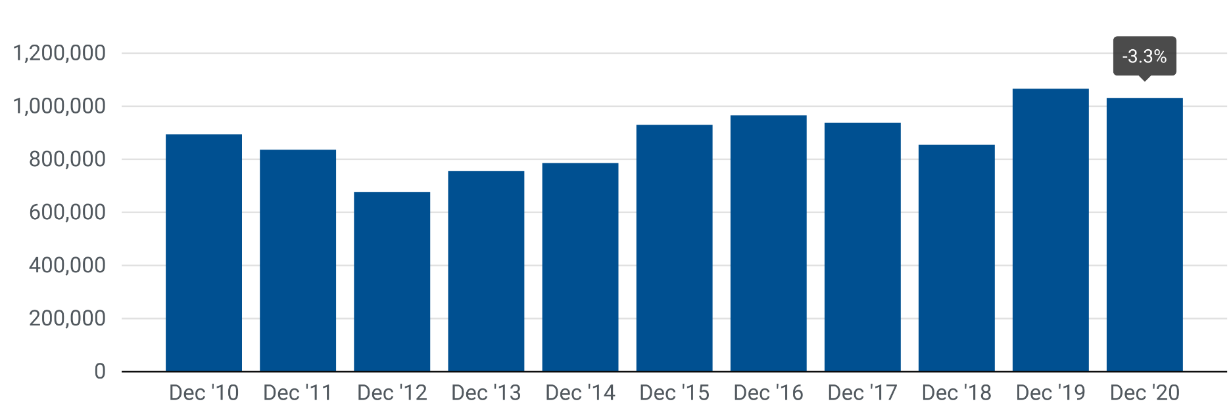

Next press release: Wednesday, 17 February 2021
This information is available on the ACEA website: http://www.acea.be
 |  |  |  |  |  | Page 2 of 5

