Market
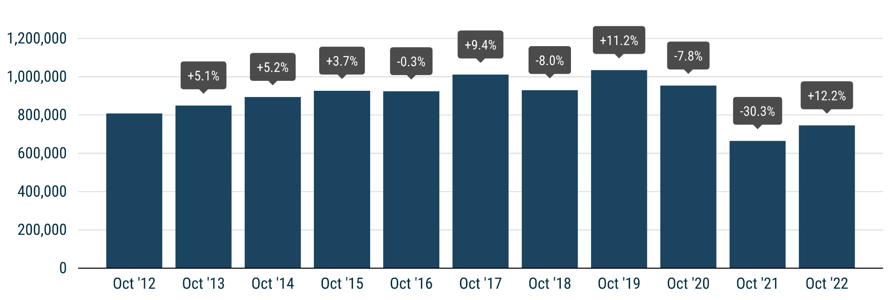
 | PRESS RELEASE

 | PRESS EMBARGO FOR ALL DATA
 | 8.00am CET (7.00am GMT), 17 November 2022

 | NEW PASSENGER CAR REGISTRATIONS, BY MARKET
 | EUROPEAN UNION1 + EFTA + UK

 | OCTOBER |  |  | JANUARY-OCTOBER
 | Units |  | % change | Units |  | % change
 | 2022 | 2021 | 22/21 | 2022 | 2021 | 22/21
Austria | 16,061 | 14,755 | +8.9 | 179,270 | 204,636 | -12.4
Belgium | 30,451 | 25,045 | +21.6 | 311,941 | 338,612 | -7.9
Bulgaria | 2,384 | 1,802 | +32.3 | 24,359 | 20,842 | +16.9
Croatia | 3,024 | 2,812 | +7.5 | 37,589 | 39,947 | -5.9
Cyprus | 824 | 814 | +1.2 | 9,895 | 9,403 | +5.2
Czech Republic | 16,283 | 12,670 | +28.5 | 160,126 | 174,494 | -8.2
Denmark | 10,852 | 12,663 | -14.3 | 119,957 | 152,598 | -21.4
Estonia | 1,672 | 1,339 | +24.9 | 17,853 | 19,872 | -10.2
Finland | 6,195 | 6,613 | -6.3 | 69,117 | 85,277 | -19.0
France | 124,981 | 118,519 | +5.5 | 1,237,048 | 1,378,892 | -10.3
Germany | 208,642 | 178,683 | +16.8 | 2,076,527 | 2,196,244 | -5.5
Greece | 7,791 | 6,335 | +23.0 | 90,727 | 88,091 | +3.0
Hungary | 8,260 | 9,130 | -9.5 | 94,027 | 103,683 | -9.3
Ireland | 2,622 | 2,680 | -2.2 | 104,054 | 103,425 | +0.6
Italy | 115,827 | 101,103 | +14.6 | 1,091,894 | 1,266,795 | -13.8
Latvia2 | 1,408 | 874 | +61.1 | 14,049 | 12,488 | +12.5
Lithuania | 1,709 | 1,555 | +9.9 | 22,315 | 27,908 | -20.0
Luxembourg | 3,465 | 2,952 | +17.4 | 35,538 | 37,963 | -6.4
Netherlands | 28,992 | 24,081 | +20.4 | 253,764 | 259,870 | -2.3
Poland | 32,001 | 31,259 | +2.4 | 348,681 | 378,534 | -7.9
Portugal | 12,560 | 10,576 | +18.8 | 126,322 | 123,101 | +2.6
Romania | 10,541 | 9,608 | +9.7 | 105,817 | 97,870 | +8.1
Slovakia | 7,528 | 5,767 | +30.5 | 65,634 | 64,486 | +1.8
Slovenia | 3,433 | 4,221 | -18.7 | 40,191 | 47,319 | -15.1
Spain | 65,966 | 59,043 | +11.7 | 666,247 | 706,997 | -5.8
Sweden | 22,383 | 19,962 | +12.1 | 227,023 | 252,345 | -10.0
EUROPEAN UNION | 745,855 | 664,861 | +12.2 | 7,529,965 | 8,191,692 | -8.1
EU143 | 656,788 | 583,010 | +12.7 | 6,589,429 | 7,194,846 | -8.4
EU124 | 89,067 | 81,851 | +8.8 | 940,536 | 996,846 | -5.6
Iceland | 811 | 740 | +9.6 | 13,873 | 10,543 | +31.6
Norway | 12,558 | 11,579 | +8.5 | 115,319 | 140,435 | -17.9
Switzerland | 17,185 | 15,060 | +14.1 | 179,791 | 195,133 | -7.9
EFTA | 30,554 | 27,379 | +11.6 | 308,983 | 346,111 | -10.7
United Kingdom | 134,344 | 106,265 | +26.4 | 1,342,712 | 1,422,879 | -5.6
EU + EFTA + UK | 910,753 | 798,505 | +14.1 | 9,181,660 | 9,960,682 | -7.8
EU14 + EFTA + UK | 821,686 | 716,654 | +14.7 | 8,241,124 | 8,963,836 | -8.1
SOURCE: NATIONAL AUTOMOBILE MANUFACTURERS' ASSOCIATIONS |  |  |  |  |  | 1 Data for Malta na
 |  |  |  |  |  | 2 Estimates
 |  |  |  |  |  | 3 Member states before the 2004 enlargement
 |  |  |  |  |  | 4 Member states having joined the EU since 2004

