Market
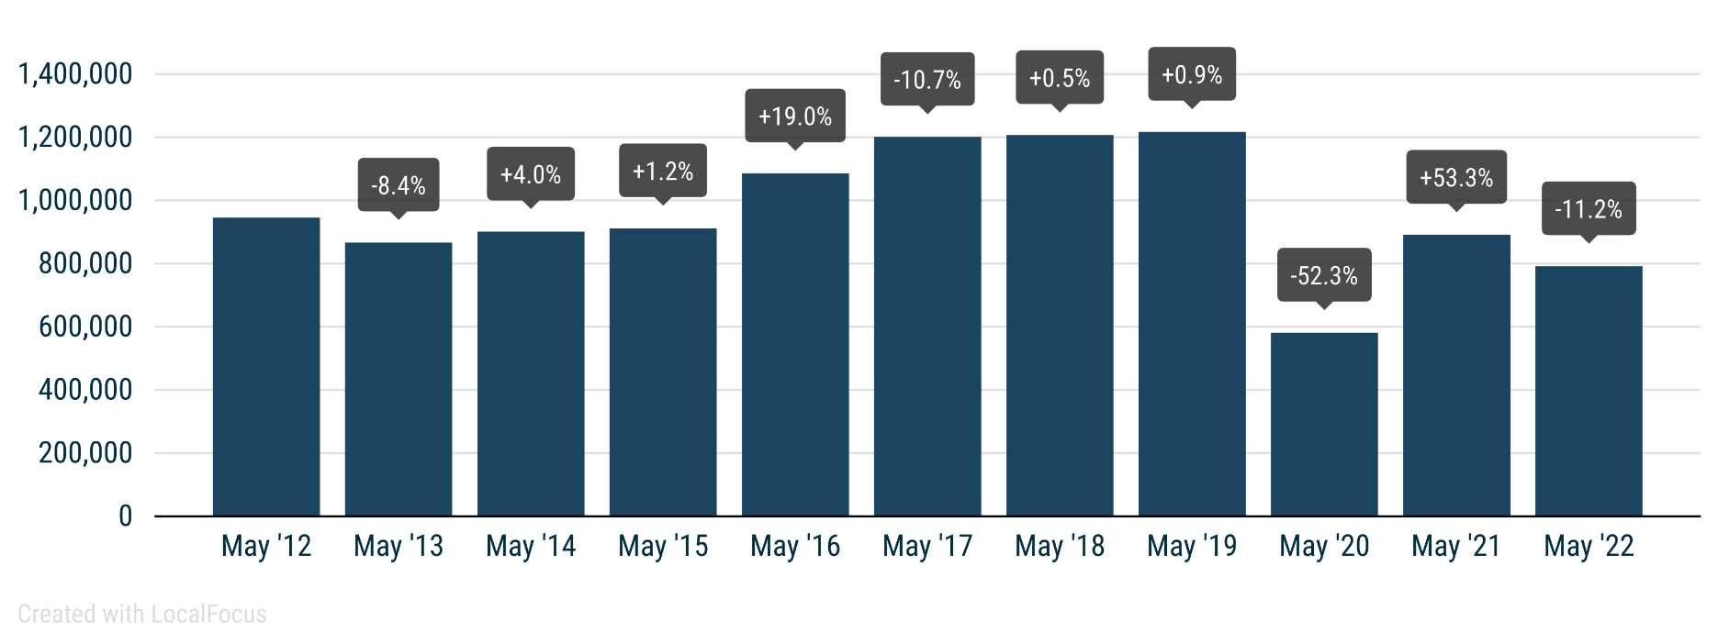
 | PRESS RELEASE

 | PRESS EMBARGO FOR ALL DATA
 | 8.00am CET (6.00am GMT), 16 June 2022

 | NEW PASSENGER CAR REGISTRATIONS, BY MARKET
 | EUROPEAN UNION1 + EFTA + UK

 | MAY |  |  | JANUARY-MAY
 | Units |  | % change | Units |  | % change
 | 2022 | 2021 | 22/21 | 2022 | 2021 | 22/21
Austria | 17,107 | 22,503 | -24.0 | 85,846 | 108,321 | -20.7
Belgium | 29,025 | 34,836 | -16.7 | 160,573 | 191,265 | -16.0
Bulgaria | 2,690 | 1,989 | +35.2 | 11,721 | 9,973 | +17.5
Croatia | 4,055 | 4,467 | -9.2 | 17,948 | 19,088 | -6.0
Cyprus | 1,304 | 1,028 | +26.8 | 5,110 | 4,699 | +8.7
Czech Republic | 18,073 | 21,734 | -16.8 | 80,178 | 90,244 | -11.2
Denmark | 13,502 | 16,821 | -19.7 | 58,741 | 76,225 | -22.9
Estonia | 2,174 | 2,206 | -1.5 | 9,143 | 10,329 | -11.5
Finland | 7,941 | 9,965 | -20.3 | 36,105 | 46,790 | -22.8
France | 126,809 | 141,040 | -10.1 | 600,893 | 723,257 | -16.9
Germany | 207,199 | 230,635 | -10.2 | 1,013,417 | 1,116,737 | -9.3
Greece | 11,991 | 10,850 | +10.5 | 43,707 | 44,487 | -1.8
Hungary | 10,141 | 10,698 | -5.2 | 47,919 | 53,450 | -10.3
Ireland | 5,286 | 5,914 | -10.6 | 63,028 | 61,091 | +3.2
Italy | 121,299 | 142,932 | -15.1 | 556,974 | 735,420 | -24.3
Latvia | 1,612 | 1,377 | +17.1 | 6,586 | 6,213 | +6.0
Lithuania | 2,630 | 3,937 | -33.2 | 11,484 | 15,206 | -24.5
Luxembourg | 3,534 | 4,033 | -12.4 | 18,222 | 20,816 | -12.5
Netherlands | 23,507 | 25,394 | -7.4 | 123,811 | 129,825 | -4.6
Poland | 35,897 | 40,860 | -12.1 | 172,820 | 198,874 | -13.1
Portugal | 12,748 | 16,661 | -23.5 | 59,939 | 62,509 | -4.1
Romania | 10,198 | 8,221 | +24.0 | 47,645 | 35,845 | +32.9
Slovakia | 6,650 | 8,037 | -17.3 | 31,929 | 30,226 | +5.6
Slovenia | 4,784 | 5,261 | -9.1 | 21,454 | 25,833 | -17.0
Spain | 84,977 | 95,399 | -10.9 | 318,487 | 360,048 | -11.5
Sweden | 26,413 | 24,327 | +8.6 | 118,094 | 137,068 | -13.8
EUROPEAN UNION | 791,546 | 891,125 | -11.2 | 3,721,774 | 4,313,839 | -13.7
EU142 | 691,338 | 781,310 | -11.5 | 3,257,837 | 3,813,859 | -14.6
EU123 | 100,208 | 109,815 | -8.7 | 463,937 | 499,980 | -7.2
Iceland | 2,222 | 1,339 | +65.9 | 6,776 | 4,206 | +61.1
Norway | 11,537 | 14,063 | -18.0 | 53,604 | 63,538 | -15.6
Switzerland | 18,450 | 19,991 | -7.7 | 88,323 | 98,542 | -10.4
EFTA | 32,209 | 35,393 | -9.0 | 148,703 | 166,286 | -10.6
United Kingdom | 124,394 | 156,737 | -20.6 | 661,121 | 723,845 | -8.7
EU + EFTA + UK | 948,149 | 1,083,255 | -12.5 | 4,531,598 | 5,203,970 | -12.9
EU14 + EFTA + UK | 847,941 | 973,440 | -12.9 | 4,067,661 | 4,703,990 | -13.5
SOURCE: NATIONAL AUTOMOBILE MANUFACTURERS' ASSOCIATIONS |  |  |  |  |  | 1 Data for Malta na
 |  |  |  |  |  | 2 Member states before the 2004 enlargement
 |  |  |  |  |  | 3 Member states having joined the EU since 2004

