HCV ≥16t (heavy trucks)
 |  | P R E S S R E L E A S E

 |  | PRESS EMBARGO FOR ALL DATA :
 |  | 8.00 AM (7.00 AM GMT), 24 February 2021

 |  | PROVISIONAL
 |  | EU+EFTA NEW REGISTRATION FIGURES BY COUNTRY
 |  | NEW HEAVY COMMERCIAL VEHICLES (HCV) OF 16T AND OVER1

 |  | January | January | % change | Jan-Jan | Jan-Jan | % change
 |  | 2021 | 2020 | 21/20 | 2021 | 2020 | 21/20
 | AUSTRIA | 427 | 451 | -5.3% | 427 | 451 | -5.3%
 | BELGIUM | 667 | 751 | -11.2% | 667 | 751 | -11.2%
 | BULGARIA | 286 | 313 | -8.6% | 286 | 313 | -8.6%
 | CROATIA | 65 | 91 | -28.6% | 65 | 91 | -28.6%
 | CYPRUS | 10 | 7 | 42.9% | 10 | 7 | 42.9%
 | CZECH REPUBLIC | 425 | 496 | -14.3% | 425 | 496 | -14.3%
 | DENMARK | 328 | 391 | -16.1% | 328 | 391 | -16.1%
 | ESTONIA | 86 | 91 | -5.5% | 86 | 91 | -5.5%
 | FINLAND | 235 | 263 | -10.6% | 235 | 263 | -10.6%
 | FRANCE | 3,264 | 3,539 | -7.8% | 3,264 | 3,539 | -7.8%
 | GERMANY | 4,402 | 4,646 | -5.3% | 4,402 | 4,646 | -5.3%
 | GREECE | 24 | 45 | -46.7% | 24 | 45 | -46.7%
 | HUNGARY | 297 | 226 | 31.4% | 297 | 226 | 31.4%
 | IRELAND2 | 276 | 295 | -6.4% | 276 | 295 | -6.4%
 | ITALY3 | 1,920 | 1,766 | 8.7% | 1,920 | 1,766 | 8.7%
 | LATVIA | 113 | 57 | 98.2% | 113 | 57 | 98.2%
 | LITHUANIA4 | 712 | 449 | 58.6% | 712 | 449 | 58.6%
 | LUXEMBOURG4 | 73 | 80 | -8.8% | 73 | 80 | -8.8%
 | NETHERLANDS | 1,204 | 1,352 | -10.9% | 1,204 | 1,352 | -10.9%
 | POLAND | 1,351 | 1,232 | 9.7% | 1,351 | 1,232 | 9.7%
 | PORTUGAL | 299 | 341 | -12.3% | 299 | 341 | -12.3%
 | ROMANIA | 346 | 372 | -7.0% | 346 | 372 | -7.0%
 | SLOVAKIA | 191 | 211 | -9.5% | 191 | 211 | -9.5%
 | SLOVENIA | 205 | 216 | -5.1% | 205 | 216 | -5.1%
 | SPAIN | 1,635 | 1,788 | -8.6% | 1,635 | 1,788 | -8.6%
 | SWEDEN | 386 | 420 | -8.1% | 386 | 420 | -8.1%
 | EUROPEAN UNION | 19,227 | 19,889 | -3.3% | 19,227 | 19,889 | -3.3%
 | EU14 | 15,140 | 16,128 | -6.1% | 15,140 | 16,128 | -6.1%
 | EU12 | 4,087 | 3,761 | 8.7% | 4,087 | 3,761 | 8.7%
 | ICELAND | 9 | 10 | -10.0% | 9 | 10 | -10.0%
 | NORWAY | 440 | 473 | -7.0% | 440 | 473 | -7.0%
 | SWITZERLAND | 210 | 297 | -29.3% | 210 | 297 | -29.3%
 | EFTA | 659 | 780 | -15.5% | 659 | 780 | -15.5%
 | UNITED KINGDOM4 | 2,195 | 2,569 | -14.6% | 2,195 | 2,569 | -14.6%
 | TOTAL (EU + EFTA + UK) | 22,081 | 23,238 | -5.0% | 22,081 | 23,238 | -5.0%
 | WESTERN EUROPE (EU14 + EFTA + UK) | 17,994 | 19,477 | -7.6% | 17,994 | 19,477 | -7.6%
 | SOURCE: NATIONAL AUTOMOBILE MANUFACTURERS' ASSOCIATIONS
 | 1Excluding heavy buses and coaches |  | 3ANFIA estimates based on vehicle registration certificates issued by the Italian Ministry of Transport
 | 2HCV ≥17t |  | 4Estimates

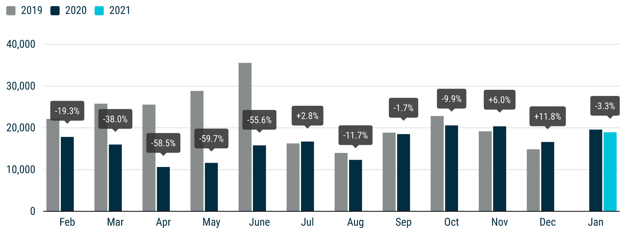

For further information, please contact: Francesca Piazza - Statistics Manager - E-mail: fp@acea.be
This information is available on the ACEA website: http://www.acea.be
 |  |  |  |  |  |  |  | Page 4 of 7

MHCV >3,5t (trucks)
 |  | P R E S S R E L E A S E

 |  | PRESS EMBARGO FOR ALL DATA :
 |  | 8.00 AM (7.00 AM GMT), 24 February 2021

 |  | PROVISIONAL
 |  | EU+EFTA NEW REGISTRATION FIGURES BY COUNTRY
 |  | NEW MEDIUM AND HEAVY COMMERCIAL VEHICLES (MHCV) OVER 3.5T1

 |  | January | January | % change | Jan-Jan | Jan-Jan | % change
 |  | 2021 | 2020 | 21/20 | 2021 | 2020 | 21/20
 | AUSTRIA | 455 | 482 | -5.6% | 455 | 482 | -5.6%
 | BELGIUM | 775 | 924 | -16.1% | 775 | 924 | -16.1%
 | BULGARIA | 301 | 319 | -5.6% | 301 | 319 | -5.6%
 | CROATIA | 71 | 101 | -29.7% | 71 | 101 | -29.7%
 | CYPRUS | 15 | 19 | -21.1% | 15 | 19 | -21.1%
 | CZECH REPUBLIC | 495 | 603 | -17.9% | 495 | 603 | -17.9%
 | DENMARK | 360 | 420 | -14.3% | 360 | 420 | -14.3%
 | ESTONIA | 92 | 98 | -6.1% | 92 | 98 | -6.1%
 | FINLAND | 345 | 365 | -5.5% | 345 | 365 | -5.5%
 | FRANCE | 3,822 | 4,021 | -4.9% | 3,822 | 4,021 | -4.9%
 | GERMANY | 5,967 | 6,742 | -11.5% | 5,967 | 6,742 | -11.5%
 | GREECE | 39 | 60 | -35.0% | 39 | 60 | -35.0%
 | HUNGARY | 313 | 254 | 23.2% | 313 | 254 | 23.2%
 | IRELAND | 310 | 334 | -7.2% | 310 | 334 | -7.2%
 | ITALY2 | 2,259 | 2,082 | 8.5% | 2,259 | 2,082 | 8.5%
 | LATVIA | 118 | 62 | 90.3% | 118 | 62 | 90.3%
 | LITHUANIA3 | 730 | 473 | 54.3% | 730 | 473 | 54.3%
 | LUXEMBOURG | 85 | 101 | -15.8% | 85 | 101 | -15.8%
 | NETHERLANDS | 1,353 | 1,514 | -10.6% | 1,353 | 1,514 | -10.6%
 | POLAND | 1,485 | 1,382 | 7.5% | 1,485 | 1,382 | 7.5%
 | PORTUGAL | 343 | 385 | -10.9% | 343 | 385 | -10.9%
 | ROMANIA | 355 | 381 | -6.8% | 355 | 381 | -6.8%
 | SLOVAKIA | 196 | 238 | -17.6% | 196 | 238 | -17.6%
 | SLOVENIA | 222 | 241 | -7.9% | 222 | 241 | -7.9%
 | SPAIN | 1,867 | 2,140 | -12.8% | 1,867 | 2,140 | -12.8%
 | SWEDEN | 422 | 457 | -7.7% | 422 | 457 | -7.7%
 | EUROPEAN UNION | 22,795 | 24,198 | -5.8% | 22,795 | 24,198 | -5.8%
 | EU14 | 18,402 | 20,027 | -8.1% | 18,402 | 20,027 | -8.1%
 | EU12 | 4,393 | 4,171 | 5.3% | 4,393 | 4,171 | 5.3%
 | ICELAND | 14 | 25 | -44.0% | 14 | 25 | -44.0%
 | NORWAY | 508 | 571 | -11.0% | 508 | 571 | -11.0%
 | SWITZERLAND | 259 | 350 | -26.0% | 259 | 350 | -26.0%
 | EFTA | 781 | 946 | -17.4% | 781 | 946 | -17.4%
 | UNITED KINGDOM3 | 2,893 | 3,545 | -18.4% | 2,893 | 3,545 | -18.4%
 | TOTAL (EU + EFTA + UK) | 26,469 | 28,689 | -7.7% | 26,469 | 28,689 | -7.7%
 | WESTERN EUROPE (EU14 + EFTA + UK) | 22,076 | 24,518 | -10.0% | 22,076 | 24,518 | -10.0%
 | SOURCE: NATIONAL AUTOMOBILE MANUFACTURERS' ASSOCIATIONS
 | 1Excluding buses and coaches over 3.5t
 | 2ANFIA estimates based on vehicle registration certificates issued by the Italian Ministry of Transport
 | 3Estimates
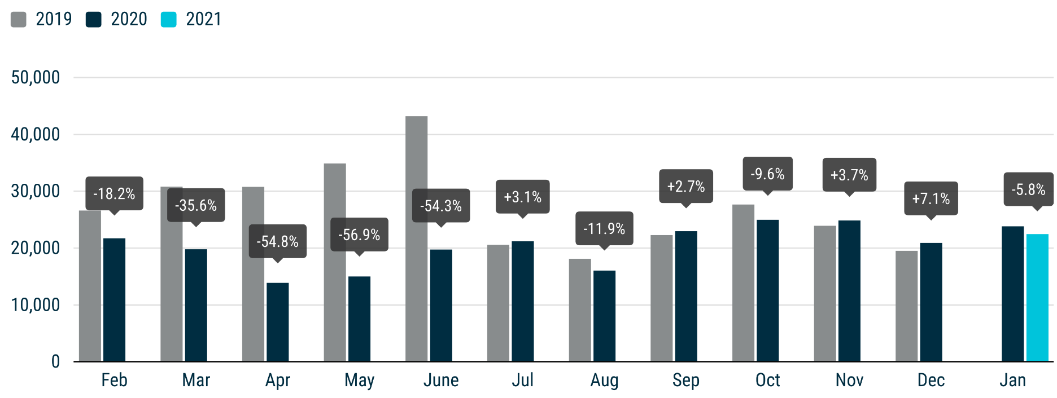

For further information, please contact: Francesca Piazza - Statistics Manager - E-mail: fp@acea.be
This information is available on the ACEA website: http://www.acea.be
 |  |  |  |  |  |  |  | Page 5 of 7

MHBC >3,5t
 |  | P R E S S R E L E A S E

 |  | PRESS EMBARGO FOR ALL DATA :
 |  | 8.00 AM (7.00 AM GMT), 24 February 2021

 |  | PROVISIONAL
 |  | EU+EFTA NEW REGISTRATION FIGURES BY COUNTRY
 |  | NEW MEDIUM AND HEAVY BUSES & COACHES (MHBC) OVER 3.5T

 |  | January | January | % change | Jan-Jan | Jan-Jan | % change
 |  | 2021 | 2020 | 21/20 | 2021 | 2020 | 21/20
 | AUSTRIA | 95 | 56 | 69.6% | 95 | 56 | 69.6%
 | BELGIUM | 65 | 115 | -43.5% | 65 | 115 | -43.5%
 | BULGARIA | 1 | 30 | -96.7% | 1 | 30 | -96.7%
 | CROATIA | 0 | 12 | -100.0% | 0 | 12 | -100.0%
 | CYPRUS | 2 | 2 | 0.0% | 2 | 2 | 0.0%
 | CZECH REPUBLIC | 138 | 91 | 51.6% | 138 | 91 | 51.6%
 | DENMARK | 0 | 41 | -100.0% | 0 | 41 | -100.0%
 | ESTONIA | 32 | 43 | -25.6% | 32 | 43 | -25.6%
 | FINLAND | 12 | 34 | -64.7% | 12 | 34 | -64.7%
 | FRANCE | 555 | 639 | -13.1% | 555 | 639 | -13.1%
 | GERMANY | 458 | 630 | -27.3% | 458 | 630 | -27.3%
 | GREECE | 26 | 50 | -48.0% | 26 | 50 | -48.0%
 | HUNGARY | 39 | 160 | -75.6% | 39 | 160 | -75.6%
 | IRELAND | 29 | 22 | 31.8% | 29 | 22 | 31.8%
 | ITALY1 | 433 | 451 | -4.0% | 433 | 451 | -4.0%
 | LATVIA | 14 | 13 | 7.7% | 14 | 13 | 7.7%
 | LITHUANIA2 | 35 | 32 | 9.4% | 35 | 32 | 9.4%
 | LUXEMBOURG | 42 | 77 | -45.5% | 42 | 77 | -45.5%
 | NETHERLANDS | 30 | 62 | -51.6% | 30 | 62 | -51.6%
 | POLAND | 93 | 157 | -40.8% | 93 | 157 | -40.8%
 | PORTUGAL | 42 | 101 | -58.4% | 42 | 101 | -58.4%
 | ROMANIA | 60 | 56 | 7.1% | 60 | 56 | 7.1%
 | SLOVAKIA | 26 | 45 | -42.2% | 26 | 45 | -42.2%
 | SLOVENIA | 35 | 10 | 250.0% | 35 | 10 | 250.0%
 | SPAIN | 126 | 315 | -60.0% | 126 | 315 | -60.0%
 | SWEDEN | 102 | 38 | 168.4% | 102 | 38 | 168.4%
 | EUROPEAN UNION | 2,490 | 3,282 | -24.1% | 2,490 | 3,282 | -24.1%
 | EU14 | 2,015 | 2,631 | -23.4% | 2,015 | 2,631 | -23.4%
 | EU12 | 475 | 651 | -27.0% | 475 | 651 | -27.0%
 | ICELAND | 1 | 4 | -75.0% | 1 | 4 | -75.0%
 | NORWAY | 45 | 97 | -53.6% | 45 | 97 | -53.6%
 | SWITZERLAND | 58 | 57 | 1.8% | 58 | 57 | 1.8%
 | EFTA | 104 | 158 | -34.2% | 104 | 158 | -34.2%
 | UNITED KINGDOM2 | 191 | 454 | -57.9% | 191 | 454 | -57.9%
 | TOTAL (EU + EFTA + UK) | 2,785 | 3,894 | -28.5% | 2,785 | 3,894 | -28.5%
 | WESTERN EUROPE (EU14 + EFTA + UK) | 2,310 | 3,243 | -28.8% | 2,310 | 3,243 | -28.8%
 | SOURCE: NATIONAL AUTOMOBILE MANUFACTURERS' ASSOCIATIONS
 | 1ANFIA estimates based on vehicle registration certificates issued by the Italian Ministry of Transport
 | 2Estimates
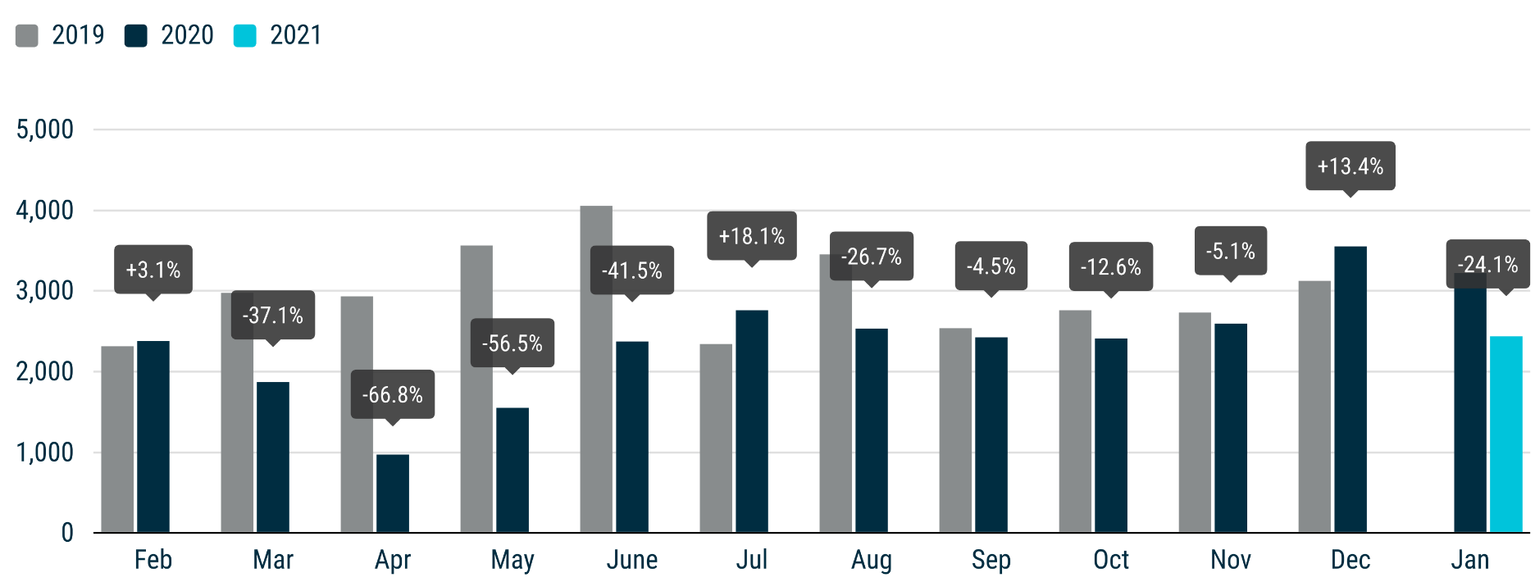

For further information, please contact: Francesca Piazza - Statistics Manager - E-mail: fp@acea.be
This information is available on the ACEA website: http://www.acea.be
 |  |  |  |  |  |  |  | Page 6 of 7

TOTAL
 |  | P R E S S R E L E A S E

 |  | PRESS EMBARGO FOR ALL DATA :
 |  | 8.00 AM (7.00 AM GMT), 24 February 2021

 |  | PROVISIONAL
 |  | EU+EFTA NEW REGISTRATION FIGURES BY COUNTRY
 |  | TOTAL NEW COMMERCIAL VEHICLES

 |  | January | January | % change | Jan-Jan | Jan-Jan | % change
 |  | 2021 | 2020 | 21/20 | 2021 | 2020 | 21/20
 | AUSTRIA | 3,130 | 3,419 | -8.5% | 3,130 | 3,419 | -8.5%
 | BELGIUM | 8,022 | 8,853 | -9.4% | 8,022 | 8,853 | -9.4%
 | BULGARIA | 740 | 789 | -6.2% | 740 | 789 | -6.2%
 | CROATIA | 598 | 757 | -21.0% | 598 | 757 | -21.0%
 | CYPRUS | 158 | 200 | -21.0% | 158 | 200 | -21.0%
 | CZECH REPUBLIC | 1,801 | 1,949 | -7.6% | 1,801 | 1,949 | -7.6%
 | DENMARK | 2,426 | 3,258 | -25.5% | 2,426 | 3,258 | -25.5%
 | ESTONIA | 514 | 567 | -9.3% | 514 | 567 | -9.3%
 | FINLAND | 1,660 | 1,673 | -0.8% | 1,660 | 1,673 | -0.8%
 | FRANCE | 39,066 | 36,960 | 5.7% | 39,066 | 36,960 | 5.7%
 | GERMANY | 23,975 | 28,911 | -17.1% | 23,975 | 28,911 | -17.1%
 | GREECE | 765 | 740 | 3.4% | 765 | 740 | 3.4%
 | HUNGARY | 2,124 | 2,192 | -3.1% | 2,124 | 2,192 | -3.1%
 | IRELAND | 5,364 | 6,003 | -10.6% | 5,364 | 6,003 | -10.6%
 | ITALY | 14,692 | 15,742 | -6.7% | 14,692 | 15,742 | -6.7%
 | LATVIA | 276 | 247 | 11.7% | 276 | 247 | 11.7%
 | LITHUANIA | 992 | 867 | 14.4% | 992 | 867 | 14.4%
 | LUXEMBOURG | 528 | 633 | -16.6% | 528 | 633 | -16.6%
 | NETHERLANDS | 8,376 | 8,721 | -4.0% | 8,376 | 8,721 | -4.0%
 | POLAND | 6,204 | 5,956 | 4.2% | 6,204 | 5,956 | 4.2%
 | PORTUGAL | 2,483 | 3,081 | -19.4% | 2,483 | 3,081 | -19.4%
 | ROMANIA | 1,543 | 1,663 | -7.2% | 1,543 | 1,663 | -7.2%
 | SLOVAKIA | 601 | 823 | -27.0% | 601 | 823 | -27.0%
 | SLOVENIA | 1,211 | 502 | 141.2% | 1,211 | 502 | 141.2%
 | SPAIN | 11,540 | 16,323 | -29.3% | 11,540 | 16,323 | -29.3%
 | SWEDEN | 2,673 | 1,668 | 60.3% | 2,673 | 1,668 | 60.3%
 | EUROPEAN UNION | 141,462 | 152,497 | -7.2% | 141,462 | 152,497 | -7.2%
 | EU14 | 124,700 | 135,985 | -8.3% | 124,700 | 135,985 | -8.3%
 | EU12 | 16,762 | 16,512 | 1.5% | 16,762 | 16,512 | 1.5%
 | ICELAND | 102 | 158 | -35.4% | 102 | 158 | -35.4%
 | NORWAY | 2,897 | 3,384 | -14.4% | 2,897 | 3,384 | -14.4%
 | SWITZERLAND | 2,604 | 2,725 | -4.4% | 2,604 | 2,725 | -4.4%
 | EFTA | 5,603 | 6,267 | -10.6% | 5,603 | 6,267 | -10.6%
 | UNITED KINGDOM | 27,113 | 27,556 | -1.6% | 27,113 | 27,556 | -1.6%
 | TOTAL (EU + EFTA + UK) | 174,178 | 186,320 | -6.5% | 174,178 | 186,320 | -6.5%
 | WESTERN EUROPE (EU14 + EFTA + UK) | 157,416 | 169,808 | -7.3% | 157,416 | 169,808 | -7.3%
 | SOURCE: NATIONAL AUTOMOBILE MANUFACTURERS' ASSOCIATIONS

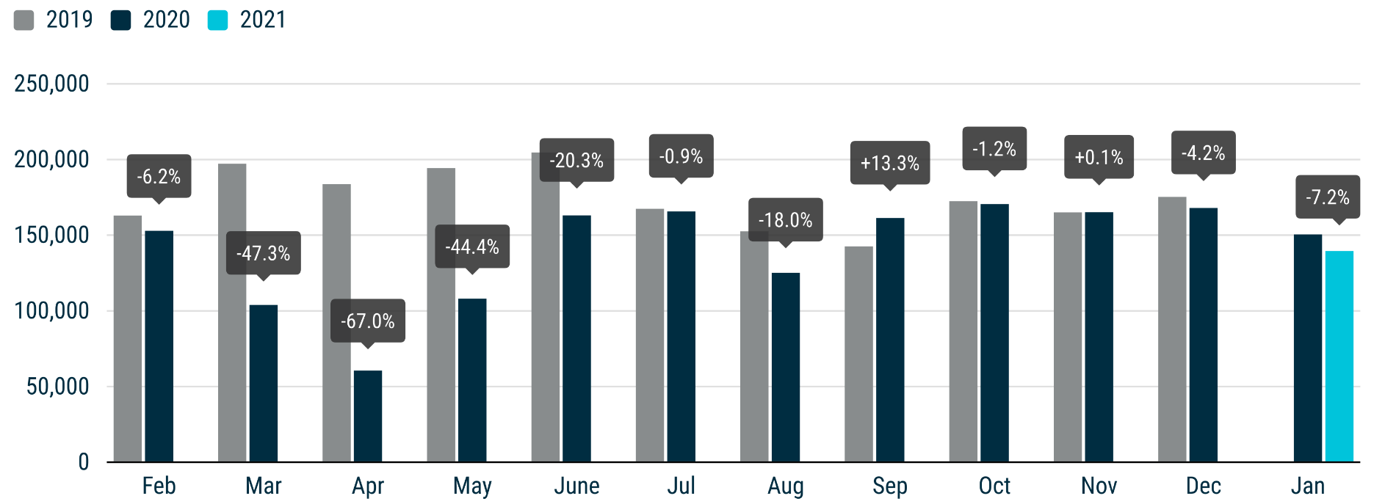

For further information, please contact: Francesca Piazza - Statistics Manager - E-mail: fp@acea.be
This information is available on the ACEA website: http://www.acea.be
 |  |  |  |  |  |  |  | Page 7 of 7

