Market
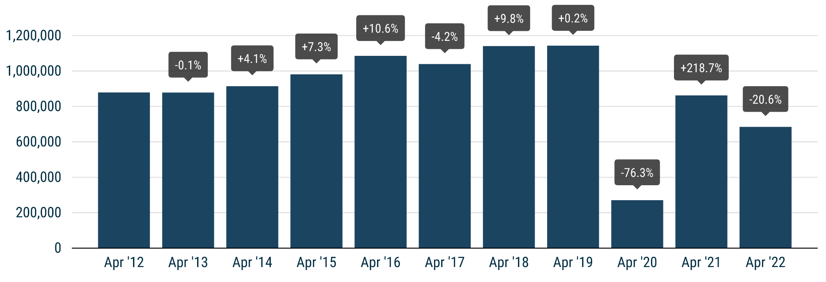
 | PRESS RELEASE

 | PRESS EMBARGO FOR ALL DATA
 | 8.00am CET (6.00am GMT), 18 May 2022

 | NEW PASSENGER CAR REGISTRATIONS, BY MARKET
 | EUROPEAN UNION1 + EFTA + UK

 | APRIL |  |  | JANUARY-APRIL
 | Units |  | % change | Units |  | % change
 | 2022 | 2021 | 22/21 | 2022 | 2021 | 22/21
Austria | 16,364 | 22,296 | -26.6 | 68,739 | 85,818 | -19.9
Belgium | 28,402 | 37,192 | -23.6 | 131,548 | 156,429 | -15.9
Bulgaria | 2,357 | 2,400 | -1.8 | 9,031 | 7,984 | +13.1
Croatia | 4,258 | 4,147 | +2.7 | 13,893 | 14,621 | -5.0
Cyprus | 747 | 925 | -19.2 | 3,806 | 3,671 | +3.7
Czech Republic | 14,714 | 18,976 | -22.5 | 62,105 | 68,510 | -9.3
Denmark | 11,015 | 15,518 | -29.0 | 45,243 | 59,404 | -23.8
Estonia | 1,778 | 2,395 | -25.8 | 6,969 | 8,123 | -14.2
Finland | 6,431 | 8,845 | -27.3 | 28,163 | 36,825 | -23.5
France | 108,724 | 140,426 | -22.6 | 474,084 | 582,217 | -18.6
Germany | 180,264 | 229,650 | -21.5 | 806,218 | 886,102 | -9.0
Greece | 9,289 | 10,198 | -8.9 | 31,716 | 33,637 | -5.7
Hungary | 9,090 | 10,555 | -13.9 | 37,780 | 42,752 | -11.6
Ireland | 7,863 | 7,147 | +10.0 | 57,753 | 55,177 | +4.7
Italy | 97,339 | 145,243 | -33.0 | 435,647 | 592,488 | -26.5
Latvia | 1,294 | 1,395 | -7.2 | 4,974 | 4,836 | +2.9
Lithuania | 2,349 | 3,611 | -34.9 | 8,852 | 11,269 | -21.4
Luxembourg | 3,341 | 4,327 | -22.8 | 14,688 | 16,783 | -12.5
Netherlands | 22,087 | 23,844 | -7.4 | 100,457 | 104,431 | -3.8
Poland | 34,882 | 40,149 | -13.1 | 136,923 | 158,014 | -13.3
Portugal | 12,420 | 14,809 | -16.1 | 47,191 | 45,848 | +2.9
Romania | 8,469 | 6,862 | +23.4 | 37,447 | 27,624 | +35.6
Slovakia | 6,058 | 6,787 | -10.7 | 25,279 | 22,189 | +13.9
Slovenia | 3,918 | 4,281 | -8.5 | 16,670 | 20,572 | -19.0
Spain | 69,111 | 78,594 | -12.1 | 233,509 | 264,649 | -11.8
Sweden | 21,942 | 21,871 | +0.3 | 91,681 | 112,741 | -18.7
EUROPEAN UNION | 684,506 | 862,443 | -20.6 | 2,930,366 | 3,422,714 | -14.4
EU142 | 594,592 | 759,960 | -21.8 | 2,566,637 | 3,032,549 | -15.4
EU123 | 89,914 | 102,483 | -12.3 | 363,729 | 390,165 | -6.8
Iceland | 1,403 | 781 | +79.6 | 4,554 | 2,867 | +58.8
Norway | 9,725 | 13,166 | -26.1 | 42,067 | 49,475 | -15.0
Switzerland | 15,646 | 22,054 | -29.1 | 69,873 | 78,551 | -11.0
EFTA | 26,774 | 36,001 | -25.6 | 116,494 | 130,893 | -11.0
United Kingdom | 119,167 | 141,583 | -15.8 | 536,727 | 567,108 | -5.4
EU + EFTA + UK | 830,447 | 1,040,027 | -20.2 | 3,583,587 | 4,120,715 | -13.0
EU14 + EFTA + UK | 740,533 | 937,544 | -21.0 | 3,219,858 | 3,730,550 | -13.7
SOURCE: NATIONAL AUTOMOBILE MANUFACTURERS' ASSOCIATIONS |  |  |  |  |  | 1 Data for Malta na
 |  |  |  |  |  | 2 Member states before the 2004 enlargement
 |  |  |  |  |  | 3 Member states having joined the EU since 2004

