Market
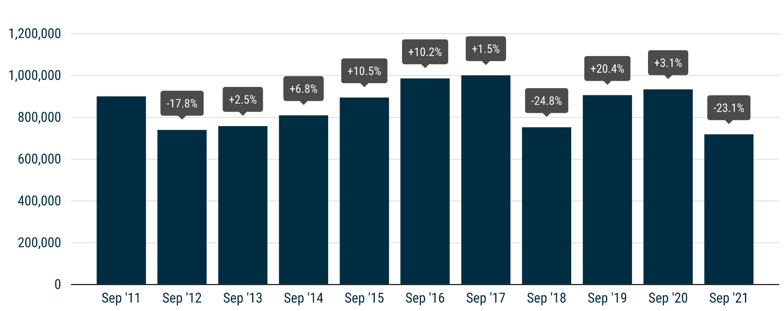
 | PRESS RELEASE

 | PRESS EMBARGO FOR ALL DATA
 | 8.00am CEST (6.00am GMT), 15 October 2021

 | NEW PASSENGER CAR REGISTRATIONS, BY MARKET
 | EUROPEAN UNION1 + EFTA + UK

 | SEPTEMBER |  |  | JANUARY-SEPTEMBER
 | Units |  | % change | Units |  | % change
 | 2021 | 2020 | 21/20 | 2021 | 2020 | 21/20
Austria | 17,864 | 22,162 | -19.4 | 189,881 | 180,639 | +5.1
Belgium | 26,554 | 36,083 | -26.4 | 313,567 | 333,607 | -6.0
Bulgaria | 1,446 | 1,823 | -20.7 | 19,040 | 17,029 | +11.8
Croatia | 2,749 | 3,080 | -10.7 | 37,135 | 28,229 | +31.5
Cyprus | 1,018 | 908 | +12.1 | 8,589 | 7,607 | +12.9
Czech Republic | 14,165 | 16,909 | -16.2 | 161,824 | 148,319 | +9.1
Denmark | 14,221 | 17,190 | -17.3 | 139,950 | 142,137 | -1.5
Estonia | 1,777 | 1,643 | +8.2 | 18,533 | 14,246 | +30.1
Finland | 6,534 | 8,424 | -22.4 | 78,662 | 73,408 | +7.2
France | 133,830 | 168,289 | -20.5 | 1,260,373 | 1,166,698 | +8.0
Germany | 196,972 | 265,227 | -25.7 | 2,017,561 | 2,041,831 | -1.2
Greece | 6,612 | 7,107 | -7.0 | 81,758 | 60,046 | +36.2
Hungary | 9,524 | 11,449 | -16.8 | 94,528 | 90,092 | +4.9
Ireland | 4,411 | 5,651 | -21.9 | 100,620 | 84,515 | +19.1
Italy | 105,175 | 156,357 | -32.7 | 1,165,491 | 966,335 | +20.6
Latvia | 1,101 | 1,229 | -10.4 | 11,617 | 10,410 | +11.6
Lithuania | 2,022 | 4,682 | -56.8 | 26,279 | 28,260 | -7.0
Luxembourg | 2,948 | 4,073 | -27.6 | 35,011 | 34,046 | +2.8
Netherlands | 24,663 | 29,305 | -15.8 | 235,977 | 248,206 | -4.9
Poland | 33,085 | 38,147 | -13.3 | 347,275 | 295,101 | +17.7
Portugal | 10,786 | 13,186 | -18.2 | 112,525 | 105,660 | +6.5
Romania | 8,942 | 10,878 | -17.8 | 88,262 | 84,600 | +4.3
Slovakia | 5,797 | 6,350 | -8.7 | 58,719 | 55,607 | +5.6
Slovenia | 4,127 | 4,440 | -7.0 | 43,098 | 43,219 | -0.3
Spain | 59,641 | 70,728 | -15.7 | 647,955 | 595,436 | +8.8
Sweden | 22,634 | 28,719 | -21.2 | 232,383 | 202,644 | +14.7
EUROPEAN UNION | 718,598 | 934,039 | -23.1 | 7,526,613 | 7,057,927 | +6.6
EU142 | 632,845 | 832,501 | -24.0 | 6,611,714 | 6,235,208 | +6.0
EU123 | 85,753 | 101,538 | -15.5 | 914,899 | 822,719 | +11.2
Iceland | 1,173 | 1,017 | +15.3 | 9,762 | 7,293 | +33.9
Norway | 17,992 | 15,552 | +15.7 | 128,856 | 95,357 | +35.1
Switzerland | 19,648 | 21,454 | -8.4 | 180,073 | 163,556 | +10.1
EFTA | 38,813 | 38,023 | +2.1 | 318,691 | 266,206 | +19.7
United Kingdom | 215,312 | 328,041 | -34.4 | 1,316,614 | 1,243,656 | +5.9
EU + EFTA + UK | 972,723 | 1,300,103 | -25.2 | 9,161,918 | 8,567,789 | +6.9
EU14 + EFTA + UK | 886,970 | 1,198,565 | -26.0 | 8,247,019 | 7,745,070 | +6.5
SOURCE: NATIONAL AUTOMOBILE MANUFACTURERS' ASSOCIATIONS |  |  |  |  |  | 1 Data for Malta na
 |  |  |  |  |  | 2 Member states before the 2004 enlargement
 |  |  |  |  |  | 3 Member states having joined the EU since 2004

