Market
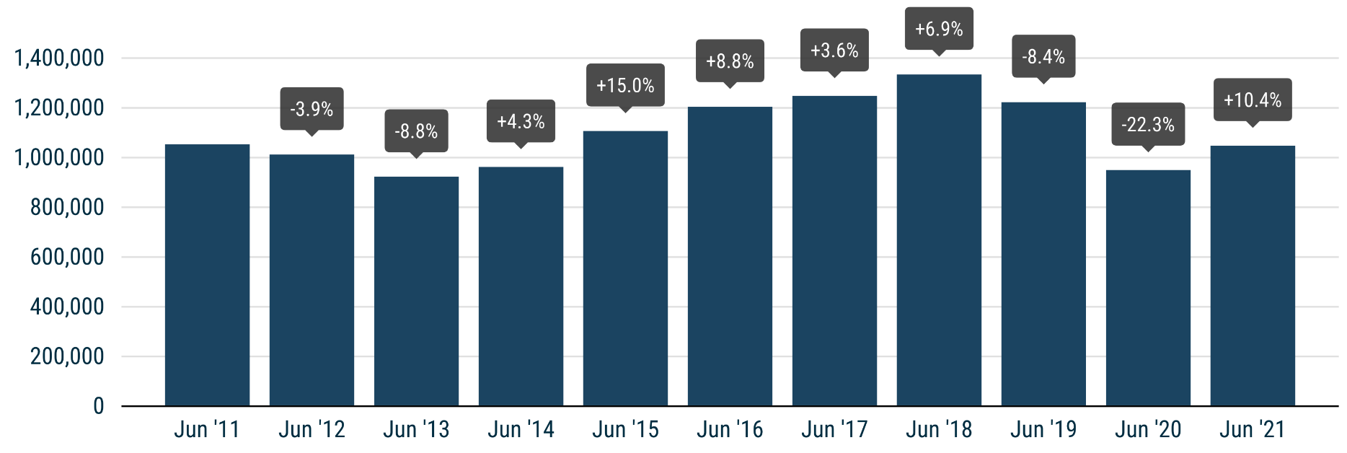
 | PRESS RELEASE

 | PRESS EMBARGO FOR ALL DATA
 | 8.00am CEST (6.00am GMT), 16 July 2021

 | NEW PASSENGER CAR REGISTRATIONS, BY MARKET
 | EUROPEAN UNION1 + EFTA + UK

 | JUNE |  |  | JANUARY-JUNE
 | Units |  | % change | Units |  | % change
 | 2021 | 2020 | 21/20 | 2021 | 2020 | 21/20
Austria | 26,075 | 26,676 | -2.3 | 134,396 | 112,787 | +19.2
Belgium | 41,126 | 49,141 | -16.3 | 232,391 | 216,605 | +7.3
Bulgaria | 2,953 | 2,283 | +29.3 | 12,926 | 10,161 | +27.2
Croatia | 6,887 | 4,168 | +65.2 | 25,975 | 17,423 | +49.1
Cyprus | 1,095 | 947 | +15.6 | 5,794 | 4,913 | +17.9
Czech Republic | 22,561 | 20,771 | +8.6 | 112,805 | 95,029 | +18.7
Denmark | 20,271 | 17,930 | +13.1 | 96,506 | 88,395 | +9.2
Estonia | 2,611 | 1,602 | +63.0 | 12,940 | 9,133 | +41.7
Finland | 9,941 | 8,026 | +23.9 | 56,730 | 47,392 | +19.7
France | 199,508 | 233,814 | -14.7 | 922,765 | 715,798 | +28.9
Germany | 274,152 | 220,272 | +24.5 | 1,390,889 | 1,210,622 | +14.9
Greece | 13,875 | 8,249 | +68.2 | 58,362 | 36,570 | +59.6
Hungary | 11,361 | 10,355 | +9.7 | 64,794 | 55,674 | +16.4
Ireland | 2,764 | 1,006 | +174.8 | 63,861 | 52,885 | +20.8
Italy | 149,438 | 132,691 | +12.6 | 884,750 | 584,237 | +51.4
Latvia | 1,469 | 1,272 | +15.5 | 7,684 | 6,569 | +17.0
Lithuania | 3,488 | 2,674 | +30.4 | 18,648 | 16,821 | +10.9
Luxembourg | 4,471 | 4,648 | -3.8 | 25,287 | 20,793 | +21.6
Netherlands | 33,318 | 24,754 | +34.6 | 163,173 | 157,971 | +3.3
Poland | 43,711 | 35,797 | +22.1 | 243,113 | 179,821 | +35.2
Portugal | 18,936 | 11,076 | +71.0 | 81,445 | 64,848 | +25.6
Romania | 11,853 | 10,161 | +16.7 | 47,169 | 49,615 | -4.9
Slovakia | 8,223 | 7,502 | +9.6 | 38,449 | 34,015 | +13.0
Slovenia | 5,176 | 6,563 | -21.1 | 31,009 | 28,001 | +10.7
Spain | 96,785 | 82,651 | +17.1 | 456,833 | 339,855 | +34.4
Sweden | 36,095 | 24,747 | +45.9 | 173,163 | 125,685 | +37.8
EUROPEAN UNION | 1,048,143 | 949,776 | +10.4 | 5,361,857 | 4,281,618 | +25.2
EU142 | 926,755 | 845,681 | +9.6 | 4,740,551 | 3,774,443 | +25.6
EU123 | 121,388 | 104,095 | +16.6 | 621,306 | 507,175 | +22.5
Iceland | 1,835 | 822 | +123.2 | 6,044 | 4,193 | +44.1
Norway | 20,392 | 11,443 | +78.2 | 83,930 | 59,224 | +41.7
Switzerland | 26,005 | 24,477 | +6.2 | 124,547 | 103,201 | +20.7
EFTA | 48,232 | 36,742 | +31.3 | 214,521 | 166,618 | +28.8
United Kingdom | 186,128 | 145,377 | +28.0 | 909,973 | 653,502 | +39.2
EU + EFTA + UK | 1,282,503 | 1,131,895 | +13.3 | 6,486,351 | 5,101,738 | +27.1
EU14 + EFTA + UK | 1,161,115 | 1,027,800 | +13.0 | 5,865,045 | 4,594,563 | +27.7
SOURCE: NATIONAL AUTOMOBILE MANUFACTURERS' ASSOCIATIONS |  |  |  |  |  | 1 Data for Malta na
 |  |  |  |  |  | 2 Member states before the 2004 enlargement
 |  |  |  |  |  | 3 Member states having joined the EU since 2004

