TOTAL CV
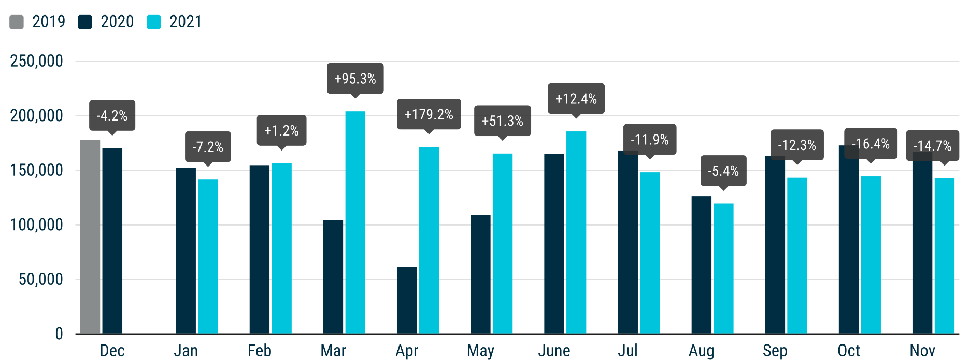
 | PRESS RELEASE

 | PRESS EMBARGO FOR ALL DATA
 | 8.00am CET (7.00am GMT), 23 December 2021

 | TOTAL NEW COMMERCIAL VEHICLES (CV), BY MARKET
 | EUROPEAN UNION + EFTA + UK

 | NOVEMBER |  |  | JANUARY-NOVEMBER
 | Units |  | % change | Units |  | % change
 | 2021 | 2020 | 21/20 | 2021 | 2020 | 21/20
Austria | 3,296 | 3,733 | -11.7 | 63,065 | 39,714 | +58.8
Belgium | 5,520 | 6,257 | -11.8 | 75,349 | 72,907 | +3.3
Bulgaria | 820 | 765 | +7.2 | 9,250 | 6,679 | +38.5
Croatia | 519 | 841 | -38.3 | 8,731 | 7,304 | +19.5
Cyprus | 193 | 161 | +19.9 | 1,926 | 1,786 | +7.8
Czech Republic | 2,263 | 2,459 | -8.0 | 25,780 | 22,880 | +12.7
Denmark | 2,798 | 3,219 | -13.1 | 33,259 | 31,204 | +6.6
Estonia | 382 | 360 | +6.1 | 4,876 | 3,801 | +28.3
Finland | 1,193 | 1,374 | -13.2 | 15,564 | 14,876 | +4.6
France | 35,870 | 40,842 | -12.2 | 439,756 | 402,069 | +9.4
Germany | 28,499 | 36,570 | -22.1 | 322,051 | 318,062 | +1.3
Greece | 917 | 799 | +14.8 | 10,644 | 7,081 | +50.3
Hungary | 2,140 | 2,751 | -22.2 | 25,769 | 23,045 | +11.8
Ireland | 957 | 910 | +5.2 | 31,089 | 23,468 | +32.5
Italy | 17,327 | 20,373 | -15.0 | 191,306 | 162,714 | +17.6
Latvia | 331 | 306 | +8.2 | 3,925 | 2,688 | +46.0
Lithuania | 997 | 781 | +27.7 | 10,636 | 6,815 | +56.1
Luxembourg | 413 | 428 | -3.5 | 5,341 | 5,174 | +3.2
Netherlands | 6,591 | 6,517 | +1.1 | 75,678 | 67,195 | +12.6
Poland | 8,915 | 8,846 | +0.8 | 96,690 | 71,431 | +35.4
Portugal | 3,007 | 3,143 | -4.3 | 29,915 | 27,537 | +8.6
Romania | 1,754 | 1,609 | +9.0 | 20,635 | 16,370 | +26.1
Slovakia | 1,009 | 951 | +6.1 | 10,295 | 7,879 | +30.7
Slovenia | 1,112 | 852 | +30.5 | 10,875 | 8,634 | +26.0
Spain | 12,755 | 18,323 | -30.4 | 162,059 | 161,150 | +0.6
Sweden | 2,902 | 3,831 | -24.2 | 39,353 | 33,250 | +18.4
EUROPEAN UNION | 142,480 | 167,001 | -14.7 | 1,723,817 | 1,545,713 | +11.5
EU14 | 122,045 | 146,319 | -16.6 | 1,494,429 | 1,366,401 | +9.4
EU12 | 20,435 | 20,682 | -1.2 | 229,388 | 179,312 | +27.9
Iceland | 141 | 87 | +62.1 | 1,365 | 1,096 | +24.5
Norway | 2,735 | 3,256 | -16.0 | 37,439 | 35,402 | +5.8
Switzerland | 2,781 | 3,102 | -10.3 | 30,750 | 29,074 | +5.8
EFTA | 5,657 | 6,445 | -12.2 | 69,554 | 65,572 | +6.1
United Kingdom | 35,718 | 33,729 | +5.9 | 368,706 | 305,719 | +20.6
EU + EFTA + UK | 183,855 | 207,175 | -11.3 | 2,162,077 | 1,917,004 | +12.8
EU14 + EFTA + UK | 163,420 | 186,493 | -12.4 | 1,932,689 | 1,737,692 | +11.2
SOURCE: NATIONAL AUTOMOBILE MANUFACTURERS' ASSOCIATIONS

