LCV ≤3,5t (vans)
 |  | P R E S S R E L E A S E

 |  | PRESS EMBARGO FOR ALL DATA :
 |  | 8.00 AM (7.00 AM GMT), 25 November 2020

 |  | PROVISIONAL
 |  | EU+EFTA1 NEW REGISTRATION FIGURES BY COUNTRY
 |  | NEW LIGHT COMMERCIAL VEHICLES (LCV) UP TO 3.5T2

 |  | October | October | % change | Jan-Oct | Jan-Oct | % change
 |  | 2020 | 2019 | 20/19 | 2020 | 2019 | 20/19
 | AUSTRIA | 3,013 | 3,512 | -14.2% | 30,486 | 37,516 | -18.7%
 | BELGIUM | 6,875 | 6,734 | 2.1% | 59,725 | 69,008 | -13.5%
 | BULGARIA | 552 | 467 | 18.2% | 4,010 | 4,894 | -18.1%
 | CROATIA | 536 | 706 | -24.1% | 5,592 | 7,724 | -27.6%
 | CYPRUS | 124 | 232 | -46.6% | 1,302 | 1,836 | -29.1%
 | CZECH REPUBLIC | 1,743 | 1,638 | 6.4% | 13,676 | 17,229 | -20.6%
 | DENMARK | 2,903 | 2,697 | 7.6% | 24,586 | 27,283 | -9.9%
 | ESTONIA | 289 | 331 | -12.7% | 2,809 | 3,888 | -27.8%
 | FINLAND | 1,214 | 1,124 | 8.0% | 10,430 | 12,555 | -16.9%
 | FRANCE | 39,992 | 41,734 | -4.2% | 321,922 | 396,715 | -18.9%
 | GERMANY | 28,261 | 24,908 | 13.5% | 215,034 | 254,415 | -15.5%
 | GREECE | 578 | 623 | -7.2% | 5,477 | 6,563 | -16.5%
 | HUNGARY | 1,953 | 2,131 | -8.4% | 17,176 | 21,237 | -19.1%
 | IRELAND3 | 1,652 | 1,067 | 54.8% | 20,606 | 24,312 | -15.2%
 | ITALY4 | 18,700 | 17,125 | 9.2% | 123,886 | 151,371 | -18.2%
 | LATVIA | 190 | 235 | -19.1% | 1,778 | 2,247 | -20.9%
 | LITHUANIA | 280 | 228 | 22.8% | 2,444 | 3,694 | -33.8%
 | LUXEMBOURG | 455 | 502 | -9.4% | 3,712 | 4,376 | -15.2%
 | NETHERLANDS | 5,432 | 5,276 | 3.0% | 51,143 | 66,301 | -22.9%
 | POLAND | 5,440 | 5,827 | -6.6% | 45,800 | 56,895 | -19.5%
 | PORTUGAL | 2,477 | 2,917 | -15.1% | 21,104 | 31,073 | -32.1%
 | ROMANIA | 1,019 | 971 | 4.9% | 10,693 | 14,719 | -27.4%
 | SLOVAKIA | 490 | 940 | -47.9% | 5,111 | 7,300 | -30.0%
 | SLOVENIA | 838 | 994 | -15.7% | 6,593 | 9,199 | -28.3%
 | SPAIN | 16,578 | 17,263 | -4.0% | 125,927 | 181,776 | -30.7%
 | SWEDEN | 3,300 | 3,712 | -11.1% | 23,892 | 38,687 | -38.2%
 | EUROPEAN UNION | 144,884 | 143,894 | 0.7% | 1,154,914 | 1,452,813 | -20.5%
 | EU145 | 131,430 | 129,194 | 1.7% | 1,037,930 | 1,301,951 | -20.3%
 | EU126 | 13,454 | 14,700 | -8.5% | 116,984 | 150,862 | -22.5%
 | ICELAND | 92 | 111 | -17.1% | 833 | 1,169 | -28.7%
 | NORWAY | 2,875 | 2,729 | 5.3% | 25,768 | 32,345 | -20.3%
 | SWITZERLAND | 2,389 | 2,949 | -19.0% | 22,558 | 28,228 | -20.1%
 | EFTA | 5,356 | 5,789 | -7.5% | 49,159 | 61,742 | -20.4%
 | UNITED KINGDOM | 28,753 | 25,373 | 13.3% | 236,833 | 311,989 | -24.1%
 | TOTAL (EU + EFTA + UK) | 178,993 | 175,056 | 2.2% | 1,440,906 | 1,826,544 | -21.1%
 | WESTERN EUROPE (EU14 + EFTA + UK) | 165,539 | 160,356 | 3.2% | 1,323,922 | 1,675,682 | -21.0%
 | SOURCE: NATIONAL AUTOMOBILE MANUFACTURERS' ASSOCIATIONS
 | 1Malta not available | 3LCV ≤6t |  | 5Member states before the 2004 enlargement
 | 2Including light buses and coaches | 4ANFIA estimates |  | 6Member states having joined the EU since 2004
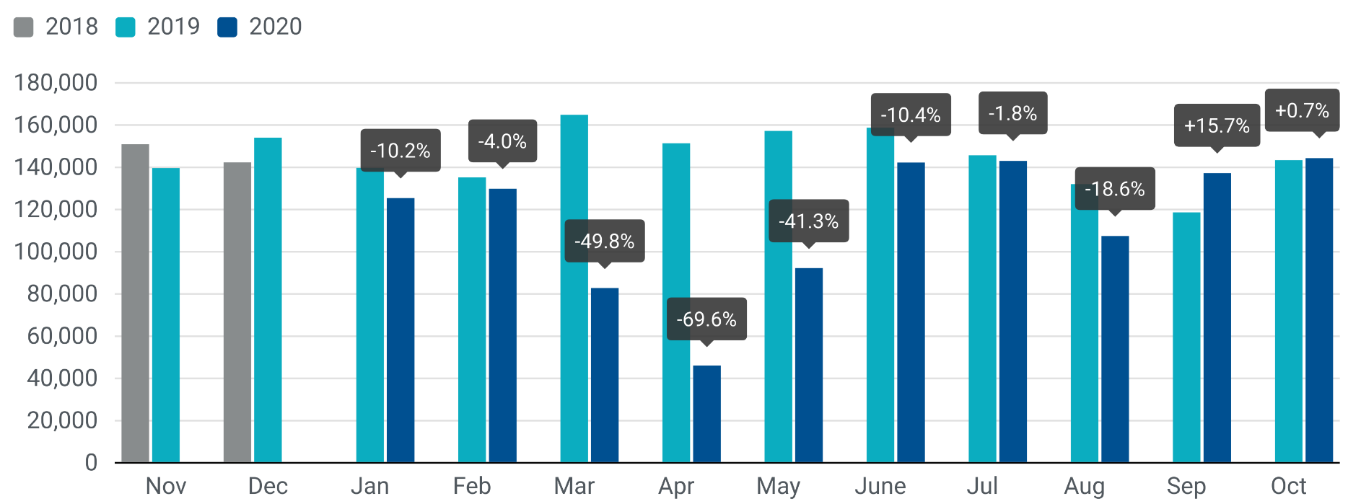

For further information, please contact: Francesca Piazza - Statistics Manager - E-mail: fp@acea.be
This information is available on the ACEA website: http://www.acea.be
Next press release on commercial vehicles to be issued on Tuesday 22 December 2020
 |  |  |  |  |  |  | Page 3 of 7

HCV ≥16t (heavy trucks)
 |  | P R E S S R E L E A S E

 |  | PRESS EMBARGO FOR ALL DATA :
 |  | 8.00 AM (7.00 AM GMT), 25 November 2020

 |  | PROVISIONAL
 |  | EU+EFTA NEW REGISTRATION FIGURES BY COUNTRY
 |  | NEW HEAVY COMMERCIAL VEHICLES (HCV) OF 16T AND OVER1

 |  | October | October | % change | Jan-Oct | Jan-Oct | % change
 |  | 2020 | 2019 | 20/19 | 2020 | 2019 | 20/19
 | AUSTRIA | 512 | 480 | 6.7% | 4,679 | 6,941 | -32.6%
 | BELGIUM | 556 | 679 | -18.1% | 5,072 | 8,422 | -39.8%
 | BULGARIA | 260 | 279 | -6.8% | 1,679 | 2,821 | -40.5%
 | CROATIA | 53 | 114 | -53.5% | 564 | 1,015 | -44.4%
 | CYPRUS | 2 | 11 | -81.8% | 36 | 41 | -12.2%
 | CZECH REPUBLIC | 565 | 628 | -10.0% | 4,556 | 6,981 | -34.7%
 | DENMARK | 314 | 415 | -24.3% | 2,820 | 4,007 | -29.6%
 | ESTONIA | 47 | 63 | -25.4% | 385 | 901 | -57.3%
 | FINLAND | 208 | 257 | -19.1% | 1,916 | 2,560 | -25.2%
 | FRANCE | 3,656 | 4,131 | -11.5% | 29,566 | 42,431 | -30.3%
 | GERMANY | 5,093 | 5,252 | -3.0% | 41,476 | 60,004 | -30.9%
 | GREECE | 13 | 8 | 62.5% | 316 | 233 | 35.6%
 | HUNGARY | 325 | 335 | -3.0% | 2,327 | 4,191 | -44.5%
 | IRELAND2 | 92 | 84 | 9.5% | 1,522 | 1,715 | -11.3%
 | ITALY3 | 1,558 | 1,477 | 5.5% | 13,108 | 15,967 | -17.9%
 | LATVIA | 136 | 81 | 67.9% | 503 | 930 | -45.9%
 | LITHUANIA4 | 598 | 512 | 16.8% | 3,289 | 6,807 | -51.7%
 | LUXEMBOURG4 | 91 | 66 | 37.9% | 651 | 959 | -32.1%
 | NETHERLANDS | 827 | 909 | -9.0% | 7,979 | 12,465 | -36.0%
 | POLAND | 2,217 | 2,255 | -1.7% | 13,837 | 22,387 | -38.2%
 | PORTUGAL | 318 | 395 | -19.5% | 2,501 | 3,708 | -32.6%
 | ROMANIA | 385 | 549 | -29.9% | 3,177 | 5,485 | -42.1%
 | SLOVAKIA | 124 | 200 | -38.0% | 1,380 | 2,827 | -51.2%
 | SLOVENIA4 | 125 | 138 | -9.4% | 1,108 | 1,828 | -39.4%
 | SPAIN | 2,309 | 3,237 | -28.7% | 12,513 | 17,118 | -26.9%
 | SWEDEN | 474 | 572 | -17.1% | 4,042 | 5,541 | -27.1%
 | EUROPEAN UNION | 20,858 | 23,127 | -9.8% | 161,002 | 238,285 | -32.4%
 | EU14 | 16,021 | 17,962 | -10.8% | 128,161 | 182,071 | -29.6%
 | EU12 | 4,837 | 5,165 | -6.4% | 32,841 | 56,214 | -41.6%
 | ICELAND | 5 | 15 | -66.7% | 82 | 162 | -49.4%
 | NORWAY | 404 | 595 | -32.1% | 3,496 | 4,650 | -24.8%
 | SWITZERLAND | 233 | 263 | -11.4% | 2,442 | 3,108 | -21.4%
 | EFTA | 642 | 873 | -26.5% | 6,020 | 7,920 | -24.0%
 | UNITED KINGDOM4 | 3,006 | 4,071 | -26.2% | 21,448 | 36,513 | -41.3%
 | TOTAL (EU + EFTA + UK) | 24,506 | 28,071 | -12.7% | 188,470 | 282,718 | -33.3%
 | WESTERN EUROPE (EU14 + EFTA + UK) | 19,669 | 22,906 | -14.1% | 155,629 | 226,504 | -31.3%
 | SOURCE: NATIONAL AUTOMOBILE MANUFACTURERS' ASSOCIATIONS
 | 1Excluding heavy buses and coaches |  | 3ANFIA estimates based on vehicle registration certificates issued by the Italian Ministry of Transport
 | 2HCV ≥17t |  | 4Estimates

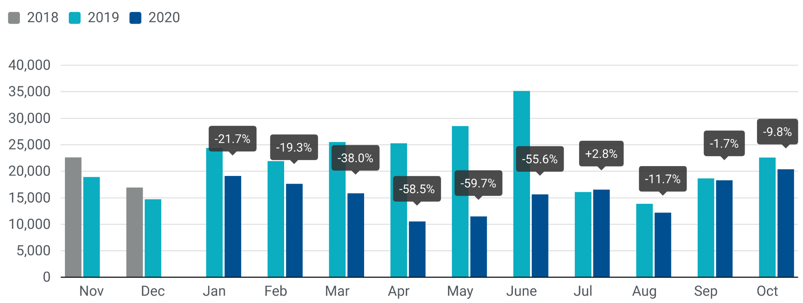

For further information, please contact: Francesca Piazza - Statistics Manager - E-mail: fp@acea.be
This information is available on the ACEA website: http://www.acea.be
 |  |  |  |  |  |  |  | Page 4 of 7

MHCV >3,5t (trucks)
 |  | P R E S S R E L E A S E

 |  | PRESS EMBARGO FOR ALL DATA :
 |  | 8.00 AM (7.00 AM GMT), 25 November 2020

 |  | PROVISIONAL
 |  | EU+EFTA NEW REGISTRATION FIGURES BY COUNTRY
 |  | NEW MEDIUM AND HEAVY COMMERCIAL VEHICLES (MHCV) OVER 3.5T1

 |  | October | October | % change | Jan-Oct | Jan-Oct | % change
 |  | 2020 | 2019 | 20/19 | 2020 | 2019 | 20/19
 | AUSTRIA | 529 | 500 | 5.8% | 4,850 | 7,287 | -33.4%
 | BELGIUM | 698 | 820 | -14.9% | 6,225 | 9,890 | -37.1%
 | BULGARIA | 267 | 293 | -8.9% | 1,747 | 2,930 | -40.4%
 | CROATIA | 69 | 125 | -44.8% | 728 | 1,304 | -44.2%
 | CYPRUS | 6 | 14 | -57.1% | 90 | 237 | -62.0%
 | CZECH REPUBLIC | 677 | 750 | -9.7% | 5,696 | 8,457 | -32.6%
 | DENMARK | 349 | 450 | -22.4% | 3,155 | 4,384 | -28.0%
 | ESTONIA | 49 | 67 | -26.9% | 424 | 951 | -55.4%
 | FINLAND | 337 | 370 | -8.9% | 2,820 | 3,503 | -19.5%
 | FRANCE | 4,120 | 4,565 | -9.7% | 34,368 | 48,100 | -28.5%
 | GERMANY | 7,583 | 7,851 | -3.4% | 61,607 | 85,663 | -28.1%
 | GREECE | 26 | 12 | 116.7% | 512 | 366 | 39.9%
 | HUNGARY | 353 | 360 | -1.9% | 2,583 | 4,611 | -44.0%
 | IRELAND | 141 | 126 | 11.9% | 1,832 | 2,080 | -11.9%
 | ITALY2 | 1,826 | 1,887 | -3.2% | 16,212 | 19,842 | -18.3%
 | LATVIA | 139 | 86 | 61.6% | 549 | 987 | -44.4%
 | LITHUANIA3 | 604 | 537 | 12.5% | 3,363 | 6,931 | -51.5%
 | LUXEMBOURG | 118 | 80 | 47.5% | 847 | 1,088 | -22.2%
 | NETHERLANDS | 941 | 1,033 | -8.9% | 9,184 | 13,803 | -33.5%
 | POLAND | 2,436 | 2,625 | -7.2% | 15,610 | 24,713 | -36.8%
 | PORTUGAL | 367 | 436 | -15.8% | 2,927 | 4,291 | -31.8%
 | ROMANIA | 408 | 562 | -27.4% | 3,391 | 5,711 | -40.6%
 | SLOVAKIA | 132 | 225 | -41.3% | 1,582 | 3,098 | -48.9%
 | SLOVENIA3 | 129 | 149 | -13.4% | 1,195 | 1,955 | -38.9%
 | SPAIN | 2,572 | 3,537 | -27.3% | 15,296 | 20,658 | -26.0%
 | SWEDEN | 522 | 612 | -14.7% | 4,465 | 6,065 | -26.4%
 | EUROPEAN UNION | 25,398 | 28,072 | -9.5% | 201,258 | 288,905 | -30.3%
 | EU14 | 20,129 | 22,279 | -9.7% | 164,300 | 227,020 | -27.6%
 | EU12 | 5,269 | 5,793 | -9.0% | 36,958 | 61,885 | -40.3%
 | ICELAND | 12 | 23 | -47.8% | 169 | 261 | -35.2%
 | NORWAY | 553 | 754 | -26.7% | 5,234 | 6,515 | -19.7%
 | SWITZERLAND | 303 | 337 | -10.1% | 3,022 | 3,734 | -19.1%
 | EFTA | 868 | 1,114 | -22.1% | 8,425 | 10,510 | -19.8%
 | UNITED KINGDOM3 | 4,433 | 5,433 | -18.4% | 30,626 | 49,613 | -38.3%
 | TOTAL (EU + EFTA + UK) | 30,699 | 34,619 | -11.3% | 240,309 | 349,028 | -31.1%
 | WESTERN EUROPE (EU14 + EFTA + UK) | 25,430 | 28,826 | -11.8% | 203,351 | 287,143 | -29.2%
 | SOURCE: NATIONAL AUTOMOBILE MANUFACTURERS' ASSOCIATIONS
 | 1Excluding buses and coaches over 3.5t
 | 2ANFIA estimates based on vehicle registration certificates issued by the Italian Ministry of Transport
 | 3Estimates
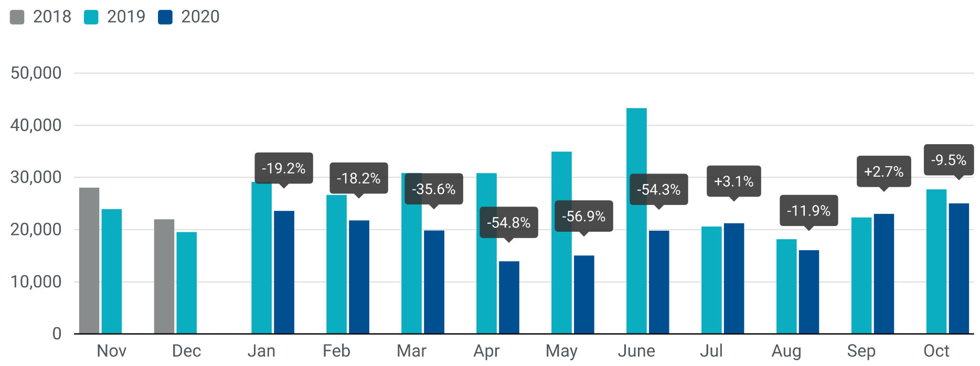

For further information, please contact: Francesca Piazza - Statistics Manager - E-mail: fp@acea.be
This information is available on the ACEA website: http://www.acea.be
 |  |  |  |  |  |  |  | Page 5 of 7

MHBC >3,5t
 |  | P R E S S R E L E A S E

 |  | PRESS EMBARGO FOR ALL DATA :
 |  | 8.00 AM (7.00 AM GMT), 25 November 2020

 |  | PROVISIONAL
 |  | EU+EFTA NEW REGISTRATION FIGURES BY COUNTRY
 |  | NEW MEDIUM AND HEAVY BUSES & COACHES (MHBC) OVER 3.5T

 |  | October | October | % change | Jan-Oct | Jan-Oct | % change
 |  | 2020 | 2019 | 20/19 | 2020 | 2019 | 20/19
 | AUSTRIA | 48 | 38 | 26.3% | 645 | 906 | -28.8%
 | BELGIUM | 34 | 70 | -51.4% | 701 | 1,188 | -41.0%
 | BULGARIA | 5 | 79 | -93.7% | 157 | 306 | -48.7%
 | CROATIA | 1 | 15 | -93.3% | 103 | 270 | -61.9%
 | CYPRUS | 11 | 0 |  | 233 | 19 | 1126.3%
 | CZECH REPUBLIC | 83 | 93 | -10.8% | 1,049 | 1,020 | 2.8%
 | DENMARK | 5 | 51 | -90.2% | 254 | 447 | -43.2%
 | ESTONIA | 20 | 7 | 185.7% | 208 | 197 | 5.6%
 | FINLAND | 10 | 66 | -84.8% | 252 | 475 | -46.9%
 | FRANCE | 627 | 563 | 11.4% | 4,938 | 5,575 | -11.4%
 | GERMANY | 501 | 451 | 11.1% | 4,851 | 5,064 | -4.2%
 | GREECE | 29 | 41 | -29.3% | 261 | 334 | -21.9%
 | HUNGARY | 41 | 27 | 51.9% | 535 | 401 | 33.4%
 | IRELAND | 14 | 8 | 75.0% | 119 | 404 | -70.5%
 | ITALY1 | 361 | 443 | -18.5% | 2,583 | 3,725 | -30.7%
 | LATVIA | 11 | 7 | 57.1% | 53 | 70 | -24.3%
 | LITHUANIA2 | 14 | 46 | -69.6% | 227 | 445 | -49.0%
 | LUXEMBOURG | 19 | 8 | 137.5% | 187 | 243 | -23.0%
 | NETHERLANDS | 43 | 57 | -24.6% | 375 | 615 | -39.0%
 | POLAND | 147 | 225 | -34.7% | 1,175 | 2,196 | -46.5%
 | PORTUGAL | 42 | 45 | -6.7% | 363 | 560 | -35.2%
 | ROMANIA | 84 | 64 | 31.3% | 674 | 1,718 | -60.8%
 | SLOVAKIA | 38 | 35 | 8.6% | 235 | 247 | -4.9%
 | SLOVENIA2 | 10 | 20 | -50.0% | 44 | 173 | -74.6%
 | SPAIN | 201 | 313 | -35.8% | 1,598 | 2,887 | -44.6%
 | SWEDEN | 62 | 43 | 44.2% | 1,062 | 1,102 | -3.6%
 | EUROPEAN UNION | 2,461 | 2,815 | -12.6% | 22,882 | 30,587 | -25.2%
 | EU14 | 1,996 | 2,197 | -9.1% | 18,189 | 23,525 | -22.7%
 | EU12 | 465 | 618 | -24.8% | 4,693 | 7,062 | -33.5%
 | ICELAND | 1 | 13 | -92.3% | 13 | 68 | -80.9%
 | NORWAY | 143 | 112 | 27.7% | 1,143 | 2,138 | -46.5%
 | SWITZERLAND | 60 | 72 | -16.7% | 392 | 515 | -23.9%
 | EFTA | 204 | 197 | 3.6% | 1,548 | 2,721 | -43.1%
 | UNITED KINGDOM2 | 575 | 688 | -16.4% | 3,907 | 5,379 | -27.4%
 | TOTAL (EU + EFTA + UK) | 3,240 | 3,700 | -12.4% | 28,337 | 38,687 | -26.8%
 | WESTERN EUROPE (EU14 + EFTA + UK) | 2,775 | 3,082 | -10.0% | 23,644 | 31,625 | -25.2%
 | SOURCE: NATIONAL AUTOMOBILE MANUFACTURERS' ASSOCIATIONS
 | 1ANFIA estimates based on vehicle registration certificates issued by the Italian Ministry of Transport
 | 2Estimates

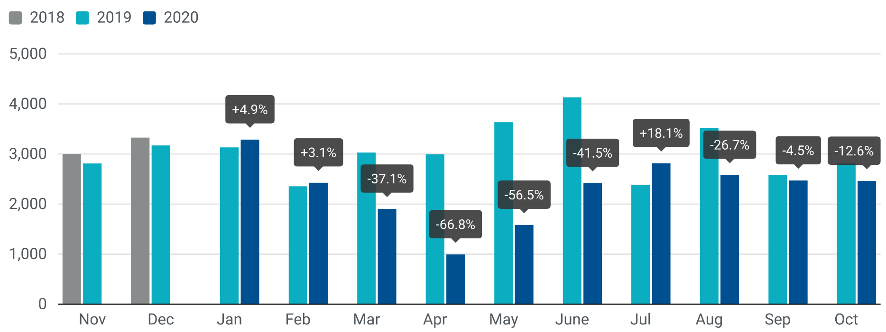

For further information, please contact: Francesca Piazza - Statistics Manager - E-mail: fp@acea.be
This information is available on the ACEA website: http://www.acea.be
 |  |  |  |  |  |  |  | Page 6 of 7

TOTAL
 |  | P R E S S R E L E A S E

 |  | PRESS EMBARGO FOR ALL DATA :
 |  | 8.00 AM (7.00 AM GMT), 25 November 2020

 |  | PROVISIONAL
 |  | EU+EFTA NEW REGISTRATION FIGURES BY COUNTRY
 |  | TOTAL NEW COMMERCIAL VEHICLES

 |  | October | October | % change | Jan-Oct | Jan-Oct | % change
 |  | 2020 | 2019 | 20/19 | 2020 | 2019 | 20/19
 | AUSTRIA | 3,590 | 4,050 | -11.4% | 35,981 | 45,709 | -21.3%
 | BELGIUM | 7,607 | 7,624 | -0.2% | 66,651 | 80,086 | -16.8%
 | BULGARIA | 824 | 839 | -1.8% | 5,914 | 8,130 | -27.3%
 | CROATIA | 606 | 846 | -28.4% | 6,423 | 9,298 | -30.9%
 | CYPRUS | 141 | 246 | -42.7% | 1,625 | 2,092 | -22.3%
 | CZECH REPUBLIC | 2,503 | 2,481 | 0.9% | 20,421 | 26,706 | -23.5%
 | DENMARK | 3,257 | 3,198 | 1.8% | 27,995 | 32,114 | -12.8%
 | ESTONIA | 358 | 405 | -11.6% | 3,441 | 5,036 | -31.7%
 | FINLAND | 1,561 | 1,560 | 0.1% | 13,502 | 16,533 | -18.3%
 | FRANCE | 44,739 | 46,862 | -4.5% | 361,228 | 450,390 | -19.8%
 | GERMANY | 36,345 | 33,210 | 9.4% | 281,492 | 345,142 | -18.4%
 | GREECE | 633 | 676 | -6.4% | 6,250 | 7,263 | -13.9%
 | HUNGARY | 2,347 | 2,518 | -6.8% | 20,294 | 26,249 | -22.7%
 | IRELAND | 1,807 | 1,201 | 50.5% | 22,557 | 26,796 | -15.8%
 | ITALY | 20,887 | 19,455 | 7.4% | 142,681 | 174,938 | -18.4%
 | LATVIA | 340 | 328 | 3.7% | 2,380 | 3,304 | -28.0%
 | LITHUANIA | 898 | 811 | 10.7% | 6,034 | 11,070 | -45.5%
 | LUXEMBOURG | 592 | 590 | 0.3% | 4,746 | 5,707 | -16.8%
 | NETHERLANDS | 6,416 | 6,366 | 0.8% | 60,702 | 80,719 | -24.8%
 | POLAND | 8,023 | 8,677 | -7.5% | 62,585 | 83,804 | -25.3%
 | PORTUGAL | 2,886 | 3,398 | -15.1% | 24,394 | 35,924 | -32.1%
 | ROMANIA | 1,511 | 1,597 | -5.4% | 14,758 | 22,148 | -33.4%
 | SLOVAKIA | 660 | 1,200 | -45.0% | 6,928 | 10,645 | -34.9%
 | SLOVENIA | 977 | 1,163 | -16.0% | 7,832 | 11,327 | -30.9%
 | SPAIN | 19,351 | 21,113 | -8.3% | 142,821 | 205,321 | -30.4%
 | SWEDEN | 3,884 | 4,367 | -11.1% | 29,419 | 45,854 | -35.8%
 | EUROPEAN UNION | 172,743 | 174,781 | -1.2% | 1,379,054 | 1,772,305 | -22.2%
 | EU14 | 153,555 | 153,670 | -0.1% | 1,220,419 | 1,552,496 | -21.4%
 | EU12 | 19,188 | 21,111 | -9.1% | 158,635 | 219,809 | -27.8%
 | ICELAND | 105 | 147 | -28.6% | 1,015 | 1,498 | -32.2%
 | NORWAY | 3,571 | 3,595 | -0.7% | 32,145 | 40,998 | -21.6%
 | SWITZERLAND | 2,752 | 3,358 | -18.0% | 25,972 | 32,477 | -20.0%
 | EFTA | 6,428 | 7,100 | -9.5% | 59,132 | 74,973 | -21.1%
 | UNITED KINGDOM | 33,761 | 31,494 | 7.2% | 271,366 | 366,981 | -26.1%
 | TOTAL (EU + EFTA + UK) | 212,932 | 213,375 | -0.2% | 1,709,552 | 2,214,259 | -22.8%
 | WESTERN EUROPE (EU14 + EFTA + UK) | 193,744 | 192,264 | 0.8% | 1,550,917 | 1,994,450 | -22.2%
 | SOURCE: NATIONAL AUTOMOBILE MANUFACTURERS' ASSOCIATIONS

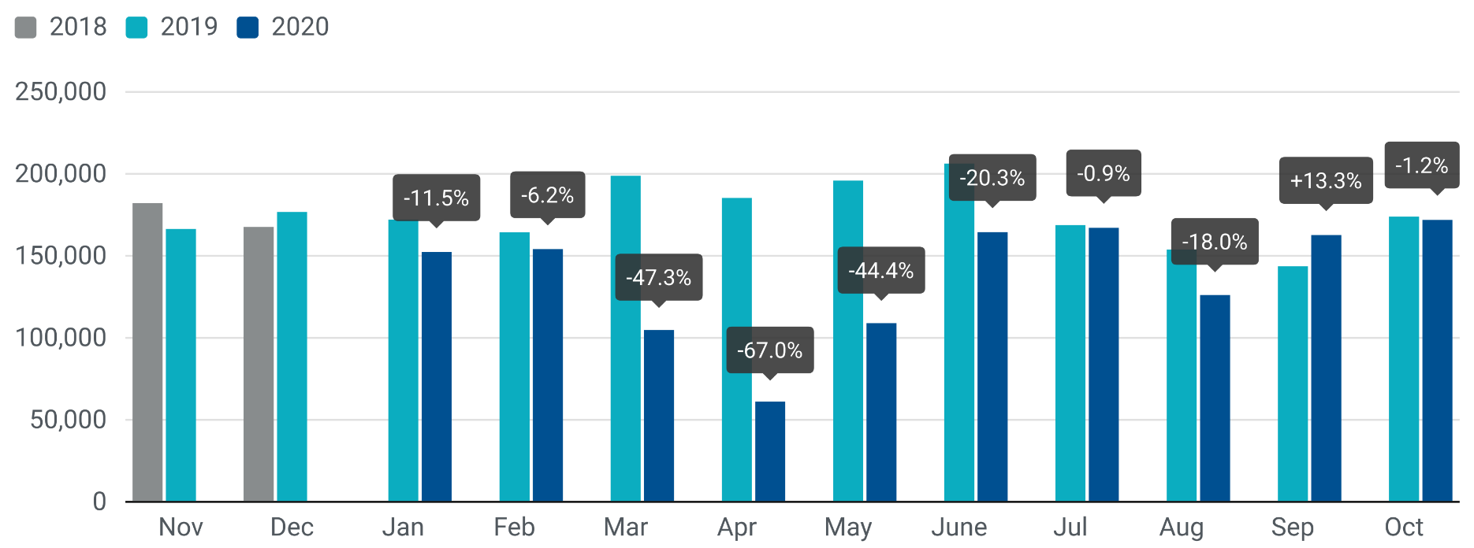

For further information, please contact: Francesca Piazza - Statistics Manager - E-mail: fp@acea.be
This information is available on the ACEA website: http://www.acea.be
 |  |  |  |  |  |  |  | Page 7 of 7

