LCV ≤3,5t (vans)
 |  | P R E S S R E L E A S E

 |  | PRESS EMBARGO FOR ALL DATA :
 |  | 8.00 AM (6.00 AM GMT), 23 October 2020

 |  | PROVISIONAL
 |  | EU+EFTA1 NEW REGISTRATION FIGURES BY COUNTRY
 |  | NEW LIGHT COMMERCIAL VEHICLES (LCV) UP TO 3.5T2

 |  | September | September | % change | Jan-Sep | Jan-Sep | % change
 |  | 2020 | 2019 | 20/19 | 2020 | 2019 | 20/19
 | AUSTRIA | 3,581 | 2,760 | 29.7% | 27,473 | 34,004 | -19.2%
 | BELGIUM | 5,764 | 5,156 | 11.8% | 52,849 | 62,274 | -15.1%
 | BULGARIA | 386 | 558 | -30.8% | 3,458 | 4,427 | -21.9%
 | CROATIA | 710 | 672 | 5.7% | 5,056 | 7,018 | -28.0%
 | CYPRUS | 137 | 221 | -38.0% | 1,178 | 1,604 | -26.6%
 | CZECH REPUBLIC | 1,858 | 1,643 | 13.1% | 11,933 | 15,591 | -23.5%
 | DENMARK | 2,971 | 2,463 | 20.6% | 21,683 | 24,586 | -11.8%
 | ESTONIA | 304 | 324 | -6.2% | 2,520 | 3,557 | -29.2%
 | FINLAND | 1,158 | 936 | 23.7% | 9,216 | 11,431 | -19.4%
 | FRANCE | 41,898 | 35,902 | 16.7% | 281,930 | 354,981 | -20.6%
 | GERMANY | 24,432 | 20,335 | 20.1% | 186,773 | 229,507 | -18.6%
 | GREECE | 600 | 492 | 22.0% | 4,899 | 5,940 | -17.5%
 | HUNGARY | 1,822 | 1,266 | 43.9% | 15,224 | 19,106 | -20.3%
 | IRELAND3 | 2,241 | 1,338 | 67.5% | 18,932 | 23,245 | -18.6%
 | ITALY4 | 16,200 | 13,647 | 18.7% | 105,141 | 134,246 | -21.7%
 | LATVIA | 205 | 267 | -23.2% | 1,588 | 2,012 | -21.1%
 | LITHUANIA | 195 | 181 | 7.7% | 2,164 | 3,466 | -37.6%
 | LUXEMBOURG | 366 | 355 | 3.1% | 3,257 | 3,874 | -15.9%
 | NETHERLANDS | 5,327 | 5,189 | 2.7% | 45,724 | 61,025 | -25.1%
 | POLAND | 5,075 | 4,166 | 21.8% | 40,360 | 51,068 | -21.0%
 | PORTUGAL | 2,516 | 2,710 | -7.2% | 18,627 | 28,156 | -33.8%
 | ROMANIA | 905 | 598 | 51.3% | 9,674 | 13,749 | -29.6%
 | SLOVAKIA | 545 | 216 | 152.3% | 4,621 | 6,360 | -27.3%
 | SLOVENIA | 764 | 769 | -0.7% | 5,755 | 8,205 | -29.9%
 | SPAIN | 14,184 | 13,225 | 7.3% | 109,349 | 164,513 | -33.5%
 | SWEDEN | 3,596 | 3,677 | -2.2% | 20,592 | 34,975 | -41.1%
 | EUROPEAN UNION | 137,740 | 119,066 | 15.7% | 1,009,976 | 1,308,920 | -22.8%
 | EU145 | 124,834 | 108,185 | 15.4% | 906,445 | 1,172,757 | -22.7%
 | EU126 | 12,906 | 10,881 | 18.6% | 103,531 | 136,163 | -24.0%
 | ICELAND | 77 | 101 | -23.8% | 741 | 1,058 | -30.0%
 | NORWAY | 3,045 | 2,658 | 14.6% | 22,893 | 29,616 | -22.7%
 | SWITZERLAND | 2,375 | 2,572 | -7.7% | 20,169 | 25,279 | -20.2%
 | EFTA | 5,497 | 5,331 | 3.1% | 43,803 | 55,953 | -21.7%
 | UNITED KINGDOM | 52,096 | 41,216 | 26.4% | 208,080 | 286,616 | -27.4%
 | TOTAL (EU + EFTA + UK) | 195,333 | 165,613 | 17.9% | 1,261,859 | 1,651,489 | -23.6%
 | WESTERN EUROPE (EU14 + EFTA + UK) | 182,427 | 154,732 | 17.9% | 1,158,328 | 1,515,326 | -23.6%
 | SOURCE: NATIONAL AUTOMOBILE MANUFACTURERS' ASSOCIATIONS
 | 1Malta not available | 3LCV ≤6t |  | 5Member states before the 2004 enlargement
 | 2Including light buses and coaches | 4ANFIA estimates |  | 6Member states having joined the EU since 2004

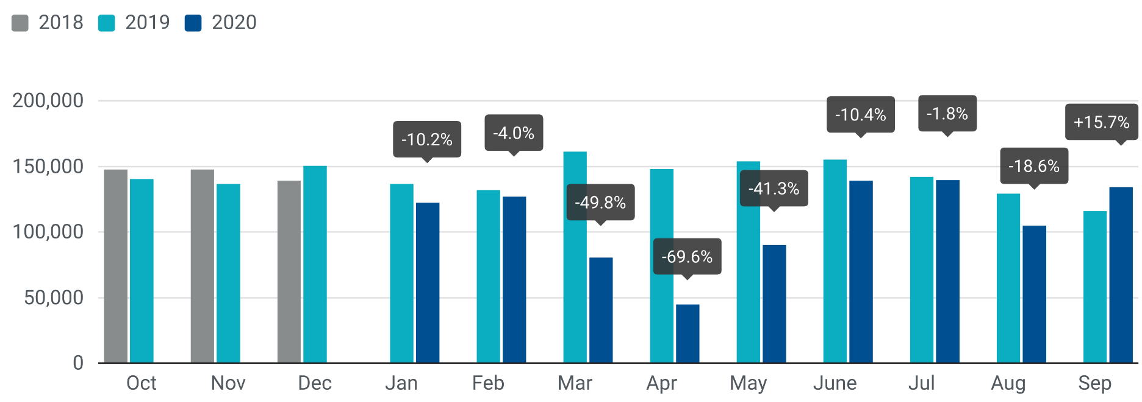

For further information, please contact: Francesca Piazza - Statistics Manager - E-mail: fp@acea.be
This information is available on the ACEA website: http://www.acea.be
Next press release on commercial vehicles to be issued on Wednesday 25 November 2020
 |  |  |  |  |  |  | Page 3 of 7

HCV ≥16t (heavy trucks)
 |  | P R E S S R E L E A S E

 |  | PRESS EMBARGO FOR ALL DATA :
 |  | 8.00 AM (6.00 AM GMT), 23 October 2020

 |  | PROVISIONAL
 |  | EU+EFTA NEW REGISTRATION FIGURES BY COUNTRY
 |  | NEW HEAVY COMMERCIAL VEHICLES (HCV) OF 16T AND OVER1

 |  | September | September | % change | Jan-Sep | Jan-Sep | % change
 |  | 2020 | 2019 | 20/19 | 2020 | 2019 | 20/19
 | AUSTRIA | 490 | 445 | 10.1% | 4,167 | 6,461 | -35.5%
 | BELGIUM | 512 | 611 | -16.2% | 4,516 | 7,743 | -41.7%
 | BULGARIA | 215 | 168 | 28.0% | 1,419 | 2,542 | -44.2%
 | CROATIA | 42 | 57 | -26.3% | 511 | 901 | -43.3%
 | CYPRUS | 6 | 2 | 200.0% | 34 | 30 | 13.3%
 | CZECH REPUBLIC | 608 | 631 | -3.6% | 3,991 | 6,353 | -37.2%
 | DENMARK | 329 | 331 | -0.6% | 2,505 | 3,592 | -30.3%
 | ESTONIA | 30 | 71 | -57.7% | 338 | 838 | -59.7%
 | FINLAND | 202 | 217 | -6.9% | 1,708 | 2,303 | -25.8%
 | FRANCE | 3,540 | 3,743 | -5.4% | 25,910 | 38,300 | -32.3%
 | GERMANY | 4,502 | 4,423 | 1.8% | 36,383 | 54,752 | -33.5%
 | GREECE | 11 | 23 | -52.2% | 303 | 225 | 34.7%
 | HUNGARY | 290 | 291 | -0.3% | 2,002 | 3,856 | -48.1%
 | IRELAND2 | 133 | 104 | 27.9% | 1,430 | 1,631 | -12.3%
 | ITALY3 | 1,275 | 954 | 33.6% | 11,564 | 14,490 | -20.2%
 | LATVIA | 48 | 84 | -42.9% | 367 | 849 | -56.8%
 | LITHUANIA4 | 520 | 593 | -12.3% | 2,691 | 6,295 | -57.3%
 | LUXEMBOURG4 | 95 | 88 | 8.0% | 561 | 893 | -37.2%
 | NETHERLANDS | 851 | 915 | -7.0% | 7,154 | 11,556 | -38.1%
 | POLAND | 1,774 | 2,073 | -14.4% | 11,620 | 20,132 | -42.3%
 | PORTUGAL | 606 | 708 | -14.4% | 2,183 | 3,313 | -34.1%
 | ROMANIA | 381 | 406 | -6.2% | 2,792 | 4,936 | -43.4%
 | SLOVAKIA | 157 | 185 | -15.1% | 1,256 | 2,627 | -52.2%
 | SLOVENIA4 | 159 | 140 | 13.6% | 983 | 1,690 | -41.8%
 | SPAIN | 1,560 | 1,394 | 11.9% | 10,203 | 13,881 | -26.5%
 | SWEDEN | 452 | 449 | 0.7% | 3,568 | 4,969 | -28.2%
 | EUROPEAN UNION | 18,788 | 19,106 | -1.7% | 140,159 | 215,158 | -34.9%
 | EU14 | 14,558 | 14,405 | 1.1% | 112,155 | 164,109 | -31.7%
 | EU12 | 4,230 | 4,701 | -10.0% | 28,004 | 51,049 | -45.1%
 | ICELAND | 7 | 12 | -41.7% | 77 | 147 | -47.6%
 | NORWAY | 327 | 468 | -30.1% | 3,092 | 4,055 | -23.7%
 | SWITZERLAND | 207 | 238 | -13.0% | 2,209 | 2,845 | -22.4%
 | EFTA | 541 | 718 | -24.7% | 5,378 | 7,047 | -23.7%
 | UNITED KINGDOM4 | 3,179 | 4,070 | -21.9% | 18,326 | 32,442 | -43.5%
 | TOTAL (EU + EFTA + UK) | 22,508 | 23,894 | -5.8% | 163,863 | 254,647 | -35.7%
 | WESTERN EUROPE (EU14 + EFTA + UK) | 18,278 | 19,193 | -4.8% | 135,859 | 203,598 | -33.3%
 | SOURCE: NATIONAL AUTOMOBILE MANUFACTURERS' ASSOCIATIONS
 | 1Excluding heavy buses and coaches |  | 3ANFIA estimates based on vehicle registration certificates issued by the Italian Ministry of Transport
 | 2HCV ≥17t |  | 4Estimates
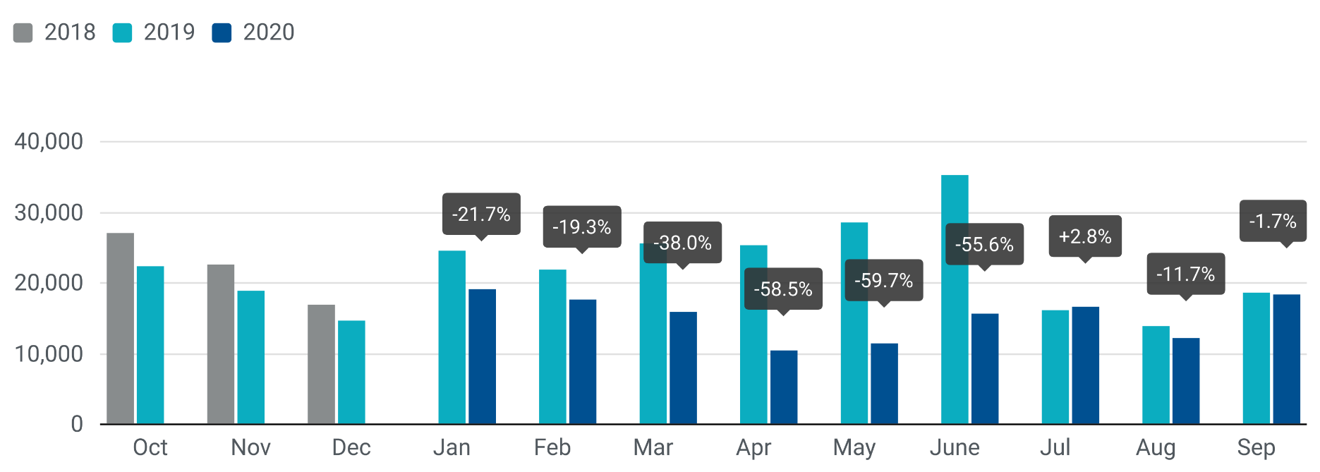

For further information, please contact: Francesca Piazza - Statistics Manager - E-mail: fp@acea.be
This information is available on the ACEA website: http://www.acea.be
 |  |  |  |  |  |  |  | Page 4 of 7

MHBC >3,5t
 |  | P R E S S R E L E A S E

 |  | PRESS EMBARGO FOR ALL DATA :
 |  | 8.00 AM (6.00 AM GMT), 23 October 2020

 |  | PROVISIONAL
 |  | EU+EFTA NEW REGISTRATION FIGURES BY COUNTRY
 |  | NEW MEDIUM AND HEAVY BUSES & COACHES (MHBC) OVER 3.5T

 |  | September | September | % change | Jan-Sep | Jan-Sep | % change
 |  | 2020 | 2019 | 20/19 | 2020 | 2019 | 20/19
 | AUSTRIA | 79 | 74 | 6.8% | 597 | 868 | -31.2%
 | BELGIUM | 55 | 57 | -3.5% | 667 | 1,118 | -40.3%
 | BULGARIA | 26 | 10 | 160.0% | 152 | 227 | -33.0%
 | CROATIA | 1 | 25 | -96.0% | 102 | 255 | -60.0%
 | CYPRUS | 10 | 0 |  | 222 | 19 | 1068.4%
 | CZECH REPUBLIC | 97 | 131 | -26.0% | 966 | 927 | 4.2%
 | DENMARK | 19 | 14 | 35.7% | 249 | 396 | -37.1%
 | ESTONIA | 24 | 21 | 14.3% | 188 | 190 | -1.1%
 | FINLAND | 20 | 29 | -31.0% | 242 | 409 | -40.8%
 | FRANCE | 562 | 489 | 14.9% | 4,311 | 5,012 | -14.0%
 | GERMANY | 574 | 323 | 77.7% | 4,350 | 4,613 | -5.7%
 | GREECE | 31 | 12 | 158.3% | 232 | 293 | -20.8%
 | HUNGARY | 62 | 15 | 313.3% | 494 | 374 | 32.1%
 | IRELAND | 4 | 19 | -78.9% | 105 | 396 | -73.5%
 | ITALY1 | 234 | 465 | -49.7% | 2,227 | 3,282 | -32.1%
 | LATVIA | 3 | 2 | 50.0% | 42 | 63 | -33.3%
 | LITHUANIA2 | 22 | 42 | -47.6% | 213 | 399 | -46.6%
 | LUXEMBOURG | 21 | 32 | -34.4% | 168 | 235 | -28.5%
 | NETHERLANDS | 41 | 16 | 156.3% | 332 | 558 | -40.5%
 | POLAND | 110 | 164 | -32.9% | 1,028 | 1,971 | -47.8%
 | PORTUGAL | 28 | 34 | -17.6% | 321 | 515 | -37.7%
 | ROMANIA | 140 | 61 | 129.5% | 590 | 1,654 | -64.3%
 | SLOVAKIA | 17 | 45 | -62.2% | 197 | 212 | -7.1%
 | SLOVENIA2 | 3 | 38 | -92.1% | 34 | 153 | -77.8%
 | SPAIN | 246 | 419 | -41.3% | 1,397 | 2,574 | -45.7%
 | SWEDEN | 41 | 49 | -16.3% | 1,000 | 1,059 | -5.6%
 | EUROPEAN UNION | 2,470 | 2,586 | -4.5% | 20,426 | 27,772 | -26.5%
 | EU14 | 1,955 | 2,032 | -3.8% | 16,198 | 21,328 | -24.1%
 | EU12 | 515 | 554 | -7.0% | 4,228 | 6,444 | -34.4%
 | ICELAND | 1 | 8 | -87.5% | 12 | 55 | -78.2%
 | NORWAY | 169 | 98 | 72.4% | 1,000 | 2,026 | -50.6%
 | SWITZERLAND | 69 | 40 | 72.5% | 332 | 443 | -25.1%
 | EFTA | 239 | 146 | 63.7% | 1,344 | 2,524 | -46.8%
 | UNITED KINGDOM2 | 583 | 912 | -36.1% | 3,301 | 4,691 | -29.6%
 | TOTAL (EU + EFTA + UK) | 3,292 | 3,644 | -9.7% | 25,071 | 34,987 | -28.3%
 | WESTERN EUROPE (EU14 + EFTA + UK) | 2,777 | 3,090 | -10.1% | 20,843 | 28,543 | -27.0%
 | SOURCE: NATIONAL AUTOMOBILE MANUFACTURERS' ASSOCIATIONS
 | 1ANFIA estimates based on vehicle registration certificates issued by the Italian Ministry of Transport
 | 2Estimates

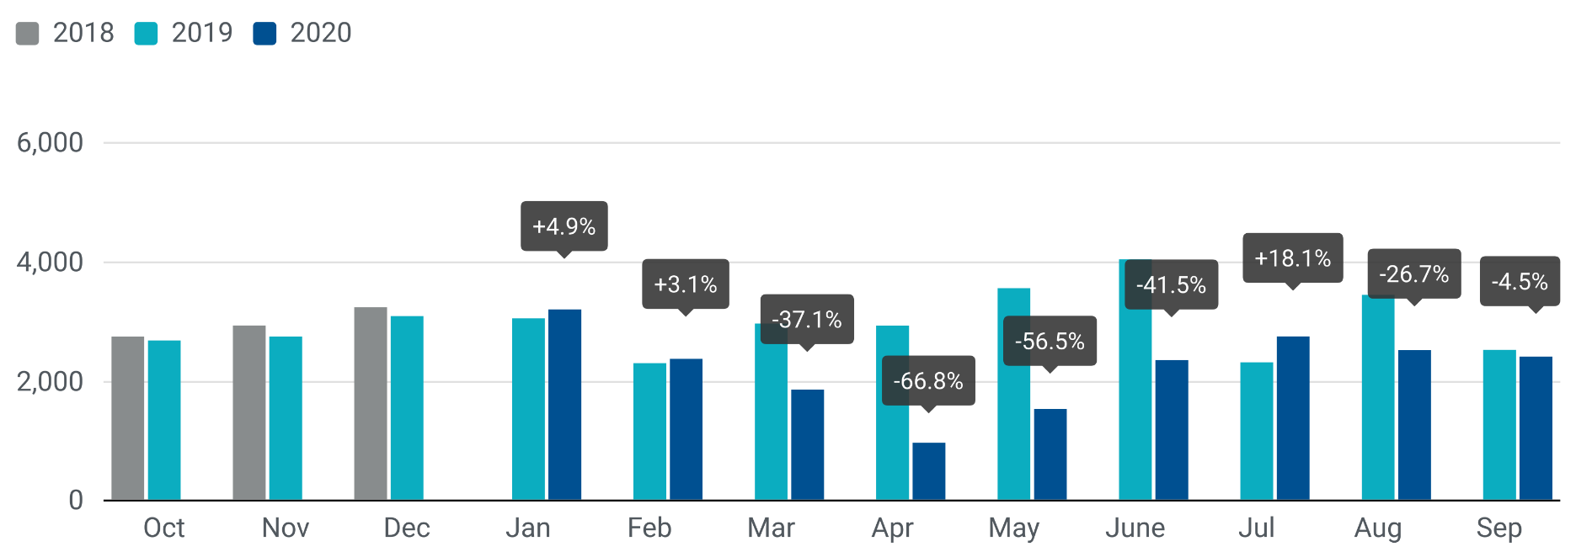

For further information, please contact: Francesca Piazza - Statistics Manager - E-mail: fp@acea.be
This information is available on the ACEA website: http://www.acea.be
 |  |  |  |  |  |  |  | Page 6 of 7

TOTAL
 |  | P R E S S R E L E A S E

 |  | PRESS EMBARGO FOR ALL DATA :
 |  | 8.00 AM (6.00 AM GMT), 23 October 2020

 |  | PROVISIONAL
 |  | EU+EFTA NEW REGISTRATION FIGURES BY COUNTRY
 |  | TOTAL NEW COMMERCIAL VEHICLES

 |  | September | September | % change | Jan-Sep | Jan-Sep | % change
 |  | 2020 | 2019 | 20/19 | 2020 | 2019 | 20/19
 | AUSTRIA | 4,187 | 3,290 | 27.3% | 32,391 | 41,659 | -22.2%
 | BELGIUM | 6,442 | 5,928 | 8.7% | 59,033 | 72,462 | -18.5%
 | BULGARIA | 636 | 749 | -15.1% | 5,090 | 7,291 | -30.2%
 | CROATIA | 766 | 769 | -0.4% | 5,817 | 8,452 | -31.2%
 | CYPRUS | 155 | 231 | -32.9% | 1,484 | 1,846 | -19.6%
 | CZECH REPUBLIC | 2,707 | 2,518 | 7.5% | 17,918 | 24,225 | -26.0%
 | DENMARK | 3,355 | 2,845 | 17.9% | 24,738 | 28,916 | -14.4%
 | ESTONIA | 362 | 418 | -13.4% | 3,083 | 4,631 | -33.4%
 | FINLAND | 1,464 | 1,258 | 16.4% | 11,941 | 14,973 | -20.2%
 | FRANCE | 46,532 | 40,434 | 15.1% | 316,489 | 403,528 | -21.6%
 | GERMANY | 31,865 | 27,095 | 17.6% | 245,147 | 311,932 | -21.4%
 | GREECE | 656 | 529 | 24.0% | 5,617 | 6,587 | -14.7%
 | HUNGARY | 2,201 | 1,589 | 38.5% | 17,948 | 23,731 | -24.4%
 | IRELAND | 2,398 | 1,482 | 61.8% | 20,717 | 25,595 | -19.1%
 | ITALY | 18,027 | 15,297 | 17.8% | 121,772 | 155,483 | -21.7%
 | LATVIA | 260 | 353 | -26.3% | 2,040 | 2,976 | -31.5%
 | LITHUANIA | 744 | 822 | -9.5% | 5,136 | 10,259 | -49.9%
 | LUXEMBOURG | 503 | 479 | 5.0% | 4,154 | 5,117 | -18.8%
 | NETHERLANDS | 6,345 | 6,207 | 2.2% | 54,301 | 74,353 | -27.0%
 | POLAND | 7,176 | 6,607 | 8.6% | 54,562 | 75,127 | -27.4%
 | PORTUGAL | 3,218 | 3,478 | -7.5% | 21,508 | 32,526 | -33.9%
 | ROMANIA | 1,449 | 1,077 | 34.5% | 13,247 | 20,552 | -35.5%
 | SLOVAKIA | 739 | 454 | 62.8% | 6,268 | 9,445 | -33.6%
 | SLOVENIA | 940 | 955 | -1.6% | 6,855 | 10,164 | -32.6%
 | SPAIN | 16,245 | 15,242 | 6.6% | 123,468 | 184,208 | -33.0%
 | SWEDEN | 4,140 | 4,229 | -2.1% | 25,535 | 41,487 | -38.5%
 | EUROPEAN UNION | 163,512 | 144,335 | 13.3% | 1,206,259 | 1,597,525 | -24.5%
 | EU14 | 145,377 | 127,793 | 13.8% | 1,066,811 | 1,398,826 | -23.7%
 | EU12 | 18,135 | 16,542 | 9.6% | 139,448 | 198,699 | -29.8%
 | ICELAND | 87 | 127 | -31.5% | 910 | 1,351 | -32.6%
 | NORWAY | 3,718 | 3,389 | 9.7% | 28,574 | 37,403 | -23.6%
 | SWITZERLAND | 2,711 | 2,916 | -7.0% | 23,220 | 29,119 | -20.3%
 | EFTA | 6,516 | 6,432 | 1.3% | 52,704 | 67,873 | -22.3%
 | UNITED KINGDOM | 56,926 | 47,430 | 20.0% | 237,391 | 335,487 | -29.2%
 | TOTAL (EU + EFTA + UK) | 226,954 | 198,197 | 14.5% | 1,496,354 | 2,000,885 | -25.2%
 | WESTERN EUROPE (EU14 + EFTA + UK) | 208,819 | 181,655 | 15.0% | 1,356,906 | 1,802,186 | -24.7%
 | SOURCE: NATIONAL AUTOMOBILE MANUFACTURERS' ASSOCIATIONS

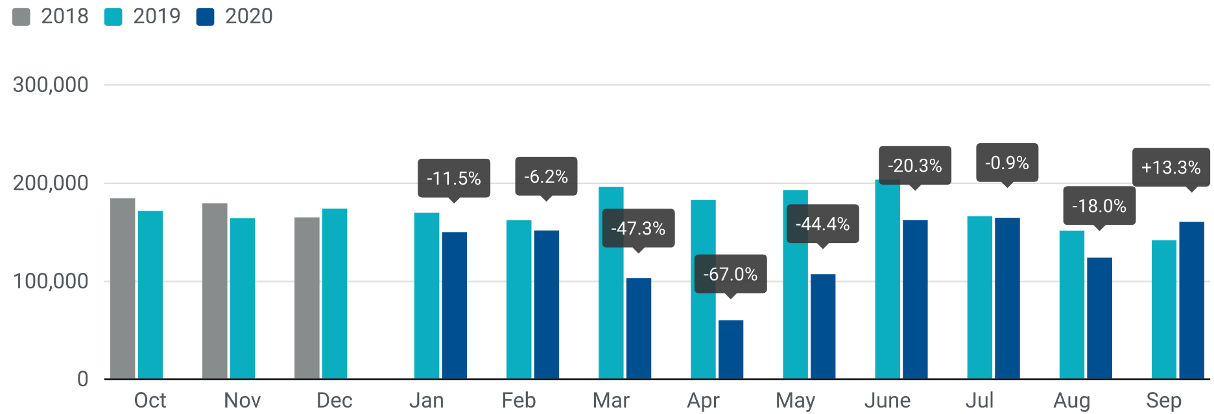

For further information, please contact: Francesca Piazza - Statistics Manager - E-mail: fp@acea.be
This information is available on the ACEA website: http://www.acea.be
 |  |  |  |  |  |  |  | Page 7 of 7

