Market
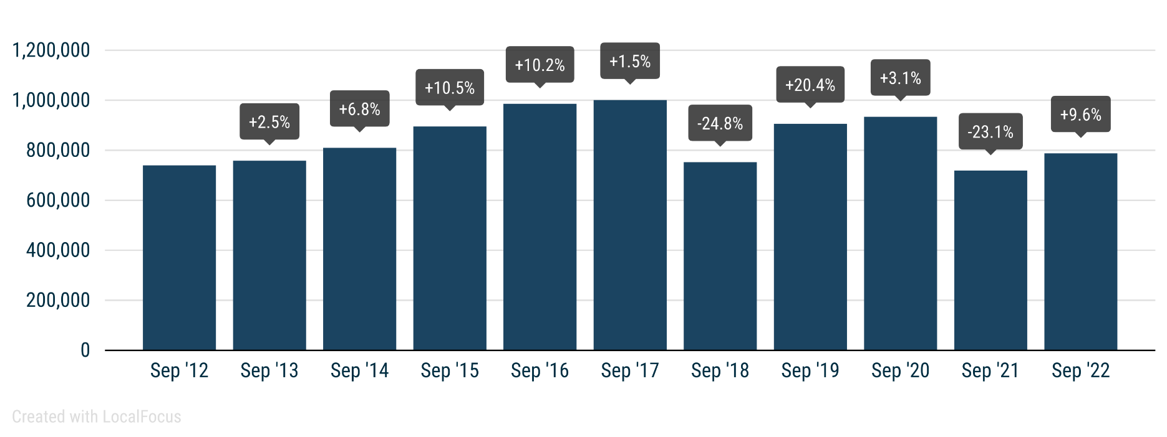
 | PRESS RELEASE

 | PRESS EMBARGO FOR ALL DATA
 | 8.00am CET (6.00am GMT), 18 October 2022

 | NEW PASSENGER CAR REGISTRATIONS, BY MARKET
 | EUROPEAN UNION1 + EFTA + UK

 | SEPTEMBER |  |  | JANUARY-SEPTEMBER
 | Units |  | % change | Units |  | % change
 | 2022 | 2021 | 22/21 | 2022 | 2021 | 22/21
Austria | 20,735 | 17,864 | +16.1 | 163,209 | 189,881 | -14.0
Belgium | 31,025 | 26,554 | +16.8 | 281,490 | 313,567 | -10.2
Bulgaria | 2,117 | 1,446 | +46.4 | 21,975 | 19,040 | +15.4
Croatia | 3,369 | 2,749 | +22.6 | 34,566 | 37,135 | -6.9
Cyprus | 1,186 | 1,018 | +16.5 | 9,071 | 8,589 | +5.6
Czech Republic | 14,898 | 14,165 | +5.2 | 143,843 | 161,824 | -11.1
Denmark | 13,011 | 14,215 | -8.5 | 109,109 | 139,935 | -22.0
Estonia | 1,810 | 1,777 | +1.9 | 16,181 | 18,533 | -12.7
Finland | 6,798 | 6,535 | +4.0 | 62,919 | 78,664 | -20.0
France | 141,137 | 133,830 | +5.5 | 1,112,067 | 1,260,373 | -11.8
Germany | 224,816 | 196,972 | +14.1 | 1,867,885 | 2,017,561 | -7.4
Greece | 8,606 | 6,610 | +30.2 | 82,936 | 81,756 | +1.4
Hungary | 9,422 | 9,526 | -1.1 | 85,768 | 94,553 | -9.3
Ireland | 6,328 | 4,449 | +42.2 | 101,477 | 100,745 | +0.7
Italy | 110,976 | 105,318 | +5.4 | 976,055 | 1,165,692 | -16.3
Latvia2 | 1,538 | 1,101 | +39.7 | 12,641 | 11,614 | +8.8
Lithuania | 2,218 | 2,022 | +9.7 | 20,606 | 26,353 | -21.8
Luxembourg | 3,572 | 2,948 | +21.2 | 32,073 | 35,011 | -8.4
Netherlands | 25,792 | 24,607 | +4.8 | 224,944 | 235,789 | -4.6
Poland | 35,819 | 33,085 | +8.3 | 316,680 | 347,275 | -8.8
Portugal | 12,469 | 10,786 | +15.6 | 113,762 | 112,525 | +1.1
Romania | 11,927 | 8,942 | +33.4 | 95,276 | 88,262 | +7.9
Slovakia | 5,237 | 5,797 | -9.7 | 58,106 | 58,719 | -1.0
Slovenia | 3,776 | 4,127 | -8.5 | 36,758 | 43,098 | -14.7
Spain | 67,240 | 59,641 | +12.7 | 600,281 | 647,954 | -7.4
Sweden | 22,048 | 22,634 | -2.6 | 204,640 | 232,383 | -11.9
EUROPEAN UNION | 787,870 | 718,718 | +9.6 | 6,784,318 | 7,526,831 | -9.9
EU143 | 694,553 | 632,963 | +9.7 | 5,932,847 | 6,611,836 | -10.3
EU124 | 93,317 | 85,755 | +8.8 | 851,471 | 914,995 | -6.9
Iceland | 1,194 | 1,173 | +1.8 | 13,062 | 9,803 | +33.2
Norway | 14,646 | 17,992 | -18.6 | 102,761 | 128,856 | -20.3
Switzerland | 20,947 | 19,648 | +6.6 | 162,606 | 180,073 | -9.7
EFTA | 36,787 | 38,813 | -5.2 | 278,429 | 318,732 | -12.6
United Kingdom | 225,269 | 215,312 | +4.6 | 1,208,368 | 1,316,614 | -8.2
EU + EFTA + UK | 1,049,926 | 972,843 | +7.9 | 8,271,115 | 9,162,177 | -9.7
EU14 + EFTA + UK | 956,609 | 887,088 | +7.8 | 7,419,644 | 8,247,182 | -10.0
SOURCE: NATIONAL AUTOMOBILE MANUFACTURERS' ASSOCIATIONS |  |  |  |  |  | 1 Data for Malta na
 |  |  |  |  |  | 2 Estimates
 |  |  |  |  |  | 3 Member states before the 2004 enlargement
 |  |  |  |  |  | 4 Member states having joined the EU since 2004

