By Market
 | P R E S S R E L E A S E

 | PRESS EMBARGO FOR ALL DATA:
 | 8.00 AM (6.00 AM GMT), 16 July 2020

 | PROVISIONAL
 | NEW PASSENGER CAR REGISTRATIONS BY MARKET
 | EUROPEAN UNION1 + EFTA + UK

 |  |  |  |  |  | 2020-07-16
 | June | June | %Change | Jan-Jun | Jan-Jun | %Change
 | 2020 | 2019 | 20/19 | 2020 | 2019 | 20/19
AUSTRIA | 26,676 | 32,529 | -18.0 | 112,787 | 175,909 | -35.9
BELGIUM | 49,141 | 50,044 | -1.8 | 216,605 | 310,488 | -30.2
BULGARIA | 2,283 | 3,255 | -29.9 | 10,161 | 18,323 | -44.5
CROATIA | 4,168 | 8,232 | -49.4 | 17,423 | 38,216 | -54.4
CYPRUS | 947 | 1,183 | -19.9 | 4,913 | 6,578 | -25.3
CZECH REPUBLIC | 20,771 | 21,902 | -5.2 | 95,029 | 128,498 | -26.0
DENMARK | 17,936 | 20,711 | -13.4 | 88,418 | 122,223 | -27.7
ESTONIA | 1,602 | 2,424 | -33.9 | 9,133 | 13,933 | -34.5
FINLAND | 8,023 | 10,539 | -23.9 | 47,385 | 60,280 | -21.4
FRANCE | 233,814 | 230,964 | +1.2 | 715,798 | 1,166,442 | -38.6
GERMANY | 220,272 | 325,231 | -32.3 | 1,210,622 | 1,849,000 | -34.5
GREECE | 8,249 | 13,133 | -37.2 | 36,570 | 65,557 | -44.2
HUNGARY | 10,355 | 13,575 | -23.7 | 55,674 | 74,541 | -25.3
IRELAND | 1,009 | 1,408 | -28.3 | 52,884 | 80,758 | -34.5
ITALY | 132,457 | 172,312 | -23.1 | 583,960 | 1,083,184 | -46.1
LATVIA | 1,272 | 1,612 | -21.1 | 6,569 | 9,485 | -30.7
LITHUANIA | 2,674 | 4,520 | -40.8 | 16,821 | 23,374 | -28.0
LUXEMBOURG | 4,648 | 5,199 | -10.6 | 20,793 | 31,123 | -33.2
NETHERLANDS | 24,926 | 41,026 | -39.2 | 158,161 | 225,779 | -29.9
POLAND | 35,797 | 45,050 | -20.5 | 179,821 | 278,332 | -35.4
PORTUGAL | 11,076 | 25,305 | -56.2 | 64,848 | 128,595 | -49.6
ROMANIA | 10,161 | 14,082 | -27.8 | 49,616 | 71,620 | -30.7
SLOVAKIA | 7,502 | 9,396 | -20.2 | 34,015 | 52,075 | -34.7
SLOVENIA | 6,565 | 6,967 | -5.8 | 28,005 | 41,122 | -31.9
SPAIN | 82,651 | 130,513 | -36.7 | 339,853 | 692,443 | -50.9
SWEDEN | 24,747 | 31,830 | -22.3 | 125,685 | 167,882 | -25.1
EUROPEAN UNION (EU) | 949,722 | 1,222,942 | -22.3 | 4,281,549 | 6,915,760 | -38.1
EU142 | 845,625 | 1,090,744 | -22.5 | 3,774,369 | 6,159,663 | -38.7
EU123 | 104,097 | 132,198 | -21.3 | 507,180 | 756,097 | -32.9
ICELAND | 824 | 1,359 | -39.4 | 4,193 | 7,289 | -42.5
NORWAY | 11,443 | 15,352 | -25.5 | 59,224 | 78,209 | -24.3
SWITZERLAND | 24,477 | 28,391 | -13.8 | 103,201 | 157,136 | -34.3
EFTA | 36,744 | 45,102 | -18.5 | 166,618 | 242,634 | -31.3
UNITED KINGDOM | 145,377 | 223,421 | -34.9 | 653,502 | 1,269,245 | -48.5
TOTAL (EU + EFTA + UK) | 1,131,843 | 1,491,465 | -24.1 | 5,101,669 | 8,427,639 | -39.5
WESTERN EUROPE (EU14 + EFTA + UK) | 1,027,746 | 1,359,267 | -24.4 | 4,594,489 | 7,671,542 | -40.1
SOURCE: NATIONAL AUTOMOBILE MANUFACTURERS' ASSOCIATIONS
1Data for Malta n.a. |  |  | 3Member States having joined the EU since 2004
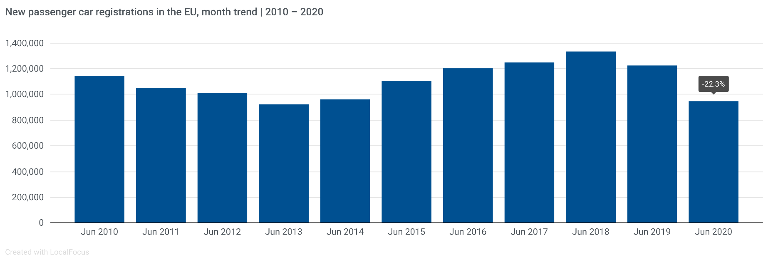
2Member States before the 2004 enlargement

Next press release: Thursday 17 September 2020
This information is available on the ACEA website: http://www.acea.be
 |  |  |  |  |  | Page 2 of 5

